RASSF3 _multivariate
Reported by Tex Li-Hsing Chi. tex@gate.sinica.edu.tw 2019-08-16

Table 2. The clinicopathological features of HNSCC cohort and RASSF3 expression. (Chi square test)
Cutoff at -0.153 (50.0%)
 |  | RASSF3 expression |  | RASSF3 expression |  | (Optimised)
 | Features | Low | (%) | High | (%) | Case no | P-value | Remark | Matthews
Gender | Female | 161 | 38.8 | 145 | 34.9 | 415 | 0.0792 | 0 | 0
2 | Male | 46 | 11.1 | 63 | 15.2
Age at diagnosis | <=65y | 137 | 33 | 137 | 33 | 415 | 1 | 0 | 0
4 | >65y | 70 | 16.9 | 71 | 17.1
Clinical T Status | T1+T2 | 77 | 18.6 | 72 | 17.3 | 415 | 0.6556 | 0 | 0
6 | T3+T4 | 130 | 31.3 | 136 | 32.8
Clinical N Status | N0 | 110 | 26.5 | 106 | 25.5 | 415 | 0.7294 | 0 | 0
8 | N1-3 | 97 | 23.4 | 102 | 24.6
Clinical M Status | M0 | 204 | 49.2 | 208 | 50.1 | 415 | 0.1232 | 0 | 0
10 | M1 | 3 | 0.7 | 0 | 0
Clinical Stage | Stage I+II | 50 | 12 | 52 | 12.5 | 415 | 0.9315 | 0 | 0
12 | Stage III+IV | 157 | 37.8 | 156 | 37.6
Surgical Margin status | Negative | 155 | 37.3 | 163 | 39.3 | 415 | 0.4187 | 0 | 0
14 | Positive | 52 | 12.5 | 45 | 10.8
Tobacco Exposure | Low | 80 | 19.3 | 81 | 19.5 | 415 | 1 | 0 | 0
16 | High | 127 | 30.6 | 127 | 30.6

Table 3. Univariate/Multivariate Cox's proportional hazards regression analyses on OS time of RASSF3 gene expression in HNSCC

 |  | Univariate |  |  |  | Multivariate
 | Features | HR | CI95%(L) | CI95%(H) | P-value | HR | CI95%(L) | CI95%(H) | P-value
1 | Female | 1 |  |  |  | 1
Gender | Male | 1.157 | 0.843 | 1.587 | 0.367 | 1.198 | 0.858 | 1.673 | 0.29
11 | <=65y | 1 |  |  |  | 1
Age at diagnosis | >65y | 1.329 | 0.99 | 1.784 | 0.058 | 1.399 | 1.028 | 1.903 | 0.032
12 | T1+T2 | 1 |  |  |  | 1
Clinical T Status | T3+T4 | 1.409 | 1.028 | 1.931 | 0.033 | 2.198 | 1.163 | 4.154 | 0.015
13 | N0 | 1 |  |  |  | 1
Clinical N Status | N1-3 | 1.185 | 0.89 | 1.577 | 0.246 | 1.242 | 0.871 | 1.772 | 0.231
14 | M0 | 1 |  |  |  | 1
Clinical M Status | M1 | 4.097 | 1.009 | 16.644 | 0.049 | 10.085 | 2.183 | 46.592 | 0.003
15 | Stage I+II | 1 |  |  |  | 1
Clinical Stage | Stage III+IV | 1.245 | 0.882 | 1.759 | 0.213 | 0.505 | 0.235 | 1.084 | 0.079
16 | Negative | 1 |  |  |  | 1
Surgical Margin status | Positive | 1.591 | 1.155 | 2.191 | 0.004 | 1.686 | 1.219 | 2.331 | 0.002
17 | Low | 1 |  |  |  | 1
Tobacco Exposure | High | 1.364 | 1.008 | 1.844 | 0.044 | 1.471 | 1.066 | 2.03 | 0.019
18 | Low | 1 |  |  |  | 1
RNAseq(z-score) | High | 1.068 | 0.802 | 1.423 | 0.651 | 1.145 | 0.856 | 1.532 | 0.362

Table 4. Univariate/Multivariate Cox's proportional hazards regression analyses on RFS time of RASSF3 gene expression in HNSCC

 |  | Univariate |  |  |  | Multivariate
 | Features | HR | CI95%(L) | CI95%(H) | P-value | HR | CI95%(L) | CI95%(H) | P-value
1 | Female | 1 |  |  |  | 1
Gender | Male | 1.157 | 0.843 | 1.587 | 0.367 | 1.198 | 0.858 | 1.673 | 0.29
11 | <=65y | 1 |  |  |  | 1
Age at diagnosis | >65y | 1.329 | 0.99 | 1.784 | 0.058 | 1.399 | 1.028 | 1.903 | 0.032
12 | T1+T2 | 1 |  |  |  | 1
Clinical T Status | T3+T4 | 1.409 | 1.028 | 1.931 | 0.033 | 2.198 | 1.163 | 4.154 | 0.015
13 | N0 | 1 |  |  |  | 1
Clinical N Status | N1-3 | 1.185 | 0.89 | 1.577 | 0.246 | 1.242 | 0.871 | 1.772 | 0.231
14 | M0 | 1 |  |  |  | 1
Clinical M Status | M1 | 4.097 | 1.009 | 16.644 | 0.049 | 10.085 | 2.183 | 46.592 | 0.003
15 | Stage I+II | 1 |  |  |  | 1
Clinical Stage | Stage III+IV | 1.245 | 0.882 | 1.759 | 0.213 | 0.505 | 0.235 | 1.084 | 0.079
16 | Negative | 1 |  |  |  | 1
Surgical Margin status | Positive | 1.591 | 1.155 | 2.191 | 0.004 | 1.686 | 1.219 | 2.331 | 0.002
17 | Low | 1 |  |  |  | 1
Tobacco Exposure | High | 1.364 | 1.008 | 1.844 | 0.044 | 1.471 | 1.066 | 2.03 | 0.019
18 | Low | 1 |  |  |  | 1
RNAseq(z-score) | High | 1.068 | 0.802 | 1.423 | 0.651 | 1.145 | 0.856 | 1.532 | 0.362

Kaplan-Meier survival estimate: Cutoff at -0.153 (50.0%)



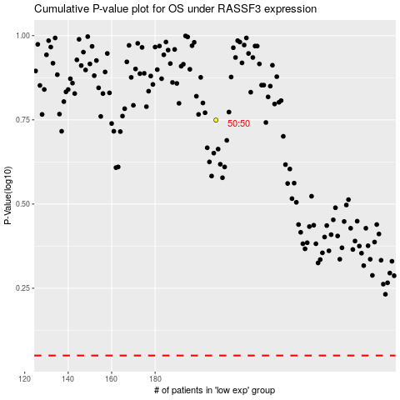

 |  |  |  |  |  | cases_OS | p_OS | rank | exp
 |  |  |  |  |  |  | cases_RFS | p_RFS | rank | exp

