RASSF4 _multivariate
Reported by Tex Li-Hsing Chi. tex@gate.sinica.edu.tw 2019-08-16

Table 2. The clinicopathological features of HNSCC cohort and RASSF4 expression. (Chi square test)
Cutoff at -0.284 (50.0%)
 |  | RASSF4 expression |  | RASSF4 expression |  | (Optimised)
 | Features | Low | (%) | High | (%) | Case no | P-value | Remark | Matthews
Gender | Female | 159 | 38.3 | 147 | 35.4 | 415 | 0.1905 | 0 | 0
2 | Male | 48 | 11.6 | 61 | 14.7
Age at diagnosis | <=65y | 143 | 34.5 | 131 | 31.6 | 415 | 0.2269 | 0 | 0
4 | >65y | 64 | 15.4 | 77 | 18.6
Clinical T Status | T1+T2 | 63 | 15.2 | 86 | 20.7 | 415 | 0.0268 | 1 | 0
6 | T3+T4 | 144 | 34.7 | 122 | 29.4
Clinical N Status | N0 | 116 | 28 | 100 | 24.1 | 415 | 0.1273 | 1 | 0
8 | N1-3 | 91 | 21.9 | 108 | 26
Clinical M Status | M0 | 206 | 49.6 | 206 | 49.6 | 415 | 1 | 0 | 0
10 | M1 | 1 | 0.2 | 2 | 0.5
Clinical Stage | Stage I+II | 45 | 10.8 | 57 | 13.7 | 415 | 0.2202 | 0 | 0
12 | Stage III+IV | 162 | 39 | 151 | 36.4
Surgical Margin status | Negative | 160 | 38.6 | 158 | 38.1 | 415 | 0.8167 | 0 | 0
14 | Positive | 47 | 11.3 | 50 | 12
Tobacco Exposure | Low | 72 | 17.3 | 89 | 21.4 | 415 | 0.1071 | 0 | 0
16 | High | 135 | 32.5 | 119 | 28.7

Table 3. Univariate/Multivariate Cox's proportional hazards regression analyses on OS time of RASSF4 gene expression in HNSCC

 |  | Univariate |  |  |  | Multivariate
 | Features | HR | CI95%(L) | CI95%(H) | P-value | HR | CI95%(L) | CI95%(H) | P-value
1 | Female | 1 |  |  |  | 1
Gender | Male | 1.157 | 0.843 | 1.587 | 0.367 | 1.203 | 0.861 | 1.681 | 0.278
11 | <=65y | 1 |  |  |  | 1
Age at diagnosis | >65y | 1.329 | 0.99 | 1.784 | 0.058 | 1.398 | 1.029 | 1.9 | 0.032
12 | T1+T2 | 1 |  |  |  | 1
Clinical T Status | T3+T4 | 1.409 | 1.028 | 1.931 | 0.033 | 2.19 | 1.158 | 4.141 | 0.016
13 | N0 | 1 |  |  |  | 1
Clinical N Status | N1-3 | 1.185 | 0.89 | 1.577 | 0.246 | 1.259 | 0.882 | 1.799 | 0.205
14 | M0 | 1 |  |  |  | 1
Clinical M Status | M1 | 4.097 | 1.009 | 16.644 | 0.049 | 9.439 | 2.059 | 43.275 | 0.004
15 | Stage I+II | 1 |  |  |  | 1
Clinical Stage | Stage III+IV | 1.245 | 0.882 | 1.759 | 0.213 | 0.499 | 0.233 | 1.071 | 0.075
16 | Negative | 1 |  |  |  | 1
Surgical Margin status | Positive | 1.591 | 1.155 | 2.191 | 0.004 | 1.694 | 1.224 | 2.345 | 0.001
17 | Low | 1 |  |  |  | 1
Tobacco Exposure | High | 1.364 | 1.008 | 1.844 | 0.044 | 1.442 | 1.046 | 1.989 | 0.025
18 | Low | 1 |  |  |  | 1
RNAseq(z-score) | High | 0.895 | 0.672 | 1.193 | 0.451 | 0.879 | 0.657 | 1.176 | 0.386

Table 4. Univariate/Multivariate Cox's proportional hazards regression analyses on RFS time of RASSF4 gene expression in HNSCC

 |  | Univariate |  |  |  | Multivariate
 | Features | HR | CI95%(L) | CI95%(H) | P-value | HR | CI95%(L) | CI95%(H) | P-value
1 | Female | 1 |  |  |  | 1
Gender | Male | 1.157 | 0.843 | 1.587 | 0.367 | 1.203 | 0.861 | 1.681 | 0.278
11 | <=65y | 1 |  |  |  | 1
Age at diagnosis | >65y | 1.329 | 0.99 | 1.784 | 0.058 | 1.398 | 1.029 | 1.9 | 0.032
12 | T1+T2 | 1 |  |  |  | 1
Clinical T Status | T3+T4 | 1.409 | 1.028 | 1.931 | 0.033 | 2.19 | 1.158 | 4.141 | 0.016
13 | N0 | 1 |  |  |  | 1
Clinical N Status | N1-3 | 1.185 | 0.89 | 1.577 | 0.246 | 1.259 | 0.882 | 1.799 | 0.205
14 | M0 | 1 |  |  |  | 1
Clinical M Status | M1 | 4.097 | 1.009 | 16.644 | 0.049 | 9.439 | 2.059 | 43.275 | 0.004
15 | Stage I+II | 1 |  |  |  | 1
Clinical Stage | Stage III+IV | 1.245 | 0.882 | 1.759 | 0.213 | 0.499 | 0.233 | 1.071 | 0.075
16 | Negative | 1 |  |  |  | 1
Surgical Margin status | Positive | 1.591 | 1.155 | 2.191 | 0.004 | 1.694 | 1.224 | 2.345 | 0.001
17 | Low | 1 |  |  |  | 1
Tobacco Exposure | High | 1.364 | 1.008 | 1.844 | 0.044 | 1.442 | 1.046 | 1.989 | 0.025
18 | Low | 1 |  |  |  | 1
RNAseq(z-score) | High | 0.895 | 0.672 | 1.193 | 0.451 | 0.879 | 0.657 | 1.176 | 0.386

Kaplan-Meier survival estimate: Cutoff at -0.284 (50.0%)



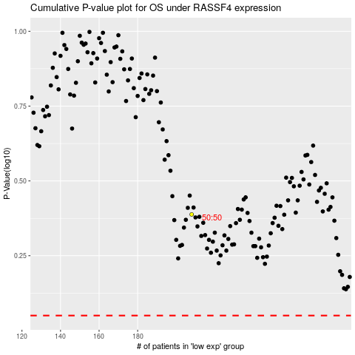

 |  |  |  |  |  | cases_OS | p_OS | rank | exp
 |  |  |  |  |  |  | cases_RFS | p_RFS | rank | exp

