RASSF7 _multivariate
Reported by Tex Li-Hsing Chi. tex@gate.sinica.edu.tw 2019-08-16

Table 2. The clinicopathological features of HNSCC cohort and RASSF7 expression. (Chi square test)
Cutoff at -0.215 (50.0%)
 |  | RASSF7 expression |  | RASSF7 expression |  | (Optimised)
 | Features | Low | (%) | High | (%) | Case no | P-value | Remark | Matthews
Gender | Female | 145 | 34.9 | 161 | 38.8 | 415 | 0.1116 | 0 | 0
2 | Male | 62 | 14.9 | 47 | 11.3
Age at diagnosis | <=65y | 133 | 32 | 141 | 34 | 415 | 0.5111 | 0 | 0
4 | >65y | 74 | 17.8 | 67 | 16.1
Clinical T Status | T1+T2 | 73 | 17.6 | 76 | 18.3 | 415 | 0.8666 | 0 | 0
6 | T3+T4 | 134 | 32.3 | 132 | 31.8
Clinical N Status | N0 | 109 | 26.3 | 107 | 25.8 | 415 | 0.8812 | 0 | 0
8 | N1-3 | 98 | 23.6 | 101 | 24.3
Clinical M Status | M0 | 206 | 49.6 | 206 | 49.6 | 415 | 1 | 0 | 0
10 | M1 | 1 | 0.2 | 2 | 0.5
Clinical Stage | Stage I+II | 52 | 12.5 | 50 | 12 | 415 | 0.8871 | 0 | 0
12 | Stage III+IV | 155 | 37.3 | 158 | 38.1
Surgical Margin status | Negative | 162 | 39 | 156 | 37.6 | 415 | 0.4867 | 0 | 0
14 | Positive | 45 | 10.8 | 52 | 12.5
Tobacco Exposure | Low | 79 | 19 | 82 | 19.8 | 415 | 0.8405 | 0 | 0
16 | High | 128 | 30.8 | 126 | 30.4

Table 3. Univariate/Multivariate Cox's proportional hazards regression analyses on OS time of RASSF7 gene expression in HNSCC

 |  | Univariate |  |  |  | Multivariate
 | Features | HR | CI95%(L) | CI95%(H) | P-value | HR | CI95%(L) | CI95%(H) | P-value
1 | Female | 1 |  |  |  | 1
Gender | Male | 1.157 | 0.843 | 1.587 | 0.367 | 1.197 | 0.856 | 1.673 | 0.292
11 | <=65y | 1 |  |  |  | 1
Age at diagnosis | >65y | 1.329 | 0.99 | 1.784 | 0.058 | 1.391 | 1.023 | 1.891 | 0.035
12 | T1+T2 | 1 |  |  |  | 1
Clinical T Status | T3+T4 | 1.409 | 1.028 | 1.931 | 0.033 | 2.194 | 1.16 | 4.151 | 0.016
13 | N0 | 1 |  |  |  | 1
Clinical N Status | N1-3 | 1.185 | 0.89 | 1.577 | 0.246 | 1.242 | 0.871 | 1.772 | 0.232
14 | M0 | 1 |  |  |  | 1
Clinical M Status | M1 | 4.097 | 1.009 | 16.644 | 0.049 | 9.511 | 2.072 | 43.652 | 0.004
15 | Stage I+II | 1 |  |  |  | 1
Clinical Stage | Stage III+IV | 1.245 | 0.882 | 1.759 | 0.213 | 0.506 | 0.236 | 1.087 | 0.081
16 | Negative | 1 |  |  |  | 1
Surgical Margin status | Positive | 1.591 | 1.155 | 2.191 | 0.004 | 1.684 | 1.215 | 2.333 | 0.002
17 | Low | 1 |  |  |  | 1
Tobacco Exposure | High | 1.364 | 1.008 | 1.844 | 0.044 | 1.454 | 1.055 | 2.004 | 0.022
18 | Low | 1 |  |  |  | 1
RNAseq(z-score) | High | 0.992 | 0.744 | 1.321 | 0.954 | 0.949 | 0.709 | 1.27 | 0.726

Table 4. Univariate/Multivariate Cox's proportional hazards regression analyses on RFS time of RASSF7 gene expression in HNSCC

 |  | Univariate |  |  |  | Multivariate
 | Features | HR | CI95%(L) | CI95%(H) | P-value | HR | CI95%(L) | CI95%(H) | P-value
1 | Female | 1 |  |  |  | 1
Gender | Male | 1.157 | 0.843 | 1.587 | 0.367 | 1.197 | 0.856 | 1.673 | 0.292
11 | <=65y | 1 |  |  |  | 1
Age at diagnosis | >65y | 1.329 | 0.99 | 1.784 | 0.058 | 1.391 | 1.023 | 1.891 | 0.035
12 | T1+T2 | 1 |  |  |  | 1
Clinical T Status | T3+T4 | 1.409 | 1.028 | 1.931 | 0.033 | 2.194 | 1.16 | 4.151 | 0.016
13 | N0 | 1 |  |  |  | 1
Clinical N Status | N1-3 | 1.185 | 0.89 | 1.577 | 0.246 | 1.242 | 0.871 | 1.772 | 0.232
14 | M0 | 1 |  |  |  | 1
Clinical M Status | M1 | 4.097 | 1.009 | 16.644 | 0.049 | 9.511 | 2.072 | 43.652 | 0.004
15 | Stage I+II | 1 |  |  |  | 1
Clinical Stage | Stage III+IV | 1.245 | 0.882 | 1.759 | 0.213 | 0.506 | 0.236 | 1.087 | 0.081
16 | Negative | 1 |  |  |  | 1
Surgical Margin status | Positive | 1.591 | 1.155 | 2.191 | 0.004 | 1.684 | 1.215 | 2.333 | 0.002
17 | Low | 1 |  |  |  | 1
Tobacco Exposure | High | 1.364 | 1.008 | 1.844 | 0.044 | 1.454 | 1.055 | 2.004 | 0.022
18 | Low | 1 |  |  |  | 1
RNAseq(z-score) | High | 0.992 | 0.744 | 1.321 | 0.954 | 0.949 | 0.709 | 1.27 | 0.726

Kaplan-Meier survival estimate: Cutoff at -0.215 (50.0%)



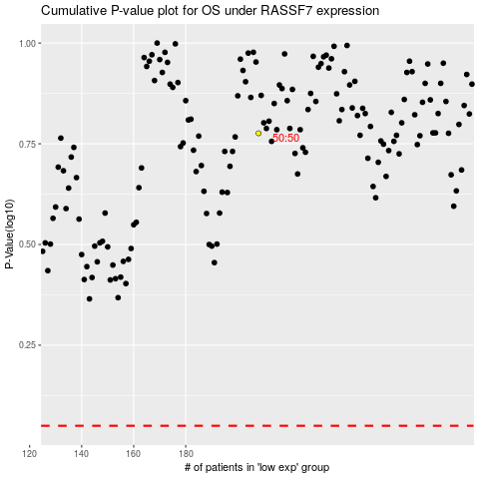

 |  |  |  |  |  | cases_OS | p_OS | rank | exp
 |  |  |  |  |  |  | cases_RFS | p_RFS | rank | exp

