RAVER2 _multivariate
Reported by Tex Li-Hsing Chi. tex@gate.sinica.edu.tw 2019-08-16

Table 2. The clinicopathological features of HNSCC cohort and RAVER2 expression. (Chi square test)
Cutoff at -0.266 (49.8%)
 |  | RAVER2 expression |  | RAVER2 expression |  | (Optimised)
 | Features | Low | (%) | High | (%) | Case no | P-value | Remark | Matthews
Gender | Female | 147 | 35.4 | 159 | 38.3 | 415 | 0.2523 | 0 | 0
2 | Male | 60 | 14.5 | 49 | 11.8
Age at diagnosis | <=65y | 143 | 34.5 | 131 | 31.6 | 415 | 0.2269 | 0 | 0
4 | >65y | 64 | 15.4 | 77 | 18.6
Clinical T Status | T1+T2 | 76 | 18.3 | 73 | 17.6 | 415 | 0.8092 | 0 | 0
6 | T3+T4 | 131 | 31.6 | 135 | 32.5
Clinical N Status | N0 | 108 | 26 | 108 | 26 | 415 | 1 | 0 | 0
8 | N1-3 | 99 | 23.9 | 100 | 24.1
Clinical M Status | M0 | 206 | 49.6 | 206 | 49.6 | 415 | 1 | 0 | 0
10 | M1 | 1 | 0.2 | 2 | 0.5
Clinical Stage | Stage I+II | 56 | 13.5 | 46 | 11.1 | 415 | 0.2918 | 0 | 0
12 | Stage III+IV | 151 | 36.4 | 162 | 39
Surgical Margin status | Negative | 166 | 40 | 152 | 36.6 | 415 | 0.1042 | 0 | 0
14 | Positive | 41 | 9.9 | 56 | 13.5
Tobacco Exposure | Low | 95 | 22.9 | 66 | 15.9 | 415 | 0.0035 | 1 | 0
16 | High | 112 | 27 | 142 | 34.2

Table 3. Univariate/Multivariate Cox's proportional hazards regression analyses on OS time of RAVER2 gene expression in HNSCC

 |  | Univariate |  |  |  | Multivariate
 | Features | HR | CI95%(L) | CI95%(H) | P-value | HR | CI95%(L) | CI95%(H) | P-value
1 | Female | 1 |  |  |  | 1
Gender | Male | 1.157 | 0.843 | 1.587 | 0.367 | 1.192 | 0.852 | 1.668 | 0.304
11 | <=65y | 1 |  |  |  | 1
Age at diagnosis | >65y | 1.329 | 0.99 | 1.784 | 0.058 | 1.427 | 1.048 | 1.943 | 0.024
12 | T1+T2 | 1 |  |  |  | 1
Clinical T Status | T3+T4 | 1.409 | 1.028 | 1.931 | 0.033 | 2.173 | 1.149 | 4.108 | 0.017
13 | N0 | 1 |  |  |  | 1
Clinical N Status | N1-3 | 1.185 | 0.89 | 1.577 | 0.246 | 1.229 | 0.861 | 1.754 | 0.256
14 | M0 | 1 |  |  |  | 1
Clinical M Status | M1 | 4.097 | 1.009 | 16.644 | 0.049 | 9.482 | 2.068 | 43.468 | 0.004
15 | Stage I+II | 1 |  |  |  | 1
Clinical Stage | Stage III+IV | 1.245 | 0.882 | 1.759 | 0.213 | 0.529 | 0.246 | 1.14 | 0.104
16 | Negative | 1 |  |  |  | 1
Surgical Margin status | Positive | 1.591 | 1.155 | 2.191 | 0.004 | 1.713 | 1.238 | 2.371 | 0.001
17 | Low | 1 |  |  |  | 1
Tobacco Exposure | High | 1.364 | 1.008 | 1.844 | 0.044 | 1.514 | 1.093 | 2.097 | 0.013
18 | Low | 1 |  |  |  | 1
RNAseq(z-score) | High | 0.932 | 0.699 | 1.244 | 0.634 | 0.808 | 0.598 | 1.09 | 0.162

Table 4. Univariate/Multivariate Cox's proportional hazards regression analyses on RFS time of RAVER2 gene expression in HNSCC

 |  | Univariate |  |  |  | Multivariate
 | Features | HR | CI95%(L) | CI95%(H) | P-value | HR | CI95%(L) | CI95%(H) | P-value
1 | Female | 1 |  |  |  | 1
Gender | Male | 1.157 | 0.843 | 1.587 | 0.367 | 1.192 | 0.852 | 1.668 | 0.304
11 | <=65y | 1 |  |  |  | 1
Age at diagnosis | >65y | 1.329 | 0.99 | 1.784 | 0.058 | 1.427 | 1.048 | 1.943 | 0.024
12 | T1+T2 | 1 |  |  |  | 1
Clinical T Status | T3+T4 | 1.409 | 1.028 | 1.931 | 0.033 | 2.173 | 1.149 | 4.108 | 0.017
13 | N0 | 1 |  |  |  | 1
Clinical N Status | N1-3 | 1.185 | 0.89 | 1.577 | 0.246 | 1.229 | 0.861 | 1.754 | 0.256
14 | M0 | 1 |  |  |  | 1
Clinical M Status | M1 | 4.097 | 1.009 | 16.644 | 0.049 | 9.482 | 2.068 | 43.468 | 0.004
15 | Stage I+II | 1 |  |  |  | 1
Clinical Stage | Stage III+IV | 1.245 | 0.882 | 1.759 | 0.213 | 0.529 | 0.246 | 1.14 | 0.104
16 | Negative | 1 |  |  |  | 1
Surgical Margin status | Positive | 1.591 | 1.155 | 2.191 | 0.004 | 1.713 | 1.238 | 2.371 | 0.001
17 | Low | 1 |  |  |  | 1
Tobacco Exposure | High | 1.364 | 1.008 | 1.844 | 0.044 | 1.514 | 1.093 | 2.097 | 0.013
18 | Low | 1 |  |  |  | 1
RNAseq(z-score) | High | 0.932 | 0.699 | 1.244 | 0.634 | 0.808 | 0.598 | 1.09 | 0.162

Kaplan-Meier survival estimate: Cutoff at -0.266 (49.8%)



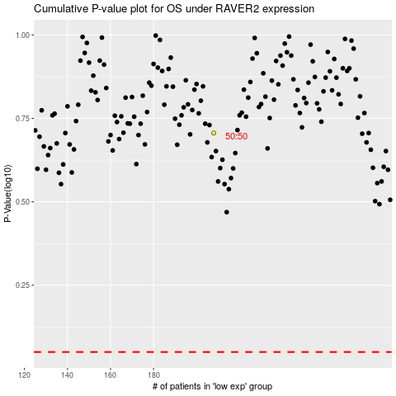

 |  |  |  |  |  | cases_OS | p_OS | rank | exp
 |  |  |  |  |  |  | cases_RFS | p_RFS | rank | exp

