RB1 _multivariate
Reported by Tex Li-Hsing Chi. tex@gate.sinica.edu.tw 2019-08-16

Table 2. The clinicopathological features of HNSCC cohort and RB1 expression. (Chi square test)
Cutoff at -0.016 (49.8%)
 |  | RB1 expression |  | RB1 expression |  | (Optimised)
 | Features | Low | (%) | High | (%) | Case no | P-value | Remark | Matthews
Gender | Female | 156 | 37.6 | 150 | 36.1 | 415 | 0.5222 | 0 | 0
2 | Male | 51 | 12.3 | 58 | 14
Age at diagnosis | <=65y | 145 | 34.9 | 129 | 31.1 | 415 | 0.1046 | 0 | 0
4 | >65y | 62 | 14.9 | 79 | 19
Clinical T Status | T1+T2 | 75 | 18.1 | 74 | 17.8 | 415 | 0.9707 | 0 | 0
6 | T3+T4 | 132 | 31.8 | 134 | 32.3
Clinical N Status | N0 | 102 | 24.6 | 114 | 27.5 | 415 | 0.3031 | 0 | 0
8 | N1-3 | 105 | 25.3 | 94 | 22.7
Clinical M Status | M0 | 204 | 49.2 | 208 | 50.1 | 415 | 0.1232 | 0 | 0
10 | M1 | 3 | 0.7 | 0 | 0
Clinical Stage | Stage I+II | 45 | 10.8 | 57 | 13.7 | 415 | 0.2202 | 0 | 0
12 | Stage III+IV | 162 | 39 | 151 | 36.4
Surgical Margin status | Negative | 153 | 36.9 | 165 | 39.8 | 415 | 0.2036 | 0 | 0
14 | Positive | 54 | 13 | 43 | 10.4
Tobacco Exposure | Low | 80 | 19.3 | 81 | 19.5 | 415 | 1 | 0 | 0
16 | High | 127 | 30.6 | 127 | 30.6

Table 3. Univariate/Multivariate Cox's proportional hazards regression analyses on OS time of RB1 gene expression in HNSCC

 |  | Univariate |  |  |  | Multivariate
 | Features | HR | CI95%(L) | CI95%(H) | P-value | HR | CI95%(L) | CI95%(H) | P-value
1 | Female | 1 |  |  |  | 1
Gender | Male | 1.157 | 0.843 | 1.587 | 0.367 | 1.222 | 0.874 | 1.708 | 0.24
11 | <=65y | 1 |  |  |  | 1
Age at diagnosis | >65y | 1.329 | 0.99 | 1.784 | 0.058 | 1.4 | 1.029 | 1.904 | 0.032
12 | T1+T2 | 1 |  |  |  | 1
Clinical T Status | T3+T4 | 1.409 | 1.028 | 1.931 | 0.033 | 2.17 | 1.148 | 4.104 | 0.017
13 | N0 | 1 |  |  |  | 1
Clinical N Status | N1-3 | 1.185 | 0.89 | 1.577 | 0.246 | 1.238 | 0.868 | 1.764 | 0.239
14 | M0 | 1 |  |  |  | 1
Clinical M Status | M1 | 4.097 | 1.009 | 16.644 | 0.049 | 10.504 | 2.274 | 48.524 | 0.003
15 | Stage I+II | 1 |  |  |  | 1
Clinical Stage | Stage III+IV | 1.245 | 0.882 | 1.759 | 0.213 | 0.527 | 0.245 | 1.133 | 0.101
16 | Negative | 1 |  |  |  | 1
Surgical Margin status | Positive | 1.591 | 1.155 | 2.191 | 0.004 | 1.695 | 1.226 | 2.345 | 0.001
17 | Low | 1 |  |  |  | 1
Tobacco Exposure | High | 1.364 | 1.008 | 1.844 | 0.044 | 1.481 | 1.072 | 2.046 | 0.017
18 | Low | 1 |  |  |  | 1
RNAseq(z-score) | High | 1.16 | 0.87 | 1.547 | 0.311 | 1.252 | 0.932 | 1.68 | 0.135

Table 4. Univariate/Multivariate Cox's proportional hazards regression analyses on RFS time of RB1 gene expression in HNSCC

 |  | Univariate |  |  |  | Multivariate
 | Features | HR | CI95%(L) | CI95%(H) | P-value | HR | CI95%(L) | CI95%(H) | P-value
1 | Female | 1 |  |  |  | 1
Gender | Male | 1.157 | 0.843 | 1.587 | 0.367 | 1.222 | 0.874 | 1.708 | 0.24
11 | <=65y | 1 |  |  |  | 1
Age at diagnosis | >65y | 1.329 | 0.99 | 1.784 | 0.058 | 1.4 | 1.029 | 1.904 | 0.032
12 | T1+T2 | 1 |  |  |  | 1
Clinical T Status | T3+T4 | 1.409 | 1.028 | 1.931 | 0.033 | 2.17 | 1.148 | 4.104 | 0.017
13 | N0 | 1 |  |  |  | 1
Clinical N Status | N1-3 | 1.185 | 0.89 | 1.577 | 0.246 | 1.238 | 0.868 | 1.764 | 0.239
14 | M0 | 1 |  |  |  | 1
Clinical M Status | M1 | 4.097 | 1.009 | 16.644 | 0.049 | 10.504 | 2.274 | 48.524 | 0.003
15 | Stage I+II | 1 |  |  |  | 1
Clinical Stage | Stage III+IV | 1.245 | 0.882 | 1.759 | 0.213 | 0.527 | 0.245 | 1.133 | 0.101
16 | Negative | 1 |  |  |  | 1
Surgical Margin status | Positive | 1.591 | 1.155 | 2.191 | 0.004 | 1.695 | 1.226 | 2.345 | 0.001
17 | Low | 1 |  |  |  | 1
Tobacco Exposure | High | 1.364 | 1.008 | 1.844 | 0.044 | 1.481 | 1.072 | 2.046 | 0.017
18 | Low | 1 |  |  |  | 1
RNAseq(z-score) | High | 1.16 | 0.87 | 1.547 | 0.311 | 1.252 | 0.932 | 1.68 | 0.135

Kaplan-Meier survival estimate: Cutoff at -0.016 (49.8%)



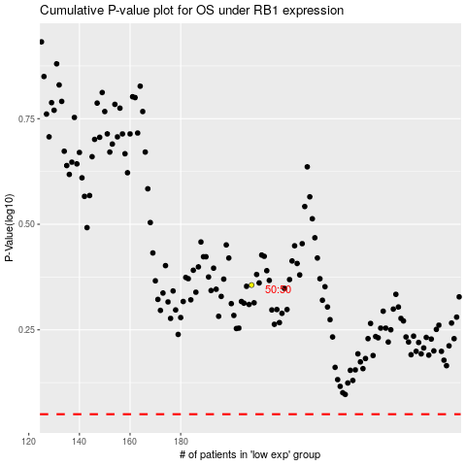

 |  |  |  |  |  | cases_OS | p_OS | rank | exp
 |  |  |  |  |  |  | cases_RFS | p_RFS | rank | exp

