RBBP4 _multivariate
Reported by Tex Li-Hsing Chi. tex@gate.sinica.edu.tw 2019-08-16

Table 2. The clinicopathological features of HNSCC cohort and RBBP4 expression. (Chi square test)
Cutoff at -0.24 (49.8%)
 |  | RBBP4 expression |  | RBBP4 expression |  | (Optimised)
 | Features | Low | (%) | High | (%) | Case no | P-value | Remark | Matthews
Gender | Female | 147 | 35.4 | 159 | 38.3 | 415 | 0.2523 | 0 | 0
2 | Male | 60 | 14.5 | 49 | 11.8
Age at diagnosis | <=65y | 124 | 29.9 | 150 | 36.1 | 415 | 0.0116 | 1 | 0
4 | >65y | 83 | 20 | 58 | 14
Clinical T Status | T1+T2 | 75 | 18.1 | 74 | 17.8 | 415 | 0.9707 | 0 | 0
6 | T3+T4 | 132 | 31.8 | 134 | 32.3
Clinical N Status | N0 | 112 | 27 | 104 | 25.1 | 415 | 0.4599 | 0 | 0
8 | N1-3 | 95 | 22.9 | 104 | 25.1
Clinical M Status | M0 | 204 | 49.2 | 208 | 50.1 | 415 | 0.1232 | 0 | 0
10 | M1 | 3 | 0.7 | 0 | 0
Clinical Stage | Stage I+II | 52 | 12.5 | 50 | 12 | 415 | 0.8871 | 0 | 0
12 | Stage III+IV | 155 | 37.3 | 158 | 38.1
Surgical Margin status | Negative | 161 | 38.8 | 157 | 37.8 | 415 | 0.6429 | 0 | 0
14 | Positive | 46 | 11.1 | 51 | 12.3
Tobacco Exposure | Low | 93 | 22.4 | 68 | 16.4 | 415 | 0.0118 | 1 | 0
16 | High | 114 | 27.5 | 140 | 33.7

Table 3. Univariate/Multivariate Cox's proportional hazards regression analyses on OS time of RBBP4 gene expression in HNSCC

 |  | Univariate |  |  |  | Multivariate
 | Features | HR | CI95%(L) | CI95%(H) | P-value | HR | CI95%(L) | CI95%(H) | P-value
1 | Female | 1 |  |  |  | 1
Gender | Male | 1.157 | 0.843 | 1.587 | 0.367 | 1.189 | 0.85 | 1.664 | 0.311
11 | <=65y | 1 |  |  |  | 1
Age at diagnosis | >65y | 1.329 | 0.99 | 1.784 | 0.058 | 1.358 | 0.998 | 1.849 | 0.052
12 | T1+T2 | 1 |  |  |  | 1
Clinical T Status | T3+T4 | 1.409 | 1.028 | 1.931 | 0.033 | 2.185 | 1.156 | 4.127 | 0.016
13 | N0 | 1 |  |  |  | 1
Clinical N Status | N1-3 | 1.185 | 0.89 | 1.577 | 0.246 | 1.252 | 0.878 | 1.787 | 0.215
14 | M0 | 1 |  |  |  | 1
Clinical M Status | M1 | 4.097 | 1.009 | 16.644 | 0.049 | 8.309 | 1.797 | 38.413 | 0.007
15 | Stage I+II | 1 |  |  |  | 1
Clinical Stage | Stage III+IV | 1.245 | 0.882 | 1.759 | 0.213 | 0.513 | 0.239 | 1.101 | 0.087
16 | Negative | 1 |  |  |  | 1
Surgical Margin status | Positive | 1.591 | 1.155 | 2.191 | 0.004 | 1.664 | 1.205 | 2.298 | 0.002
17 | Low | 1 |  |  |  | 1
Tobacco Exposure | High | 1.364 | 1.008 | 1.844 | 0.044 | 1.49 | 1.079 | 2.057 | 0.016
18 | Low | 1 |  |  |  | 1
RNAseq(z-score) | High | 0.804 | 0.604 | 1.071 | 0.136 | 0.809 | 0.602 | 1.087 | 0.159

Table 4. Univariate/Multivariate Cox's proportional hazards regression analyses on RFS time of RBBP4 gene expression in HNSCC

 |  | Univariate |  |  |  | Multivariate
 | Features | HR | CI95%(L) | CI95%(H) | P-value | HR | CI95%(L) | CI95%(H) | P-value
1 | Female | 1 |  |  |  | 1
Gender | Male | 1.157 | 0.843 | 1.587 | 0.367 | 1.189 | 0.85 | 1.664 | 0.311
11 | <=65y | 1 |  |  |  | 1
Age at diagnosis | >65y | 1.329 | 0.99 | 1.784 | 0.058 | 1.358 | 0.998 | 1.849 | 0.052
12 | T1+T2 | 1 |  |  |  | 1
Clinical T Status | T3+T4 | 1.409 | 1.028 | 1.931 | 0.033 | 2.185 | 1.156 | 4.127 | 0.016
13 | N0 | 1 |  |  |  | 1
Clinical N Status | N1-3 | 1.185 | 0.89 | 1.577 | 0.246 | 1.252 | 0.878 | 1.787 | 0.215
14 | M0 | 1 |  |  |  | 1
Clinical M Status | M1 | 4.097 | 1.009 | 16.644 | 0.049 | 8.309 | 1.797 | 38.413 | 0.007
15 | Stage I+II | 1 |  |  |  | 1
Clinical Stage | Stage III+IV | 1.245 | 0.882 | 1.759 | 0.213 | 0.513 | 0.239 | 1.101 | 0.087
16 | Negative | 1 |  |  |  | 1
Surgical Margin status | Positive | 1.591 | 1.155 | 2.191 | 0.004 | 1.664 | 1.205 | 2.298 | 0.002
17 | Low | 1 |  |  |  | 1
Tobacco Exposure | High | 1.364 | 1.008 | 1.844 | 0.044 | 1.49 | 1.079 | 2.057 | 0.016
18 | Low | 1 |  |  |  | 1
RNAseq(z-score) | High | 0.804 | 0.604 | 1.071 | 0.136 | 0.809 | 0.602 | 1.087 | 0.159

Kaplan-Meier survival estimate: Cutoff at -0.24 (49.8%)



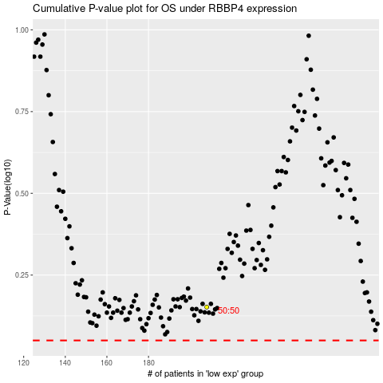

 |  |  |  |  |  | cases_OS | p_OS | rank | exp
 |  |  |  |  |  |  | cases_RFS | p_RFS | rank | exp

