RBBP7 _multivariate
Reported by Tex Li-Hsing Chi. tex@gate.sinica.edu.tw 2019-08-16

Table 2. The clinicopathological features of HNSCC cohort and RBBP7 expression. (Chi square test)
Cutoff at -0.268 (49.8%)
 |  | RBBP7 expression |  | RBBP7 expression |  | (Optimised)
 | Features | Low | (%) | High | (%) | Case no | P-value | Remark | Matthews
Gender | Female | 149 | 35.9 | 157 | 37.8 | 415 | 0.4848 | 0 | 0
2 | Male | 58 | 14 | 51 | 12.3
Age at diagnosis | <=65y | 133 | 32 | 141 | 34 | 415 | 0.5111 | 0 | 0
4 | >65y | 74 | 17.8 | 67 | 16.1
Clinical T Status | T1+T2 | 70 | 16.9 | 79 | 19 | 415 | 0.4343 | 0 | 0
6 | T3+T4 | 137 | 33 | 129 | 31.1
Clinical N Status | N0 | 112 | 27 | 104 | 25.1 | 415 | 0.4599 | 0 | 0
8 | N1-3 | 95 | 22.9 | 104 | 25.1
Clinical M Status | M0 | 205 | 49.4 | 207 | 49.9 | 415 | 0.6232 | 0 | 0
10 | M1 | 2 | 0.5 | 1 | 0.2
Clinical Stage | Stage I+II | 54 | 13 | 48 | 11.6 | 415 | 0.5498 | 0 | 0
12 | Stage III+IV | 153 | 36.9 | 160 | 38.6
Surgical Margin status | Negative | 172 | 41.4 | 146 | 35.2 | 415 | 0.0025 | 1 | 0
14 | Positive | 35 | 8.4 | 62 | 14.9
Tobacco Exposure | Low | 84 | 20.2 | 77 | 18.6 | 415 | 0.4816 | 0 | 0
16 | High | 123 | 29.6 | 131 | 31.6

Table 3. Univariate/Multivariate Cox's proportional hazards regression analyses on OS time of RBBP7 gene expression in HNSCC

 |  | Univariate |  |  |  | Multivariate
 | Features | HR | CI95%(L) | CI95%(H) | P-value | HR | CI95%(L) | CI95%(H) | P-value
1 | Female | 1 |  |  |  | 1
Gender | Male | 1.157 | 0.843 | 1.587 | 0.367 | 1.207 | 0.864 | 1.688 | 0.271
11 | <=65y | 1 |  |  |  | 1
Age at diagnosis | >65y | 1.329 | 0.99 | 1.784 | 0.058 | 1.395 | 1.026 | 1.897 | 0.034
12 | T1+T2 | 1 |  |  |  | 1
Clinical T Status | T3+T4 | 1.409 | 1.028 | 1.931 | 0.033 | 2.219 | 1.172 | 4.201 | 0.014
13 | N0 | 1 |  |  |  | 1
Clinical N Status | N1-3 | 1.185 | 0.89 | 1.577 | 0.246 | 1.238 | 0.868 | 1.767 | 0.239
14 | M0 | 1 |  |  |  | 1
Clinical M Status | M1 | 4.097 | 1.009 | 16.644 | 0.049 | 9.551 | 2.08 | 43.863 | 0.004
15 | Stage I+II | 1 |  |  |  | 1
Clinical Stage | Stage III+IV | 1.245 | 0.882 | 1.759 | 0.213 | 0.502 | 0.234 | 1.077 | 0.077
16 | Negative | 1 |  |  |  | 1
Surgical Margin status | Positive | 1.591 | 1.155 | 2.191 | 0.004 | 1.653 | 1.191 | 2.295 | 0.003
17 | Low | 1 |  |  |  | 1
Tobacco Exposure | High | 1.364 | 1.008 | 1.844 | 0.044 | 1.45 | 1.052 | 1.999 | 0.023
18 | Low | 1 |  |  |  | 1
RNAseq(z-score) | High | 1.076 | 0.808 | 1.433 | 0.615 | 1.06 | 0.791 | 1.421 | 0.697

Table 4. Univariate/Multivariate Cox's proportional hazards regression analyses on RFS time of RBBP7 gene expression in HNSCC

 |  | Univariate |  |  |  | Multivariate
 | Features | HR | CI95%(L) | CI95%(H) | P-value | HR | CI95%(L) | CI95%(H) | P-value
1 | Female | 1 |  |  |  | 1
Gender | Male | 1.157 | 0.843 | 1.587 | 0.367 | 1.207 | 0.864 | 1.688 | 0.271
11 | <=65y | 1 |  |  |  | 1
Age at diagnosis | >65y | 1.329 | 0.99 | 1.784 | 0.058 | 1.395 | 1.026 | 1.897 | 0.034
12 | T1+T2 | 1 |  |  |  | 1
Clinical T Status | T3+T4 | 1.409 | 1.028 | 1.931 | 0.033 | 2.219 | 1.172 | 4.201 | 0.014
13 | N0 | 1 |  |  |  | 1
Clinical N Status | N1-3 | 1.185 | 0.89 | 1.577 | 0.246 | 1.238 | 0.868 | 1.767 | 0.239
14 | M0 | 1 |  |  |  | 1
Clinical M Status | M1 | 4.097 | 1.009 | 16.644 | 0.049 | 9.551 | 2.08 | 43.863 | 0.004
15 | Stage I+II | 1 |  |  |  | 1
Clinical Stage | Stage III+IV | 1.245 | 0.882 | 1.759 | 0.213 | 0.502 | 0.234 | 1.077 | 0.077
16 | Negative | 1 |  |  |  | 1
Surgical Margin status | Positive | 1.591 | 1.155 | 2.191 | 0.004 | 1.653 | 1.191 | 2.295 | 0.003
17 | Low | 1 |  |  |  | 1
Tobacco Exposure | High | 1.364 | 1.008 | 1.844 | 0.044 | 1.45 | 1.052 | 1.999 | 0.023
18 | Low | 1 |  |  |  | 1
RNAseq(z-score) | High | 1.076 | 0.808 | 1.433 | 0.615 | 1.06 | 0.791 | 1.421 | 0.697

Kaplan-Meier survival estimate: Cutoff at -0.268 (49.8%)



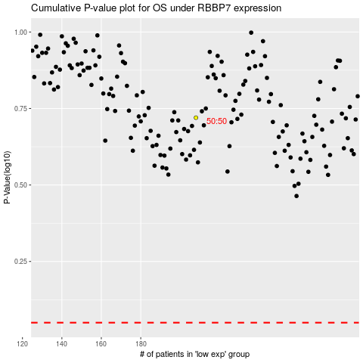

 |  |  |  |  |  | cases_OS | p_OS | rank | exp
 |  |  |  |  |  |  | cases_RFS | p_RFS | rank | exp

