RBCK1 _multivariate
Reported by Tex Li-Hsing Chi. tex@gate.sinica.edu.tw 2019-08-16

Table 2. The clinicopathological features of HNSCC cohort and RBCK1 expression. (Chi square test)
Cutoff at -0.181 (49.8%)
 |  | RBCK1 expression |  | RBCK1 expression |  | (Optimised)
 | Features | Low | (%) | High | (%) | Case no | P-value | Remark | Matthews
Gender | Female | 158 | 38.1 | 148 | 35.7 | 415 | 0.2774 | 0 | 0
2 | Male | 49 | 11.8 | 60 | 14.5
Age at diagnosis | <=65y | 136 | 32.8 | 138 | 33.3 | 415 | 0.9719 | 0 | 0
4 | >65y | 71 | 17.1 | 70 | 16.9
Clinical T Status | T1+T2 | 78 | 18.8 | 71 | 17.1 | 415 | 0.5152 | 0 | 0
6 | T3+T4 | 129 | 31.1 | 137 | 33
Clinical N Status | N0 | 104 | 25.1 | 112 | 27 | 415 | 0.5243 | 0 | 0
8 | N1-3 | 103 | 24.8 | 96 | 23.1
Clinical M Status | M0 | 207 | 49.9 | 205 | 49.4 | 415 | 0.2482 | 0 | 0
10 | M1 | 0 | 0 | 3 | 0.7
Clinical Stage | Stage I+II | 53 | 12.8 | 49 | 11.8 | 415 | 0.7113 | 0 | 0
12 | Stage III+IV | 154 | 37.1 | 159 | 38.3
Surgical Margin status | Negative | 154 | 37.1 | 164 | 39.5 | 415 | 0.2984 | 0 | 0
14 | Positive | 53 | 12.8 | 44 | 10.6
Tobacco Exposure | Low | 66 | 15.9 | 95 | 22.9 | 415 | 0.0048 | 1 | 0
16 | High | 141 | 34 | 113 | 27.2

Table 3. Univariate/Multivariate Cox's proportional hazards regression analyses on OS time of RBCK1 gene expression in HNSCC

 |  | Univariate |  |  |  | Multivariate
 | Features | HR | CI95%(L) | CI95%(H) | P-value | HR | CI95%(L) | CI95%(H) | P-value
1 | Female | 1 |  |  |  | 1
Gender | Male | 1.157 | 0.843 | 1.587 | 0.367 | 1.191 | 0.85 | 1.667 | 0.309
11 | <=65y | 1 |  |  |  | 1
Age at diagnosis | >65y | 1.329 | 0.99 | 1.784 | 0.058 | 1.398 | 1.028 | 1.902 | 0.033
12 | T1+T2 | 1 |  |  |  | 1
Clinical T Status | T3+T4 | 1.409 | 1.028 | 1.931 | 0.033 | 2.2 | 1.164 | 4.161 | 0.015
13 | N0 | 1 |  |  |  | 1
Clinical N Status | N1-3 | 1.185 | 0.89 | 1.577 | 0.246 | 1.247 | 0.873 | 1.779 | 0.225
14 | M0 | 1 |  |  |  | 1
Clinical M Status | M1 | 4.097 | 1.009 | 16.644 | 0.049 | 9.013 | 1.95 | 41.65 | 0.005
15 | Stage I+II | 1 |  |  |  | 1
Clinical Stage | Stage III+IV | 1.245 | 0.882 | 1.759 | 0.213 | 0.503 | 0.234 | 1.079 | 0.078
16 | Negative | 1 |  |  |  | 1
Surgical Margin status | Positive | 1.591 | 1.155 | 2.191 | 0.004 | 1.673 | 1.211 | 2.312 | 0.002
17 | Low | 1 |  |  |  | 1
Tobacco Exposure | High | 1.364 | 1.008 | 1.844 | 0.044 | 1.47 | 1.064 | 2.032 | 0.02
18 | Low | 1 |  |  |  | 1
RNAseq(z-score) | High | 1.048 | 0.786 | 1.398 | 0.75 | 1.082 | 0.806 | 1.454 | 0.599

Table 4. Univariate/Multivariate Cox's proportional hazards regression analyses on RFS time of RBCK1 gene expression in HNSCC

 |  | Univariate |  |  |  | Multivariate
 | Features | HR | CI95%(L) | CI95%(H) | P-value | HR | CI95%(L) | CI95%(H) | P-value
1 | Female | 1 |  |  |  | 1
Gender | Male | 1.157 | 0.843 | 1.587 | 0.367 | 1.191 | 0.85 | 1.667 | 0.309
11 | <=65y | 1 |  |  |  | 1
Age at diagnosis | >65y | 1.329 | 0.99 | 1.784 | 0.058 | 1.398 | 1.028 | 1.902 | 0.033
12 | T1+T2 | 1 |  |  |  | 1
Clinical T Status | T3+T4 | 1.409 | 1.028 | 1.931 | 0.033 | 2.2 | 1.164 | 4.161 | 0.015
13 | N0 | 1 |  |  |  | 1
Clinical N Status | N1-3 | 1.185 | 0.89 | 1.577 | 0.246 | 1.247 | 0.873 | 1.779 | 0.225
14 | M0 | 1 |  |  |  | 1
Clinical M Status | M1 | 4.097 | 1.009 | 16.644 | 0.049 | 9.013 | 1.95 | 41.65 | 0.005
15 | Stage I+II | 1 |  |  |  | 1
Clinical Stage | Stage III+IV | 1.245 | 0.882 | 1.759 | 0.213 | 0.503 | 0.234 | 1.079 | 0.078
16 | Negative | 1 |  |  |  | 1
Surgical Margin status | Positive | 1.591 | 1.155 | 2.191 | 0.004 | 1.673 | 1.211 | 2.312 | 0.002
17 | Low | 1 |  |  |  | 1
Tobacco Exposure | High | 1.364 | 1.008 | 1.844 | 0.044 | 1.47 | 1.064 | 2.032 | 0.02
18 | Low | 1 |  |  |  | 1
RNAseq(z-score) | High | 1.048 | 0.786 | 1.398 | 0.75 | 1.082 | 0.806 | 1.454 | 0.599

Kaplan-Meier survival estimate: Cutoff at -0.181 (49.8%)



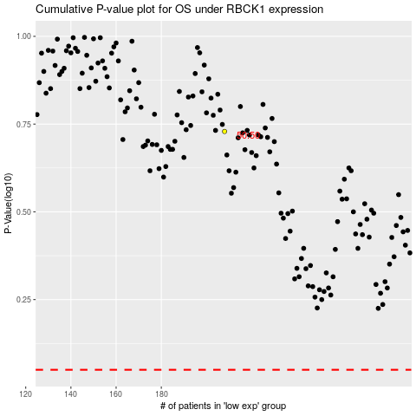

 |  |  |  |  |  | cases_OS | p_OS | rank | exp
 |  |  |  |  |  |  | cases_RFS | p_RFS | rank | exp

