RBKS _multivariate
Reported by Tex Li-Hsing Chi. tex@gate.sinica.edu.tw 2019-08-16

Table 2. The clinicopathological features of HNSCC cohort and RBKS expression. (Chi square test)
Cutoff at -0.414 (41.5%)
 |  | RBKS expression |  | RBKS expression |  | (Optimised)
 | Features | Low | (%) | High | (%) | Case no | P-value | Remark | Matthews
Gender | Female | 130 | 31.3 | 176 | 42.4 | 415 | 0.5446 | 0 | 0
2 | Male | 42 | 10.1 | 67 | 16.1
Age at diagnosis | <=65y | 113 | 27.2 | 161 | 38.8 | 415 | 0.9897 | 0 | 0
4 | >65y | 59 | 14.2 | 82 | 19.8
Clinical T Status | T1+T2 | 55 | 13.3 | 94 | 22.7 | 415 | 0.1939 | 0 | 0
6 | T3+T4 | 117 | 28.2 | 149 | 35.9
Clinical N Status | N0 | 90 | 21.7 | 126 | 30.4 | 415 | 1 | 0 | 0
8 | N1-3 | 82 | 19.8 | 117 | 28.2
Clinical M Status | M0 | 172 | 41.4 | 240 | 57.8 | 415 | 0.2702 | 0 | 0
10 | M1 | 0 | 0 | 3 | 0.7
Clinical Stage | Stage I+II | 41 | 9.9 | 61 | 14.7 | 415 | 0.8577 | 0 | 0
12 | Stage III+IV | 131 | 31.6 | 182 | 43.9
Surgical Margin status | Negative | 124 | 29.9 | 194 | 46.7 | 415 | 0.0774 | 0 | 0
14 | Positive | 48 | 11.6 | 49 | 11.8
Tobacco Exposure | Low | 53 | 12.8 | 108 | 26 | 415 | 0.0057 | 1 | 0
16 | High | 119 | 28.7 | 135 | 32.5

Table 3. Univariate/Multivariate Cox's proportional hazards regression analyses on OS time of RBKS gene expression in HNSCC

 |  | Univariate |  |  |  | Multivariate
 | Features | HR | CI95%(L) | CI95%(H) | P-value | HR | CI95%(L) | CI95%(H) | P-value
1 | Female | 1 |  |  |  | 1
Gender | Male | 1.157 | 0.843 | 1.587 | 0.367 | 1.231 | 0.881 | 1.719 | 0.223
11 | <=65y | 1 |  |  |  | 1
Age at diagnosis | >65y | 1.329 | 0.99 | 1.784 | 0.058 | 1.393 | 1.024 | 1.895 | 0.035
12 | T1+T2 | 1 |  |  |  | 1
Clinical T Status | T3+T4 | 1.409 | 1.028 | 1.931 | 0.033 | 2.21 | 1.17 | 4.176 | 0.015
13 | N0 | 1 |  |  |  | 1
Clinical N Status | N1-3 | 1.185 | 0.89 | 1.577 | 0.246 | 1.252 | 0.877 | 1.787 | 0.216
14 | M0 | 1 |  |  |  | 1
Clinical M Status | M1 | 4.097 | 1.009 | 16.644 | 0.049 | 10.83 | 2.343 | 50.064 | 0.002
15 | Stage I+II | 1 |  |  |  | 1
Clinical Stage | Stage III+IV | 1.245 | 0.882 | 1.759 | 0.213 | 0.491 | 0.229 | 1.054 | 0.068
16 | Negative | 1 |  |  |  | 1
Surgical Margin status | Positive | 1.591 | 1.155 | 2.191 | 0.004 | 1.647 | 1.191 | 2.277 | 0.003
17 | Low | 1 |  |  |  | 1
Tobacco Exposure | High | 1.364 | 1.008 | 1.844 | 0.044 | 1.41 | 1.022 | 1.946 | 0.036
18 | Low | 1 |  |  |  | 1
RNAseq(z-score) | High | 0.726 | 0.544 | 0.968 | 0.029 | 0.752 | 0.56 | 1.01 | 0.058

Table 4. Univariate/Multivariate Cox's proportional hazards regression analyses on RFS time of RBKS gene expression in HNSCC

 |  | Univariate |  |  |  | Multivariate
 | Features | HR | CI95%(L) | CI95%(H) | P-value | HR | CI95%(L) | CI95%(H) | P-value
1 | Female | 1 |  |  |  | 1
Gender | Male | 1.157 | 0.843 | 1.587 | 0.367 | 1.231 | 0.881 | 1.719 | 0.223
11 | <=65y | 1 |  |  |  | 1
Age at diagnosis | >65y | 1.329 | 0.99 | 1.784 | 0.058 | 1.393 | 1.024 | 1.895 | 0.035
12 | T1+T2 | 1 |  |  |  | 1
Clinical T Status | T3+T4 | 1.409 | 1.028 | 1.931 | 0.033 | 2.21 | 1.17 | 4.176 | 0.015
13 | N0 | 1 |  |  |  | 1
Clinical N Status | N1-3 | 1.185 | 0.89 | 1.577 | 0.246 | 1.252 | 0.877 | 1.787 | 0.216
14 | M0 | 1 |  |  |  | 1
Clinical M Status | M1 | 4.097 | 1.009 | 16.644 | 0.049 | 10.83 | 2.343 | 50.064 | 0.002
15 | Stage I+II | 1 |  |  |  | 1
Clinical Stage | Stage III+IV | 1.245 | 0.882 | 1.759 | 0.213 | 0.491 | 0.229 | 1.054 | 0.068
16 | Negative | 1 |  |  |  | 1
Surgical Margin status | Positive | 1.591 | 1.155 | 2.191 | 0.004 | 1.647 | 1.191 | 2.277 | 0.003
17 | Low | 1 |  |  |  | 1
Tobacco Exposure | High | 1.364 | 1.008 | 1.844 | 0.044 | 1.41 | 1.022 | 1.946 | 0.036
18 | Low | 1 |  |  |  | 1
RNAseq(z-score) | High | 0.726 | 0.544 | 0.968 | 0.029 | 0.752 | 0.56 | 1.01 | 0.058

Kaplan-Meier survival estimate: Cutoff at -0.414 (41.5%)



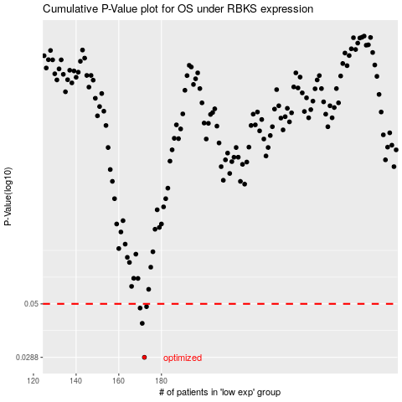

 |  |  |  |  |  | cases_OS | p_OS | rank | exp
 |  |  |  |  |  | 172 | 0.0288 | 175 | -0.41444192575
 |  |  |  |  |  | 171 | 0.0409 | 115 | -0.4192777963
 |  |  |  |  |  | 170 | 0.0479 | 251 | -0.42207673957
 |  |  |  |  |  | 173 | 0.0486 | 234 | -0.41186865644
 |  |  |  |  |  |  | cases_RFS | p_RFS | rank | exp
 |  |  |  |  |  |  | 171 | 0.0288 | 115 | -0.4192777963
 |  |  |  |  |  |  | 170 | 0.0409 | 251 | -0.42207673957
 |  |  |  |  |  |  | 169 | 0.0479 | 222 | -0.42959725099
 |  |  |  |  |  |  | 172 | 0.0486 | 175 | -0.41444192575

