RBM10 _multivariate
Reported by Tex Li-Hsing Chi. tex@gate.sinica.edu.tw 2019-08-16

Table 2. The clinicopathological features of HNSCC cohort and RBM10 expression. (Chi square test)
Cutoff at -0.193 (49.8%)
 |  | RBM10 expression |  | RBM10 expression |  | (Optimised)
 | Features | Low | (%) | High | (%) | Case no | P-value | Remark | Matthews
Gender | Female | 141 | 34 | 165 | 39.8 | 415 | 0.013 | 1 | 0
2 | Male | 66 | 15.9 | 43 | 10.4
Age at diagnosis | <=65y | 136 | 32.8 | 138 | 33.3 | 415 | 0.9719 | 0 | 0
4 | >65y | 71 | 17.1 | 70 | 16.9
Clinical T Status | T1+T2 | 66 | 15.9 | 83 | 20 | 415 | 0.1095 | 0 | 0
6 | T3+T4 | 141 | 34 | 125 | 30.1
Clinical N Status | N0 | 110 | 26.5 | 106 | 25.5 | 415 | 0.7294 | 0 | 0
8 | N1-3 | 97 | 23.4 | 102 | 24.6
Clinical M Status | M0 | 207 | 49.9 | 205 | 49.4 | 415 | 0.2482 | 0 | 0
10 | M1 | 0 | 0 | 3 | 0.7
Clinical Stage | Stage I+II | 49 | 11.8 | 53 | 12.8 | 415 | 0.7535 | 0 | 0
12 | Stage III+IV | 158 | 38.1 | 155 | 37.3
Surgical Margin status | Negative | 167 | 40.2 | 151 | 36.4 | 415 | 0.0632 | 0 | 0
14 | Positive | 40 | 9.6 | 57 | 13.7
Tobacco Exposure | Low | 80 | 19.3 | 81 | 19.5 | 415 | 1 | 0 | 0
16 | High | 127 | 30.6 | 127 | 30.6

Table 3. Univariate/Multivariate Cox's proportional hazards regression analyses on OS time of RBM10 gene expression in HNSCC

 |  | Univariate |  |  |  | Multivariate
 | Features | HR | CI95%(L) | CI95%(H) | P-value | HR | CI95%(L) | CI95%(H) | P-value
1 | Female | 1 |  |  |  | 1
Gender | Male | 1.157 | 0.843 | 1.587 | 0.367 | 1.186 | 0.846 | 1.661 | 0.323
11 | <=65y | 1 |  |  |  | 1
Age at diagnosis | >65y | 1.329 | 0.99 | 1.784 | 0.058 | 1.396 | 1.027 | 1.898 | 0.033
12 | T1+T2 | 1 |  |  |  | 1
Clinical T Status | T3+T4 | 1.409 | 1.028 | 1.931 | 0.033 | 2.191 | 1.159 | 4.143 | 0.016
13 | N0 | 1 |  |  |  | 1
Clinical N Status | N1-3 | 1.185 | 0.89 | 1.577 | 0.246 | 1.243 | 0.871 | 1.774 | 0.23
14 | M0 | 1 |  |  |  | 1
Clinical M Status | M1 | 4.097 | 1.009 | 16.644 | 0.049 | 9.757 | 2.117 | 44.981 | 0.003
15 | Stage I+II | 1 |  |  |  | 1
Clinical Stage | Stage III+IV | 1.245 | 0.882 | 1.759 | 0.213 | 0.504 | 0.235 | 1.083 | 0.079
16 | Negative | 1 |  |  |  | 1
Surgical Margin status | Positive | 1.591 | 1.155 | 2.191 | 0.004 | 1.69 | 1.22 | 2.34 | 0.002
17 | Low | 1 |  |  |  | 1
Tobacco Exposure | High | 1.364 | 1.008 | 1.844 | 0.044 | 1.449 | 1.052 | 1.997 | 0.023
18 | Low | 1 |  |  |  | 1
RNAseq(z-score) | High | 0.941 | 0.706 | 1.255 | 0.681 | 0.92 | 0.686 | 1.235 | 0.579

Table 4. Univariate/Multivariate Cox's proportional hazards regression analyses on RFS time of RBM10 gene expression in HNSCC

 |  | Univariate |  |  |  | Multivariate
 | Features | HR | CI95%(L) | CI95%(H) | P-value | HR | CI95%(L) | CI95%(H) | P-value
1 | Female | 1 |  |  |  | 1
Gender | Male | 1.157 | 0.843 | 1.587 | 0.367 | 1.186 | 0.846 | 1.661 | 0.323
11 | <=65y | 1 |  |  |  | 1
Age at diagnosis | >65y | 1.329 | 0.99 | 1.784 | 0.058 | 1.396 | 1.027 | 1.898 | 0.033
12 | T1+T2 | 1 |  |  |  | 1
Clinical T Status | T3+T4 | 1.409 | 1.028 | 1.931 | 0.033 | 2.191 | 1.159 | 4.143 | 0.016
13 | N0 | 1 |  |  |  | 1
Clinical N Status | N1-3 | 1.185 | 0.89 | 1.577 | 0.246 | 1.243 | 0.871 | 1.774 | 0.23
14 | M0 | 1 |  |  |  | 1
Clinical M Status | M1 | 4.097 | 1.009 | 16.644 | 0.049 | 9.757 | 2.117 | 44.981 | 0.003
15 | Stage I+II | 1 |  |  |  | 1
Clinical Stage | Stage III+IV | 1.245 | 0.882 | 1.759 | 0.213 | 0.504 | 0.235 | 1.083 | 0.079
16 | Negative | 1 |  |  |  | 1
Surgical Margin status | Positive | 1.591 | 1.155 | 2.191 | 0.004 | 1.69 | 1.22 | 2.34 | 0.002
17 | Low | 1 |  |  |  | 1
Tobacco Exposure | High | 1.364 | 1.008 | 1.844 | 0.044 | 1.449 | 1.052 | 1.997 | 0.023
18 | Low | 1 |  |  |  | 1
RNAseq(z-score) | High | 0.941 | 0.706 | 1.255 | 0.681 | 0.92 | 0.686 | 1.235 | 0.579

Kaplan-Meier survival estimate: Cutoff at -0.193 (49.8%)



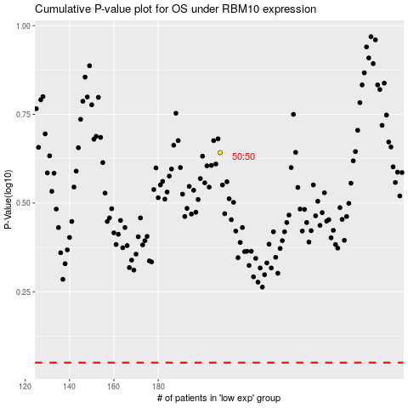

 |  |  |  |  |  | cases_OS | p_OS | rank | exp
 |  |  |  |  |  |  | cases_RFS | p_RFS | rank | exp

