RBM12B _multivariate
Reported by Tex Li-Hsing Chi. tex@gate.sinica.edu.tw 2019-08-16

Table 2. The clinicopathological features of HNSCC cohort and RBM12B expression. (Chi square test)
Cutoff at -0.144 (49.8%)
 |  | RBM12B expression |  | RBM12B expression |  | (Optimised)
 | Features | Low | (%) | High | (%) | Case no | P-value | Remark | Matthews
Gender | Female | 152 | 36.6 | 154 | 37.1 | 415 | 0.9766 | 0 | 0
2 | Male | 55 | 13.3 | 54 | 13
Age at diagnosis | <=65y | 139 | 33.5 | 135 | 32.5 | 415 | 0.7044 | 0 | 0
4 | >65y | 68 | 16.4 | 73 | 17.6
Clinical T Status | T1+T2 | 62 | 14.9 | 87 | 21 | 415 | 0.0156 | 1 | 0
6 | T3+T4 | 145 | 34.9 | 121 | 29.2
Clinical N Status | N0 | 99 | 23.9 | 117 | 28.2 | 415 | 0.1054 | 0 | 0
8 | N1-3 | 108 | 26 | 91 | 21.9
Clinical M Status | M0 | 205 | 49.4 | 207 | 49.9 | 415 | 0.6232 | 0 | 0
10 | M1 | 2 | 0.5 | 1 | 0.2
Clinical Stage | Stage I+II | 38 | 9.2 | 64 | 15.4 | 415 | 0.0048 | 1 | 0
12 | Stage III+IV | 169 | 40.7 | 144 | 34.7
Surgical Margin status | Negative | 158 | 38.1 | 160 | 38.6 | 415 | 0.9081 | 0 | 0
14 | Positive | 49 | 11.8 | 48 | 11.6
Tobacco Exposure | Low | 85 | 20.5 | 76 | 18.3 | 415 | 0.3655 | 0 | 0
16 | High | 122 | 29.4 | 132 | 31.8

Table 3. Univariate/Multivariate Cox's proportional hazards regression analyses on OS time of RBM12B gene expression in HNSCC

 |  | Univariate |  |  |  | Multivariate
 | Features | HR | CI95%(L) | CI95%(H) | P-value | HR | CI95%(L) | CI95%(H) | P-value
1 | Female | 1 |  |  |  | 1
Gender | Male | 1.157 | 0.843 | 1.587 | 0.367 | 1.2 | 0.859 | 1.678 | 0.285
11 | <=65y | 1 |  |  |  | 1
Age at diagnosis | >65y | 1.329 | 0.99 | 1.784 | 0.058 | 1.394 | 1.024 | 1.896 | 0.035
12 | T1+T2 | 1 |  |  |  | 1
Clinical T Status | T3+T4 | 1.409 | 1.028 | 1.931 | 0.033 | 2.199 | 1.162 | 4.161 | 0.015
13 | N0 | 1 |  |  |  | 1
Clinical N Status | N1-3 | 1.185 | 0.89 | 1.577 | 0.246 | 1.24 | 0.869 | 1.77 | 0.236
14 | M0 | 1 |  |  |  | 1
Clinical M Status | M1 | 4.097 | 1.009 | 16.644 | 0.049 | 9.358 | 2.035 | 43.039 | 0.004
15 | Stage I+II | 1 |  |  |  | 1
Clinical Stage | Stage III+IV | 1.245 | 0.882 | 1.759 | 0.213 | 0.504 | 0.235 | 1.082 | 0.079
16 | Negative | 1 |  |  |  | 1
Surgical Margin status | Positive | 1.591 | 1.155 | 2.191 | 0.004 | 1.671 | 1.209 | 2.309 | 0.002
17 | Low | 1 |  |  |  | 1
Tobacco Exposure | High | 1.364 | 1.008 | 1.844 | 0.044 | 1.454 | 1.055 | 2.004 | 0.022
18 | Low | 1 |  |  |  | 1
RNAseq(z-score) | High | 0.947 | 0.71 | 1.262 | 0.711 | 0.985 | 0.735 | 1.321 | 0.92

Table 4. Univariate/Multivariate Cox's proportional hazards regression analyses on RFS time of RBM12B gene expression in HNSCC

 |  | Univariate |  |  |  | Multivariate
 | Features | HR | CI95%(L) | CI95%(H) | P-value | HR | CI95%(L) | CI95%(H) | P-value
1 | Female | 1 |  |  |  | 1
Gender | Male | 1.157 | 0.843 | 1.587 | 0.367 | 1.2 | 0.859 | 1.678 | 0.285
11 | <=65y | 1 |  |  |  | 1
Age at diagnosis | >65y | 1.329 | 0.99 | 1.784 | 0.058 | 1.394 | 1.024 | 1.896 | 0.035
12 | T1+T2 | 1 |  |  |  | 1
Clinical T Status | T3+T4 | 1.409 | 1.028 | 1.931 | 0.033 | 2.199 | 1.162 | 4.161 | 0.015
13 | N0 | 1 |  |  |  | 1
Clinical N Status | N1-3 | 1.185 | 0.89 | 1.577 | 0.246 | 1.24 | 0.869 | 1.77 | 0.236
14 | M0 | 1 |  |  |  | 1
Clinical M Status | M1 | 4.097 | 1.009 | 16.644 | 0.049 | 9.358 | 2.035 | 43.039 | 0.004
15 | Stage I+II | 1 |  |  |  | 1
Clinical Stage | Stage III+IV | 1.245 | 0.882 | 1.759 | 0.213 | 0.504 | 0.235 | 1.082 | 0.079
16 | Negative | 1 |  |  |  | 1
Surgical Margin status | Positive | 1.591 | 1.155 | 2.191 | 0.004 | 1.671 | 1.209 | 2.309 | 0.002
17 | Low | 1 |  |  |  | 1
Tobacco Exposure | High | 1.364 | 1.008 | 1.844 | 0.044 | 1.454 | 1.055 | 2.004 | 0.022
18 | Low | 1 |  |  |  | 1
RNAseq(z-score) | High | 0.947 | 0.71 | 1.262 | 0.711 | 0.985 | 0.735 | 1.321 | 0.92

Kaplan-Meier survival estimate: Cutoff at -0.144 (49.8%)



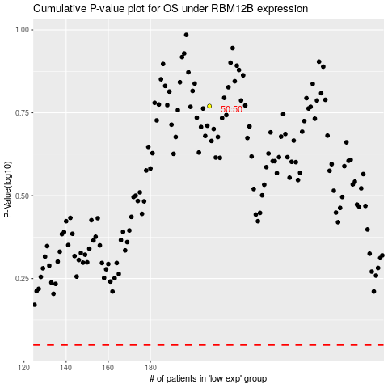

 |  |  |  |  |  | cases_OS | p_OS | rank | exp
 |  |  |  |  |  |  | cases_RFS | p_RFS | rank | exp

