RBM14 _multivariate
Reported by Tex Li-Hsing Chi. tex@gate.sinica.edu.tw 2019-08-16

Table 2. The clinicopathological features of HNSCC cohort and RBM14 expression. (Chi square test)
Cutoff at -0.17 (49.8%)
 |  | RBM14 expression |  | RBM14 expression |  | (Optimised)
 | Features | Low | (%) | High | (%) | Case no | P-value | Remark | Matthews
Gender | Female | 140 | 33.7 | 166 | 40 | 415 | 0.0068 | 1 | 0
2 | Male | 67 | 16.1 | 42 | 10.1
Age at diagnosis | <=65y | 138 | 33.3 | 136 | 32.8 | 415 | 0.8634 | 0 | 0
4 | >65y | 69 | 16.6 | 72 | 17.3
Clinical T Status | T1+T2 | 57 | 13.7 | 92 | 22.2 | 415 | 6e-04 | 1 | 0
6 | T3+T4 | 150 | 36.1 | 116 | 28
Clinical N Status | N0 | 99 | 23.9 | 117 | 28.2 | 415 | 0.1054 | 0 | 0
8 | N1-3 | 108 | 26 | 91 | 21.9
Clinical M Status | M0 | 206 | 49.6 | 206 | 49.6 | 415 | 1 | 0 | 0
10 | M1 | 1 | 0.2 | 2 | 0.5
Clinical Stage | Stage I+II | 39 | 9.4 | 63 | 15.2 | 415 | 0.0095 | 1 | 0
12 | Stage III+IV | 168 | 40.5 | 145 | 34.9
Surgical Margin status | Negative | 164 | 39.5 | 154 | 37.1 | 415 | 0.2462 | 0 | 0
14 | Positive | 43 | 10.4 | 54 | 13
Tobacco Exposure | Low | 83 | 20 | 78 | 18.8 | 415 | 0.6152 | 0 | 0
16 | High | 124 | 29.9 | 130 | 31.3

Table 3. Univariate/Multivariate Cox's proportional hazards regression analyses on OS time of RBM14 gene expression in HNSCC

 |  | Univariate |  |  |  | Multivariate
 | Features | HR | CI95%(L) | CI95%(H) | P-value | HR | CI95%(L) | CI95%(H) | P-value
1 | Female | 1 |  |  |  | 1
Gender | Male | 1.157 | 0.843 | 1.587 | 0.367 | 1.232 | 0.877 | 1.732 | 0.229
11 | <=65y | 1 |  |  |  | 1
Age at diagnosis | >65y | 1.329 | 0.99 | 1.784 | 0.058 | 1.383 | 1.016 | 1.881 | 0.039
12 | T1+T2 | 1 |  |  |  | 1
Clinical T Status | T3+T4 | 1.409 | 1.028 | 1.931 | 0.033 | 2.258 | 1.191 | 4.281 | 0.013
13 | N0 | 1 |  |  |  | 1
Clinical N Status | N1-3 | 1.185 | 0.89 | 1.577 | 0.246 | 1.25 | 0.876 | 1.784 | 0.219
14 | M0 | 1 |  |  |  | 1
Clinical M Status | M1 | 4.097 | 1.009 | 16.644 | 0.049 | 9.504 | 2.072 | 43.583 | 0.004
15 | Stage I+II | 1 |  |  |  | 1
Clinical Stage | Stage III+IV | 1.245 | 0.882 | 1.759 | 0.213 | 0.498 | 0.232 | 1.07 | 0.074
16 | Negative | 1 |  |  |  | 1
Surgical Margin status | Positive | 1.591 | 1.155 | 2.191 | 0.004 | 1.652 | 1.194 | 2.286 | 0.002
17 | Low | 1 |  |  |  | 1
Tobacco Exposure | High | 1.364 | 1.008 | 1.844 | 0.044 | 1.444 | 1.047 | 1.992 | 0.025
18 | Low | 1 |  |  |  | 1
RNAseq(z-score) | High | 1.086 | 0.815 | 1.447 | 0.573 | 1.13 | 0.839 | 1.522 | 0.421

Table 4. Univariate/Multivariate Cox's proportional hazards regression analyses on RFS time of RBM14 gene expression in HNSCC

 |  | Univariate |  |  |  | Multivariate
 | Features | HR | CI95%(L) | CI95%(H) | P-value | HR | CI95%(L) | CI95%(H) | P-value
1 | Female | 1 |  |  |  | 1
Gender | Male | 1.157 | 0.843 | 1.587 | 0.367 | 1.232 | 0.877 | 1.732 | 0.229
11 | <=65y | 1 |  |  |  | 1
Age at diagnosis | >65y | 1.329 | 0.99 | 1.784 | 0.058 | 1.383 | 1.016 | 1.881 | 0.039
12 | T1+T2 | 1 |  |  |  | 1
Clinical T Status | T3+T4 | 1.409 | 1.028 | 1.931 | 0.033 | 2.258 | 1.191 | 4.281 | 0.013
13 | N0 | 1 |  |  |  | 1
Clinical N Status | N1-3 | 1.185 | 0.89 | 1.577 | 0.246 | 1.25 | 0.876 | 1.784 | 0.219
14 | M0 | 1 |  |  |  | 1
Clinical M Status | M1 | 4.097 | 1.009 | 16.644 | 0.049 | 9.504 | 2.072 | 43.583 | 0.004
15 | Stage I+II | 1 |  |  |  | 1
Clinical Stage | Stage III+IV | 1.245 | 0.882 | 1.759 | 0.213 | 0.498 | 0.232 | 1.07 | 0.074
16 | Negative | 1 |  |  |  | 1
Surgical Margin status | Positive | 1.591 | 1.155 | 2.191 | 0.004 | 1.652 | 1.194 | 2.286 | 0.002
17 | Low | 1 |  |  |  | 1
Tobacco Exposure | High | 1.364 | 1.008 | 1.844 | 0.044 | 1.444 | 1.047 | 1.992 | 0.025
18 | Low | 1 |  |  |  | 1
RNAseq(z-score) | High | 1.086 | 0.815 | 1.447 | 0.573 | 1.13 | 0.839 | 1.522 | 0.421

Kaplan-Meier survival estimate: Cutoff at -0.17 (49.8%)



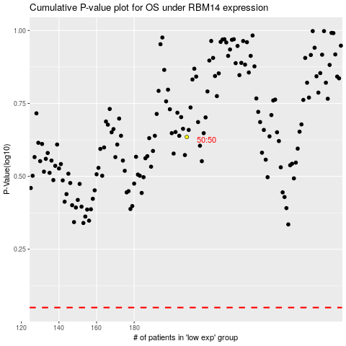

 |  |  |  |  |  | cases_OS | p_OS | rank | exp
 |  |  |  |  |  |  | cases_RFS | p_RFS | rank | exp

