RBM15 _multivariate
Reported by Tex Li-Hsing Chi. tex@gate.sinica.edu.tw 2019-08-16

Table 2. The clinicopathological features of HNSCC cohort and RBM15 expression. (Chi square test)
Cutoff at -0.06 (49.8%)
 |  | RBM15 expression |  | RBM15 expression |  | (Optimised)
 | Features | Low | (%) | High | (%) | Case no | P-value | Remark | Matthews
Gender | Female | 150 | 36.1 | 156 | 37.6 | 415 | 0.6344 | 0 | 0
2 | Male | 57 | 13.7 | 52 | 12.5
Age at diagnosis | <=65y | 132 | 31.8 | 142 | 34.2 | 415 | 0.3874 | 0 | 0
4 | >65y | 75 | 18.1 | 66 | 15.9
Clinical T Status | T1+T2 | 71 | 17.1 | 78 | 18.8 | 415 | 0.5638 | 0 | 0
6 | T3+T4 | 136 | 32.8 | 130 | 31.3
Clinical N Status | N0 | 121 | 29.2 | 95 | 22.9 | 415 | 0.0122 | 1 | 0
8 | N1-3 | 86 | 20.7 | 113 | 27.2
Clinical M Status | M0 | 205 | 49.4 | 207 | 49.9 | 415 | 0.6232 | 0 | 0
10 | M1 | 2 | 0.5 | 1 | 0.2
Clinical Stage | Stage I+II | 57 | 13.7 | 45 | 10.8 | 415 | 0.1998 | 0 | 0
12 | Stage III+IV | 150 | 36.1 | 163 | 39.3
Surgical Margin status | Negative | 161 | 38.8 | 157 | 37.8 | 415 | 0.6429 | 0 | 0
14 | Positive | 46 | 11.1 | 51 | 12.3
Tobacco Exposure | Low | 89 | 21.4 | 72 | 17.3 | 415 | 0.0872 | 0 | 0
16 | High | 118 | 28.4 | 136 | 32.8

Table 3. Univariate/Multivariate Cox's proportional hazards regression analyses on OS time of RBM15 gene expression in HNSCC

 |  | Univariate |  |  |  | Multivariate
 | Features | HR | CI95%(L) | CI95%(H) | P-value | HR | CI95%(L) | CI95%(H) | P-value
1 | Female | 1 |  |  |  | 1
Gender | Male | 1.157 | 0.843 | 1.587 | 0.367 | 1.203 | 0.861 | 1.681 | 0.279
11 | <=65y | 1 |  |  |  | 1
Age at diagnosis | >65y | 1.329 | 0.99 | 1.784 | 0.058 | 1.392 | 1.024 | 1.892 | 0.035
12 | T1+T2 | 1 |  |  |  | 1
Clinical T Status | T3+T4 | 1.409 | 1.028 | 1.931 | 0.033 | 2.21 | 1.167 | 4.184 | 0.015
13 | N0 | 1 |  |  |  | 1
Clinical N Status | N1-3 | 1.185 | 0.89 | 1.577 | 0.246 | 1.238 | 0.867 | 1.769 | 0.24
14 | M0 | 1 |  |  |  | 1
Clinical M Status | M1 | 4.097 | 1.009 | 16.644 | 0.049 | 9.515 | 2.062 | 43.914 | 0.004
15 | Stage I+II | 1 |  |  |  | 1
Clinical Stage | Stage III+IV | 1.245 | 0.882 | 1.759 | 0.213 | 0.503 | 0.234 | 1.08 | 0.078
16 | Negative | 1 |  |  |  | 1
Surgical Margin status | Positive | 1.591 | 1.155 | 2.191 | 0.004 | 1.671 | 1.21 | 2.309 | 0.002
17 | Low | 1 |  |  |  | 1
Tobacco Exposure | High | 1.364 | 1.008 | 1.844 | 0.044 | 1.452 | 1.053 | 2 | 0.023
18 | Low | 1 |  |  |  | 1
RNAseq(z-score) | High | 1.009 | 0.757 | 1.345 | 0.95 | 1.024 | 0.764 | 1.371 | 0.876

Table 4. Univariate/Multivariate Cox's proportional hazards regression analyses on RFS time of RBM15 gene expression in HNSCC

 |  | Univariate |  |  |  | Multivariate
 | Features | HR | CI95%(L) | CI95%(H) | P-value | HR | CI95%(L) | CI95%(H) | P-value
1 | Female | 1 |  |  |  | 1
Gender | Male | 1.157 | 0.843 | 1.587 | 0.367 | 1.203 | 0.861 | 1.681 | 0.279
11 | <=65y | 1 |  |  |  | 1
Age at diagnosis | >65y | 1.329 | 0.99 | 1.784 | 0.058 | 1.392 | 1.024 | 1.892 | 0.035
12 | T1+T2 | 1 |  |  |  | 1
Clinical T Status | T3+T4 | 1.409 | 1.028 | 1.931 | 0.033 | 2.21 | 1.167 | 4.184 | 0.015
13 | N0 | 1 |  |  |  | 1
Clinical N Status | N1-3 | 1.185 | 0.89 | 1.577 | 0.246 | 1.238 | 0.867 | 1.769 | 0.24
14 | M0 | 1 |  |  |  | 1
Clinical M Status | M1 | 4.097 | 1.009 | 16.644 | 0.049 | 9.515 | 2.062 | 43.914 | 0.004
15 | Stage I+II | 1 |  |  |  | 1
Clinical Stage | Stage III+IV | 1.245 | 0.882 | 1.759 | 0.213 | 0.503 | 0.234 | 1.08 | 0.078
16 | Negative | 1 |  |  |  | 1
Surgical Margin status | Positive | 1.591 | 1.155 | 2.191 | 0.004 | 1.671 | 1.21 | 2.309 | 0.002
17 | Low | 1 |  |  |  | 1
Tobacco Exposure | High | 1.364 | 1.008 | 1.844 | 0.044 | 1.452 | 1.053 | 2 | 0.023
18 | Low | 1 |  |  |  | 1
RNAseq(z-score) | High | 1.009 | 0.757 | 1.345 | 0.95 | 1.024 | 0.764 | 1.371 | 0.876

Kaplan-Meier survival estimate: Cutoff at -0.06 (49.8%)

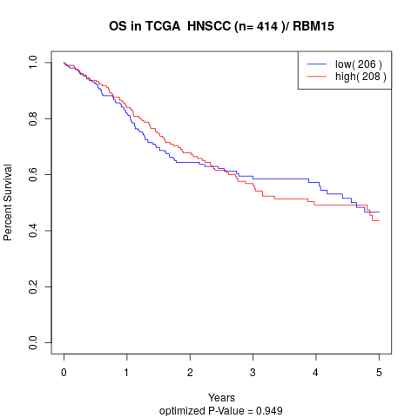

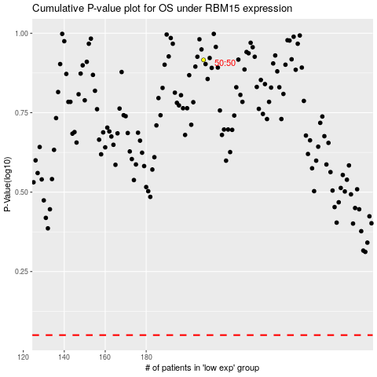

 |  |  |  |  |  | cases_OS | p_OS | rank | exp
 |  |  |  |  |  |  | cases_RFS | p_RFS | rank | exp

