RBM15B _multivariate
Reported by Tex Li-Hsing Chi. tex@gate.sinica.edu.tw 2019-08-16

Table 2. The clinicopathological features of HNSCC cohort and RBM15B expression. (Chi square test)
Cutoff at -0.226 (49.8%)
 |  | RBM15B expression |  | RBM15B expression |  | (Optimised)
 | Features | Low | (%) | High | (%) | Case no | P-value | Remark | Matthews
Gender | Female | 162 | 39 | 144 | 34.7 | 415 | 0.0479 | 1 | 0
2 | Male | 45 | 10.8 | 64 | 15.4
Age at diagnosis | <=65y | 148 | 35.7 | 126 | 30.4 | 415 | 0.0248 | 1 | 0
4 | >65y | 59 | 14.2 | 82 | 19.8
Clinical T Status | T1+T2 | 73 | 17.6 | 76 | 18.3 | 415 | 0.8666 | 0 | 0
6 | T3+T4 | 134 | 32.3 | 132 | 31.8
Clinical N Status | N0 | 98 | 23.6 | 118 | 28.4 | 415 | 0.0694 | 0 | 0
8 | N1-3 | 109 | 26.3 | 90 | 21.7
Clinical M Status | M0 | 205 | 49.4 | 207 | 49.9 | 415 | 0.6232 | 0 | 0
10 | M1 | 2 | 0.5 | 1 | 0.2
Clinical Stage | Stage I+II | 45 | 10.8 | 57 | 13.7 | 415 | 0.2202 | 0 | 0
12 | Stage III+IV | 162 | 39 | 151 | 36.4
Surgical Margin status | Negative | 159 | 38.3 | 159 | 38.3 | 415 | 1 | 0 | 0
14 | Positive | 48 | 11.6 | 49 | 11.8
Tobacco Exposure | Low | 68 | 16.4 | 93 | 22.4 | 415 | 0.0156 | 1 | 0
16 | High | 139 | 33.5 | 115 | 27.7

Table 3. Univariate/Multivariate Cox's proportional hazards regression analyses on OS time of RBM15B gene expression in HNSCC

 |  | Univariate |  |  |  | Multivariate
 | Features | HR | CI95%(L) | CI95%(H) | P-value | HR | CI95%(L) | CI95%(H) | P-value
1 | Female | 1 |  |  |  | 1
Gender | Male | 1.157 | 0.843 | 1.587 | 0.367 | 1.198 | 0.856 | 1.675 | 0.292
11 | <=65y | 1 |  |  |  | 1
Age at diagnosis | >65y | 1.329 | 0.99 | 1.784 | 0.058 | 1.389 | 1.021 | 1.889 | 0.036
12 | T1+T2 | 1 |  |  |  | 1
Clinical T Status | T3+T4 | 1.409 | 1.028 | 1.931 | 0.033 | 2.202 | 1.164 | 4.164 | 0.015
13 | N0 | 1 |  |  |  | 1
Clinical N Status | N1-3 | 1.185 | 0.89 | 1.577 | 0.246 | 1.245 | 0.871 | 1.779 | 0.229
14 | M0 | 1 |  |  |  | 1
Clinical M Status | M1 | 4.097 | 1.009 | 16.644 | 0.049 | 9.465 | 2.062 | 43.436 | 0.004
15 | Stage I+II | 1 |  |  |  | 1
Clinical Stage | Stage III+IV | 1.245 | 0.882 | 1.759 | 0.213 | 0.505 | 0.235 | 1.085 | 0.08
16 | Negative | 1 |  |  |  | 1
Surgical Margin status | Positive | 1.591 | 1.155 | 2.191 | 0.004 | 1.674 | 1.211 | 2.314 | 0.002
17 | Low | 1 |  |  |  | 1
Tobacco Exposure | High | 1.364 | 1.008 | 1.844 | 0.044 | 1.455 | 1.056 | 2.004 | 0.022
18 | Low | 1 |  |  |  | 1
RNAseq(z-score) | High | 1.006 | 0.755 | 1.342 | 0.965 | 1.032 | 0.769 | 1.386 | 0.834

Table 4. Univariate/Multivariate Cox's proportional hazards regression analyses on RFS time of RBM15B gene expression in HNSCC

 |  | Univariate |  |  |  | Multivariate
 | Features | HR | CI95%(L) | CI95%(H) | P-value | HR | CI95%(L) | CI95%(H) | P-value
1 | Female | 1 |  |  |  | 1
Gender | Male | 1.157 | 0.843 | 1.587 | 0.367 | 1.198 | 0.856 | 1.675 | 0.292
11 | <=65y | 1 |  |  |  | 1
Age at diagnosis | >65y | 1.329 | 0.99 | 1.784 | 0.058 | 1.389 | 1.021 | 1.889 | 0.036
12 | T1+T2 | 1 |  |  |  | 1
Clinical T Status | T3+T4 | 1.409 | 1.028 | 1.931 | 0.033 | 2.202 | 1.164 | 4.164 | 0.015
13 | N0 | 1 |  |  |  | 1
Clinical N Status | N1-3 | 1.185 | 0.89 | 1.577 | 0.246 | 1.245 | 0.871 | 1.779 | 0.229
14 | M0 | 1 |  |  |  | 1
Clinical M Status | M1 | 4.097 | 1.009 | 16.644 | 0.049 | 9.465 | 2.062 | 43.436 | 0.004
15 | Stage I+II | 1 |  |  |  | 1
Clinical Stage | Stage III+IV | 1.245 | 0.882 | 1.759 | 0.213 | 0.505 | 0.235 | 1.085 | 0.08
16 | Negative | 1 |  |  |  | 1
Surgical Margin status | Positive | 1.591 | 1.155 | 2.191 | 0.004 | 1.674 | 1.211 | 2.314 | 0.002
17 | Low | 1 |  |  |  | 1
Tobacco Exposure | High | 1.364 | 1.008 | 1.844 | 0.044 | 1.455 | 1.056 | 2.004 | 0.022
18 | Low | 1 |  |  |  | 1
RNAseq(z-score) | High | 1.006 | 0.755 | 1.342 | 0.965 | 1.032 | 0.769 | 1.386 | 0.834

Kaplan-Meier survival estimate: Cutoff at -0.226 (49.8%)



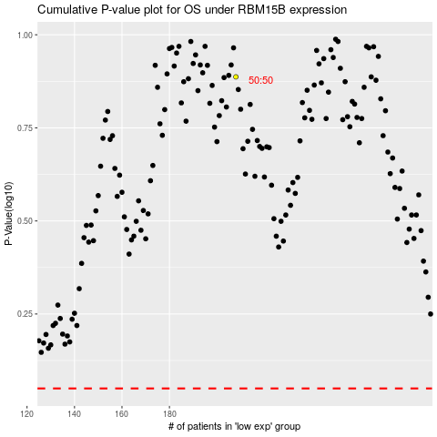

 |  |  |  |  |  | cases_OS | p_OS | rank | exp
 |  |  |  |  |  |  | cases_RFS | p_RFS | rank | exp

