RBM17 _multivariate
Reported by Tex Li-Hsing Chi. tex@gate.sinica.edu.tw 2019-08-16

Table 2. The clinicopathological features of HNSCC cohort and RBM17 expression. (Chi square test)
Cutoff at -0.107 (50.0%)
 |  | RBM17 expression |  | RBM17 expression |  | (Optimised)
 | Features | Low | (%) | High | (%) | Case no | P-value | Remark | Matthews
Gender | Female | 140 | 33.7 | 166 | 40 | 415 | 0.0068 | 1 | 0
2 | Male | 67 | 16.1 | 42 | 10.1
Age at diagnosis | <=65y | 138 | 33.3 | 136 | 32.8 | 415 | 0.8634 | 0 | 0
4 | >65y | 69 | 16.6 | 72 | 17.3
Clinical T Status | T1+T2 | 84 | 20.2 | 65 | 15.7 | 415 | 0.0603 | 0 | 0
6 | T3+T4 | 123 | 29.6 | 143 | 34.5
Clinical N Status | N0 | 117 | 28.2 | 99 | 23.9 | 415 | 0.0852 | 1 | 0
8 | N1-3 | 90 | 21.7 | 109 | 26.3
Clinical M Status | M0 | 206 | 49.6 | 206 | 49.6 | 415 | 1 | 0 | 0
10 | M1 | 1 | 0.2 | 2 | 0.5
Clinical Stage | Stage I+II | 61 | 14.7 | 41 | 9.9 | 415 | 0.0282 | 1 | 0
12 | Stage III+IV | 146 | 35.2 | 167 | 40.2
Surgical Margin status | Negative | 164 | 39.5 | 154 | 37.1 | 415 | 0.2462 | 0 | 0
14 | Positive | 43 | 10.4 | 54 | 13
Tobacco Exposure | Low | 88 | 21.2 | 73 | 17.6 | 415 | 0.1314 | 0 | 0
16 | High | 119 | 28.7 | 135 | 32.5

Table 3. Univariate/Multivariate Cox's proportional hazards regression analyses on OS time of RBM17 gene expression in HNSCC

 |  | Univariate |  |  |  | Multivariate
 | Features | HR | CI95%(L) | CI95%(H) | P-value | HR | CI95%(L) | CI95%(H) | P-value
1 | Female | 1 |  |  |  | 1
Gender | Male | 1.157 | 0.843 | 1.587 | 0.367 | 1.212 | 0.865 | 1.697 | 0.263
11 | <=65y | 1 |  |  |  | 1
Age at diagnosis | >65y | 1.329 | 0.99 | 1.784 | 0.058 | 1.385 | 1.018 | 1.884 | 0.038
12 | T1+T2 | 1 |  |  |  | 1
Clinical T Status | T3+T4 | 1.409 | 1.028 | 1.931 | 0.033 | 2.194 | 1.16 | 4.15 | 0.016
13 | N0 | 1 |  |  |  | 1
Clinical N Status | N1-3 | 1.185 | 0.89 | 1.577 | 0.246 | 1.237 | 0.867 | 1.766 | 0.241
14 | M0 | 1 |  |  |  | 1
Clinical M Status | M1 | 4.097 | 1.009 | 16.644 | 0.049 | 9.245 | 2.013 | 42.467 | 0.004
15 | Stage I+II | 1 |  |  |  | 1
Clinical Stage | Stage III+IV | 1.245 | 0.882 | 1.759 | 0.213 | 0.502 | 0.234 | 1.078 | 0.077
16 | Negative | 1 |  |  |  | 1
Surgical Margin status | Positive | 1.591 | 1.155 | 2.191 | 0.004 | 1.668 | 1.207 | 2.306 | 0.002
17 | Low | 1 |  |  |  | 1
Tobacco Exposure | High | 1.364 | 1.008 | 1.844 | 0.044 | 1.447 | 1.05 | 1.994 | 0.024
18 | Low | 1 |  |  |  | 1
RNAseq(z-score) | High | 1.147 | 0.86 | 1.528 | 0.351 | 1.066 | 0.794 | 1.432 | 0.67

Table 4. Univariate/Multivariate Cox's proportional hazards regression analyses on RFS time of RBM17 gene expression in HNSCC

 |  | Univariate |  |  |  | Multivariate
 | Features | HR | CI95%(L) | CI95%(H) | P-value | HR | CI95%(L) | CI95%(H) | P-value
1 | Female | 1 |  |  |  | 1
Gender | Male | 1.157 | 0.843 | 1.587 | 0.367 | 1.212 | 0.865 | 1.697 | 0.263
11 | <=65y | 1 |  |  |  | 1
Age at diagnosis | >65y | 1.329 | 0.99 | 1.784 | 0.058 | 1.385 | 1.018 | 1.884 | 0.038
12 | T1+T2 | 1 |  |  |  | 1
Clinical T Status | T3+T4 | 1.409 | 1.028 | 1.931 | 0.033 | 2.194 | 1.16 | 4.15 | 0.016
13 | N0 | 1 |  |  |  | 1
Clinical N Status | N1-3 | 1.185 | 0.89 | 1.577 | 0.246 | 1.237 | 0.867 | 1.766 | 0.241
14 | M0 | 1 |  |  |  | 1
Clinical M Status | M1 | 4.097 | 1.009 | 16.644 | 0.049 | 9.245 | 2.013 | 42.467 | 0.004
15 | Stage I+II | 1 |  |  |  | 1
Clinical Stage | Stage III+IV | 1.245 | 0.882 | 1.759 | 0.213 | 0.502 | 0.234 | 1.078 | 0.077
16 | Negative | 1 |  |  |  | 1
Surgical Margin status | Positive | 1.591 | 1.155 | 2.191 | 0.004 | 1.668 | 1.207 | 2.306 | 0.002
17 | Low | 1 |  |  |  | 1
Tobacco Exposure | High | 1.364 | 1.008 | 1.844 | 0.044 | 1.447 | 1.05 | 1.994 | 0.024
18 | Low | 1 |  |  |  | 1
RNAseq(z-score) | High | 1.147 | 0.86 | 1.528 | 0.351 | 1.066 | 0.794 | 1.432 | 0.67

Kaplan-Meier survival estimate: Cutoff at -0.107 (50.0%)



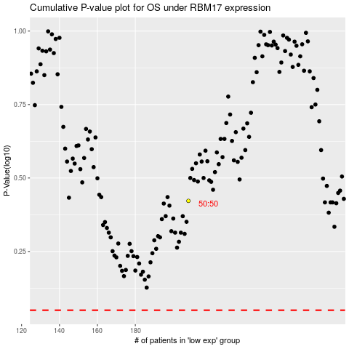

 |  |  |  |  |  | cases_OS | p_OS | rank | exp
 |  |  |  |  |  |  | cases_RFS | p_RFS | rank | exp

