RBM19 _multivariate
Reported by Tex Li-Hsing Chi. tex@gate.sinica.edu.tw 2019-08-16

Table 2. The clinicopathological features of HNSCC cohort and RBM19 expression. (Chi square test)
Cutoff at -0.194 (49.8%)
 |  | RBM19 expression |  | RBM19 expression |  | (Optimised)
 | Features | Low | (%) | High | (%) | Case no | P-value | Remark | Matthews
Gender | Female | 139 | 33.5 | 167 | 40.2 | 415 | 0.0034 | 1 | 0
2 | Male | 68 | 16.4 | 41 | 9.9
Age at diagnosis | <=65y | 138 | 33.3 | 136 | 32.8 | 415 | 0.8634 | 0 | 0
4 | >65y | 69 | 16.6 | 72 | 17.3
Clinical T Status | T1+T2 | 81 | 19.5 | 68 | 16.4 | 415 | 0.206 | 0 | 0
6 | T3+T4 | 126 | 30.4 | 140 | 33.7
Clinical N Status | N0 | 104 | 25.1 | 112 | 27 | 415 | 0.5243 | 0 | 0
8 | N1-3 | 103 | 24.8 | 96 | 23.1
Clinical M Status | M0 | 206 | 49.6 | 206 | 49.6 | 415 | 1 | 0 | 0
10 | M1 | 1 | 0.2 | 2 | 0.5
Clinical Stage | Stage I+II | 55 | 13.3 | 47 | 11.3 | 415 | 0.4087 | 0 | 0
12 | Stage III+IV | 152 | 36.6 | 161 | 38.8
Surgical Margin status | Negative | 155 | 37.3 | 163 | 39.3 | 415 | 0.4187 | 0 | 0
14 | Positive | 52 | 12.5 | 45 | 10.8
Tobacco Exposure | Low | 84 | 20.2 | 77 | 18.6 | 415 | 0.4816 | 0 | 0
16 | High | 123 | 29.6 | 131 | 31.6

Table 3. Univariate/Multivariate Cox's proportional hazards regression analyses on OS time of RBM19 gene expression in HNSCC

 |  | Univariate |  |  |  | Multivariate
 | Features | HR | CI95%(L) | CI95%(H) | P-value | HR | CI95%(L) | CI95%(H) | P-value
1 | Female | 1 |  |  |  | 1
Gender | Male | 1.157 | 0.843 | 1.587 | 0.367 | 1.194 | 0.845 | 1.686 | 0.314
11 | <=65y | 1 |  |  |  | 1
Age at diagnosis | >65y | 1.329 | 0.99 | 1.784 | 0.058 | 1.395 | 1.025 | 1.898 | 0.034
12 | T1+T2 | 1 |  |  |  | 1
Clinical T Status | T3+T4 | 1.409 | 1.028 | 1.931 | 0.033 | 2.205 | 1.166 | 4.17 | 0.015
13 | N0 | 1 |  |  |  | 1
Clinical N Status | N1-3 | 1.185 | 0.89 | 1.577 | 0.246 | 1.238 | 0.867 | 1.769 | 0.241
14 | M0 | 1 |  |  |  | 1
Clinical M Status | M1 | 4.097 | 1.009 | 16.644 | 0.049 | 9.43 | 2.056 | 43.242 | 0.004
15 | Stage I+II | 1 |  |  |  | 1
Clinical Stage | Stage III+IV | 1.245 | 0.882 | 1.759 | 0.213 | 0.505 | 0.235 | 1.085 | 0.08
16 | Negative | 1 |  |  |  | 1
Surgical Margin status | Positive | 1.591 | 1.155 | 2.191 | 0.004 | 1.671 | 1.209 | 2.309 | 0.002
17 | Low | 1 |  |  |  | 1
Tobacco Exposure | High | 1.364 | 1.008 | 1.844 | 0.044 | 1.451 | 1.053 | 2 | 0.023
18 | Low | 1 |  |  |  | 1
RNAseq(z-score) | High | 0.971 | 0.728 | 1.294 | 0.841 | 0.978 | 0.724 | 1.321 | 0.885

Table 4. Univariate/Multivariate Cox's proportional hazards regression analyses on RFS time of RBM19 gene expression in HNSCC

 |  | Univariate |  |  |  | Multivariate
 | Features | HR | CI95%(L) | CI95%(H) | P-value | HR | CI95%(L) | CI95%(H) | P-value
1 | Female | 1 |  |  |  | 1
Gender | Male | 1.157 | 0.843 | 1.587 | 0.367 | 1.194 | 0.845 | 1.686 | 0.314
11 | <=65y | 1 |  |  |  | 1
Age at diagnosis | >65y | 1.329 | 0.99 | 1.784 | 0.058 | 1.395 | 1.025 | 1.898 | 0.034
12 | T1+T2 | 1 |  |  |  | 1
Clinical T Status | T3+T4 | 1.409 | 1.028 | 1.931 | 0.033 | 2.205 | 1.166 | 4.17 | 0.015
13 | N0 | 1 |  |  |  | 1
Clinical N Status | N1-3 | 1.185 | 0.89 | 1.577 | 0.246 | 1.238 | 0.867 | 1.769 | 0.241
14 | M0 | 1 |  |  |  | 1
Clinical M Status | M1 | 4.097 | 1.009 | 16.644 | 0.049 | 9.43 | 2.056 | 43.242 | 0.004
15 | Stage I+II | 1 |  |  |  | 1
Clinical Stage | Stage III+IV | 1.245 | 0.882 | 1.759 | 0.213 | 0.505 | 0.235 | 1.085 | 0.08
16 | Negative | 1 |  |  |  | 1
Surgical Margin status | Positive | 1.591 | 1.155 | 2.191 | 0.004 | 1.671 | 1.209 | 2.309 | 0.002
17 | Low | 1 |  |  |  | 1
Tobacco Exposure | High | 1.364 | 1.008 | 1.844 | 0.044 | 1.451 | 1.053 | 2 | 0.023
18 | Low | 1 |  |  |  | 1
RNAseq(z-score) | High | 0.971 | 0.728 | 1.294 | 0.841 | 0.978 | 0.724 | 1.321 | 0.885

Kaplan-Meier survival estimate: Cutoff at -0.194 (49.8%)



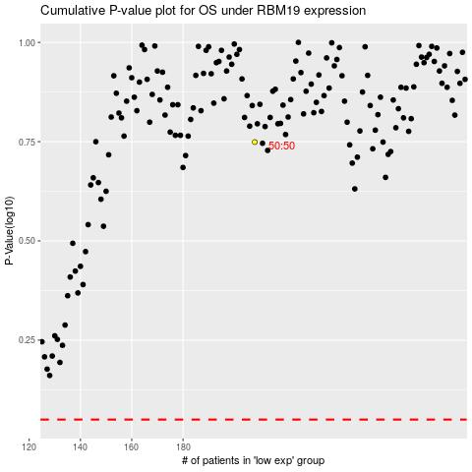

 |  |  |  |  |  | cases_OS | p_OS | rank | exp
 |  |  |  |  |  |  | cases_RFS | p_RFS | rank | exp

