RBM22 _multivariate
Reported by Tex Li-Hsing Chi. tex@gate.sinica.edu.tw 2019-08-16

Table 2. The clinicopathological features of HNSCC cohort and RBM22 expression. (Chi square test)
Cutoff at 0.225 (63.0%)
 |  | RBM22 expression |  | RBM22 expression |  | (Optimised)
 | Features | Low | (%) | High | (%) | Case no | P-value | Remark | Matthews
Gender | Female | 190 | 45.8 | 116 | 28 | 415 | 0.5347 | 0 | 0
2 | Male | 72 | 17.3 | 37 | 8.9
Age at diagnosis | <=65y | 172 | 41.4 | 102 | 24.6 | 415 | 0.9173 | 0 | 0
4 | >65y | 90 | 21.7 | 51 | 12.3
Clinical T Status | T1+T2 | 83 | 20 | 66 | 15.9 | 415 | 0.025 | 1 | 0
6 | T3+T4 | 179 | 43.1 | 87 | 21
Clinical N Status | N0 | 144 | 34.7 | 72 | 17.3 | 415 | 0.1462 | 0 | 0
8 | N1-3 | 118 | 28.4 | 81 | 19.5
Clinical M Status | M0 | 261 | 62.9 | 151 | 36.4 | 415 | 0.5577 | 0 | 0
10 | M1 | 1 | 0.2 | 2 | 0.5
Clinical Stage | Stage I+II | 64 | 15.4 | 38 | 9.2 | 415 | 1 | 0 | 0
12 | Stage III+IV | 198 | 47.7 | 115 | 27.7
Surgical Margin status | Negative | 207 | 49.9 | 111 | 26.7 | 415 | 0.1495 | 0 | 0
14 | Positive | 55 | 13.3 | 42 | 10.1
Tobacco Exposure | Low | 98 | 23.6 | 63 | 15.2 | 415 | 0.466 | 0 | 0
16 | High | 164 | 39.5 | 90 | 21.7

Table 3. Univariate/Multivariate Cox's proportional hazards regression analyses on OS time of RBM22 gene expression in HNSCC

 |  | Univariate |  |  |  | Multivariate
 | Features | HR | CI95%(L) | CI95%(H) | P-value | HR | CI95%(L) | CI95%(H) | P-value
1 | Female | 1 |  |  |  | 1
Gender | Male | 1.157 | 0.843 | 1.587 | 0.367 | 1.223 | 0.875 | 1.709 | 0.239
11 | <=65y | 1 |  |  |  | 1
Age at diagnosis | >65y | 1.329 | 0.99 | 1.784 | 0.058 | 1.399 | 1.027 | 1.907 | 0.033
12 | T1+T2 | 1 |  |  |  | 1
Clinical T Status | T3+T4 | 1.409 | 1.028 | 1.931 | 0.033 | 2.407 | 1.266 | 4.576 | 0.007
13 | N0 | 1 |  |  |  | 1
Clinical N Status | N1-3 | 1.185 | 0.89 | 1.577 | 0.246 | 1.233 | 0.865 | 1.757 | 0.247
14 | M0 | 1 |  |  |  | 1
Clinical M Status | M1 | 4.097 | 1.009 | 16.644 | 0.049 | 9.402 | 2.05 | 43.131 | 0.004
15 | Stage I+II | 1 |  |  |  | 1
Clinical Stage | Stage III+IV | 1.245 | 0.882 | 1.759 | 0.213 | 0.481 | 0.224 | 1.033 | 0.061
16 | Negative | 1 |  |  |  | 1
Surgical Margin status | Positive | 1.591 | 1.155 | 2.191 | 0.004 | 1.598 | 1.155 | 2.211 | 0.005
17 | Low | 1 |  |  |  | 1
Tobacco Exposure | High | 1.364 | 1.008 | 1.844 | 0.044 | 1.498 | 1.084 | 2.071 | 0.014
18 | Low | 1 |  |  |  | 1
RNAseq(z-score) | High | 1.336 | 0.999 | 1.786 | 0.051 | 1.413 | 1.049 | 1.904 | 0.023

Table 4. Univariate/Multivariate Cox's proportional hazards regression analyses on RFS time of RBM22 gene expression in HNSCC

 |  | Univariate |  |  |  | Multivariate
 | Features | HR | CI95%(L) | CI95%(H) | P-value | HR | CI95%(L) | CI95%(H) | P-value
1 | Female | 1 |  |  |  | 1
Gender | Male | 1.157 | 0.843 | 1.587 | 0.367 | 1.223 | 0.875 | 1.709 | 0.239
11 | <=65y | 1 |  |  |  | 1
Age at diagnosis | >65y | 1.329 | 0.99 | 1.784 | 0.058 | 1.399 | 1.027 | 1.907 | 0.033
12 | T1+T2 | 1 |  |  |  | 1
Clinical T Status | T3+T4 | 1.409 | 1.028 | 1.931 | 0.033 | 2.407 | 1.266 | 4.576 | 0.007
13 | N0 | 1 |  |  |  | 1
Clinical N Status | N1-3 | 1.185 | 0.89 | 1.577 | 0.246 | 1.233 | 0.865 | 1.757 | 0.247
14 | M0 | 1 |  |  |  | 1
Clinical M Status | M1 | 4.097 | 1.009 | 16.644 | 0.049 | 9.402 | 2.05 | 43.131 | 0.004
15 | Stage I+II | 1 |  |  |  | 1
Clinical Stage | Stage III+IV | 1.245 | 0.882 | 1.759 | 0.213 | 0.481 | 0.224 | 1.033 | 0.061
16 | Negative | 1 |  |  |  | 1
Surgical Margin status | Positive | 1.591 | 1.155 | 2.191 | 0.004 | 1.598 | 1.155 | 2.211 | 0.005
17 | Low | 1 |  |  |  | 1
Tobacco Exposure | High | 1.364 | 1.008 | 1.844 | 0.044 | 1.498 | 1.084 | 2.071 | 0.014
18 | Low | 1 |  |  |  | 1
RNAseq(z-score) | High | 1.336 | 0.999 | 1.786 | 0.051 | 1.413 | 1.049 | 1.904 | 0.023

Kaplan-Meier survival estimate: Cutoff at 0.225 (63.0%)



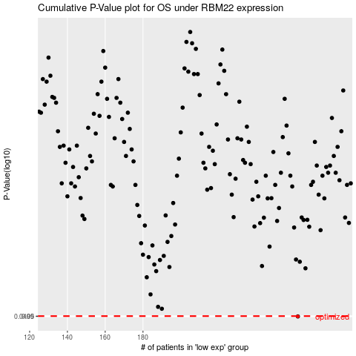

 |  |  |  |  |  | cases_OS | p_OS | rank | exp
 |  |  |  |  |  | 262 | 0.0499 | 210 | 0.22456065723
 |  |  |  |  |  |  | cases_RFS | p_RFS | rank | exp
 |  |  |  |  |  |  | 261 | 0.0499 | 110 | 0.22441740351

