RBM28 _multivariate
Reported by Tex Li-Hsing Chi. tex@gate.sinica.edu.tw 2019-08-16

Table 2. The clinicopathological features of HNSCC cohort and RBM28 expression. (Chi square test)
Cutoff at -0.067 (49.8%)
 |  | RBM28 expression |  | RBM28 expression |  | (Optimised)
 | Features | Low | (%) | High | (%) | Case no | P-value | Remark | Matthews
Gender | Female | 153 | 36.9 | 153 | 36.9 | 415 | 1 | 0 | 0
2 | Male | 54 | 13 | 55 | 13.3
Age at diagnosis | <=65y | 139 | 33.5 | 135 | 32.5 | 415 | 0.7044 | 0 | 0
4 | >65y | 68 | 16.4 | 73 | 17.6
Clinical T Status | T1+T2 | 82 | 19.8 | 67 | 16.1 | 415 | 0.1417 | 0 | 0
6 | T3+T4 | 125 | 30.1 | 141 | 34
Clinical N Status | N0 | 103 | 24.8 | 113 | 27.2 | 415 | 0.4047 | 0 | 0
8 | N1-3 | 104 | 25.1 | 95 | 22.9
Clinical M Status | M0 | 207 | 49.9 | 205 | 49.4 | 415 | 0.2482 | 0 | 0
10 | M1 | 0 | 0 | 3 | 0.7
Clinical Stage | Stage I+II | 53 | 12.8 | 49 | 11.8 | 415 | 0.7113 | 0 | 0
12 | Stage III+IV | 154 | 37.1 | 159 | 38.3
Surgical Margin status | Negative | 163 | 39.3 | 155 | 37.3 | 415 | 0.3537 | 0 | 0
14 | Positive | 44 | 10.6 | 53 | 12.8
Tobacco Exposure | Low | 84 | 20.2 | 77 | 18.6 | 415 | 0.4816 | 0 | 0
16 | High | 123 | 29.6 | 131 | 31.6

Table 3. Univariate/Multivariate Cox's proportional hazards regression analyses on OS time of RBM28 gene expression in HNSCC

 |  | Univariate |  |  |  | Multivariate
 | Features | HR | CI95%(L) | CI95%(H) | P-value | HR | CI95%(L) | CI95%(H) | P-value
1 | Female | 1 |  |  |  | 1
Gender | Male | 1.157 | 0.843 | 1.587 | 0.367 | 1.2 | 0.859 | 1.677 | 0.286
11 | <=65y | 1 |  |  |  | 1
Age at diagnosis | >65y | 1.329 | 0.99 | 1.784 | 0.058 | 1.383 | 1.016 | 1.881 | 0.039
12 | T1+T2 | 1 |  |  |  | 1
Clinical T Status | T3+T4 | 1.409 | 1.028 | 1.931 | 0.033 | 2.171 | 1.147 | 4.11 | 0.017
13 | N0 | 1 |  |  |  | 1
Clinical N Status | N1-3 | 1.185 | 0.89 | 1.577 | 0.246 | 1.264 | 0.882 | 1.81 | 0.202
14 | M0 | 1 |  |  |  | 1
Clinical M Status | M1 | 4.097 | 1.009 | 16.644 | 0.049 | 8.733 | 1.88 | 40.563 | 0.006
15 | Stage I+II | 1 |  |  |  | 1
Clinical Stage | Stage III+IV | 1.245 | 0.882 | 1.759 | 0.213 | 0.51 | 0.237 | 1.095 | 0.084
16 | Negative | 1 |  |  |  | 1
Surgical Margin status | Positive | 1.591 | 1.155 | 2.191 | 0.004 | 1.667 | 1.206 | 2.303 | 0.002
17 | Low | 1 |  |  |  | 1
Tobacco Exposure | High | 1.364 | 1.008 | 1.844 | 0.044 | 1.447 | 1.05 | 1.994 | 0.024
18 | Low | 1 |  |  |  | 1
RNAseq(z-score) | High | 1.187 | 0.891 | 1.581 | 0.241 | 1.113 | 0.829 | 1.493 | 0.477

Table 4. Univariate/Multivariate Cox's proportional hazards regression analyses on RFS time of RBM28 gene expression in HNSCC

 |  | Univariate |  |  |  | Multivariate
 | Features | HR | CI95%(L) | CI95%(H) | P-value | HR | CI95%(L) | CI95%(H) | P-value
1 | Female | 1 |  |  |  | 1
Gender | Male | 1.157 | 0.843 | 1.587 | 0.367 | 1.2 | 0.859 | 1.677 | 0.286
11 | <=65y | 1 |  |  |  | 1
Age at diagnosis | >65y | 1.329 | 0.99 | 1.784 | 0.058 | 1.383 | 1.016 | 1.881 | 0.039
12 | T1+T2 | 1 |  |  |  | 1
Clinical T Status | T3+T4 | 1.409 | 1.028 | 1.931 | 0.033 | 2.171 | 1.147 | 4.11 | 0.017
13 | N0 | 1 |  |  |  | 1
Clinical N Status | N1-3 | 1.185 | 0.89 | 1.577 | 0.246 | 1.264 | 0.882 | 1.81 | 0.202
14 | M0 | 1 |  |  |  | 1
Clinical M Status | M1 | 4.097 | 1.009 | 16.644 | 0.049 | 8.733 | 1.88 | 40.563 | 0.006
15 | Stage I+II | 1 |  |  |  | 1
Clinical Stage | Stage III+IV | 1.245 | 0.882 | 1.759 | 0.213 | 0.51 | 0.237 | 1.095 | 0.084
16 | Negative | 1 |  |  |  | 1
Surgical Margin status | Positive | 1.591 | 1.155 | 2.191 | 0.004 | 1.667 | 1.206 | 2.303 | 0.002
17 | Low | 1 |  |  |  | 1
Tobacco Exposure | High | 1.364 | 1.008 | 1.844 | 0.044 | 1.447 | 1.05 | 1.994 | 0.024
18 | Low | 1 |  |  |  | 1
RNAseq(z-score) | High | 1.187 | 0.891 | 1.581 | 0.241 | 1.113 | 0.829 | 1.493 | 0.477

Kaplan-Meier survival estimate: Cutoff at -0.067 (49.8%)



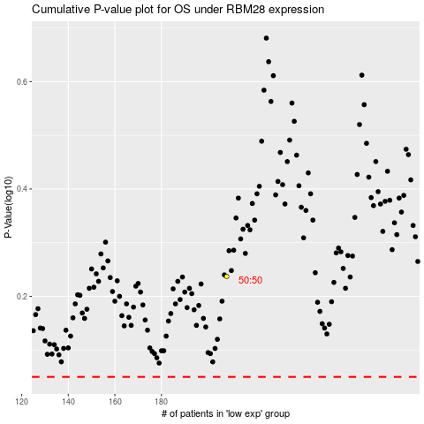

 |  |  |  |  |  | cases_OS | p_OS | rank | exp
 |  |  |  |  |  |  | cases_RFS | p_RFS | rank | exp

