RBM42 _multivariate
Reported by Tex Li-Hsing Chi. tex@gate.sinica.edu.tw 2019-08-16

Table 2. The clinicopathological features of HNSCC cohort and RBM42 expression. (Chi square test)
Cutoff at -0.181 (49.8%)
 |  | RBM42 expression |  | RBM42 expression |  | (Optimised)
 | Features | Low | (%) | High | (%) | Case no | P-value | Remark | Matthews
Gender | Female | 145 | 34.9 | 161 | 38.8 | 415 | 0.1116 | 0 | 0
2 | Male | 62 | 14.9 | 47 | 11.3
Age at diagnosis | <=65y | 146 | 35.2 | 128 | 30.8 | 415 | 0.0672 | 0 | 0
4 | >65y | 61 | 14.7 | 80 | 19.3
Clinical T Status | T1+T2 | 78 | 18.8 | 71 | 17.1 | 415 | 0.5152 | 0 | 0
6 | T3+T4 | 129 | 31.1 | 137 | 33
Clinical N Status | N0 | 113 | 27.2 | 103 | 24.8 | 415 | 0.3495 | 1 | 0
8 | N1-3 | 94 | 22.7 | 105 | 25.3
Clinical M Status | M0 | 206 | 49.6 | 206 | 49.6 | 415 | 1 | 0 | 0
10 | M1 | 1 | 0.2 | 2 | 0.5
Clinical Stage | Stage I+II | 53 | 12.8 | 49 | 11.8 | 415 | 0.7113 | 0 | 0
12 | Stage III+IV | 154 | 37.1 | 159 | 38.3
Surgical Margin status | Negative | 160 | 38.6 | 158 | 38.1 | 415 | 0.8167 | 0 | 0
14 | Positive | 47 | 11.3 | 50 | 12
Tobacco Exposure | Low | 77 | 18.6 | 84 | 20.2 | 415 | 0.5459 | 0 | 0
16 | High | 130 | 31.3 | 124 | 29.9

Table 3. Univariate/Multivariate Cox's proportional hazards regression analyses on OS time of RBM42 gene expression in HNSCC

 |  | Univariate |  |  |  | Multivariate
 | Features | HR | CI95%(L) | CI95%(H) | P-value | HR | CI95%(L) | CI95%(H) | P-value
1 | Female | 1 |  |  |  | 1
Gender | Male | 1.157 | 0.843 | 1.587 | 0.367 | 1.187 | 0.849 | 1.66 | 0.316
11 | <=65y | 1 |  |  |  | 1
Age at diagnosis | >65y | 1.329 | 0.99 | 1.784 | 0.058 | 1.414 | 1.038 | 1.926 | 0.028
12 | T1+T2 | 1 |  |  |  | 1
Clinical T Status | T3+T4 | 1.409 | 1.028 | 1.931 | 0.033 | 2.265 | 1.193 | 4.299 | 0.012
13 | N0 | 1 |  |  |  | 1
Clinical N Status | N1-3 | 1.185 | 0.89 | 1.577 | 0.246 | 1.273 | 0.887 | 1.825 | 0.19
14 | M0 | 1 |  |  |  | 1
Clinical M Status | M1 | 4.097 | 1.009 | 16.644 | 0.049 | 9.875 | 2.144 | 45.481 | 0.003
15 | Stage I+II | 1 |  |  |  | 1
Clinical Stage | Stage III+IV | 1.245 | 0.882 | 1.759 | 0.213 | 0.489 | 0.227 | 1.055 | 0.068
16 | Negative | 1 |  |  |  | 1
Surgical Margin status | Positive | 1.591 | 1.155 | 2.191 | 0.004 | 1.686 | 1.219 | 2.332 | 0.002
17 | Low | 1 |  |  |  | 1
Tobacco Exposure | High | 1.364 | 1.008 | 1.844 | 0.044 | 1.45 | 1.052 | 1.997 | 0.023
18 | Low | 1 |  |  |  | 1
RNAseq(z-score) | High | 1.015 | 0.762 | 1.353 | 0.917 | 0.886 | 0.657 | 1.193 | 0.425

Table 4. Univariate/Multivariate Cox's proportional hazards regression analyses on RFS time of RBM42 gene expression in HNSCC

 |  | Univariate |  |  |  | Multivariate
 | Features | HR | CI95%(L) | CI95%(H) | P-value | HR | CI95%(L) | CI95%(H) | P-value
1 | Female | 1 |  |  |  | 1
Gender | Male | 1.157 | 0.843 | 1.587 | 0.367 | 1.187 | 0.849 | 1.66 | 0.316
11 | <=65y | 1 |  |  |  | 1
Age at diagnosis | >65y | 1.329 | 0.99 | 1.784 | 0.058 | 1.414 | 1.038 | 1.926 | 0.028
12 | T1+T2 | 1 |  |  |  | 1
Clinical T Status | T3+T4 | 1.409 | 1.028 | 1.931 | 0.033 | 2.265 | 1.193 | 4.299 | 0.012
13 | N0 | 1 |  |  |  | 1
Clinical N Status | N1-3 | 1.185 | 0.89 | 1.577 | 0.246 | 1.273 | 0.887 | 1.825 | 0.19
14 | M0 | 1 |  |  |  | 1
Clinical M Status | M1 | 4.097 | 1.009 | 16.644 | 0.049 | 9.875 | 2.144 | 45.481 | 0.003
15 | Stage I+II | 1 |  |  |  | 1
Clinical Stage | Stage III+IV | 1.245 | 0.882 | 1.759 | 0.213 | 0.489 | 0.227 | 1.055 | 0.068
16 | Negative | 1 |  |  |  | 1
Surgical Margin status | Positive | 1.591 | 1.155 | 2.191 | 0.004 | 1.686 | 1.219 | 2.332 | 0.002
17 | Low | 1 |  |  |  | 1
Tobacco Exposure | High | 1.364 | 1.008 | 1.844 | 0.044 | 1.45 | 1.052 | 1.997 | 0.023
18 | Low | 1 |  |  |  | 1
RNAseq(z-score) | High | 1.015 | 0.762 | 1.353 | 0.917 | 0.886 | 0.657 | 1.193 | 0.425

Kaplan-Meier survival estimate: Cutoff at -0.181 (49.8%)



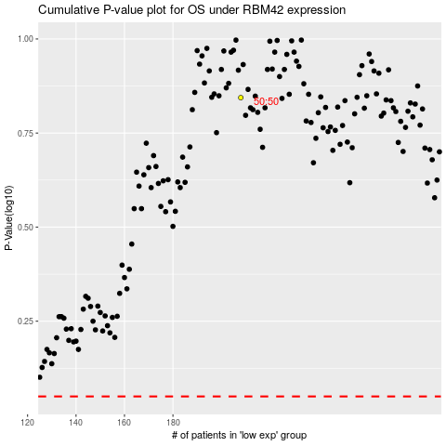

 |  |  |  |  |  | cases_OS | p_OS | rank | exp
 |  |  |  |  |  |  | cases_RFS | p_RFS | rank | exp

