RBM43 _multivariate
Reported by Tex Li-Hsing Chi. tex@gate.sinica.edu.tw 2019-08-16

Table 2. The clinicopathological features of HNSCC cohort and RBM43 expression. (Chi square test)
Cutoff at -0.178 (49.8%)
 |  | RBM43 expression |  | RBM43 expression |  | (Optimised)
 | Features | Low | (%) | High | (%) | Case no | P-value | Remark | Matthews
Gender | Female | 165 | 39.8 | 141 | 34 | 415 | 0.0081 | 1 | 0
2 | Male | 42 | 10.1 | 67 | 16.1
Age at diagnosis | <=65y | 141 | 34 | 133 | 32 | 415 | 0.4272 | 0 | 0
4 | >65y | 66 | 15.9 | 75 | 18.1
Clinical T Status | T1+T2 | 69 | 16.6 | 80 | 19.3 | 415 | 0.3239 | 0 | 0
6 | T3+T4 | 138 | 33.3 | 128 | 30.8
Clinical N Status | N0 | 101 | 24.3 | 115 | 27.7 | 415 | 0.2201 | 0 | 0
8 | N1-3 | 106 | 25.5 | 93 | 22.4
Clinical M Status | M0 | 206 | 49.6 | 206 | 49.6 | 415 | 1 | 0 | 0
10 | M1 | 1 | 0.2 | 2 | 0.5
Clinical Stage | Stage I+II | 42 | 10.1 | 60 | 14.5 | 415 | 0.0561 | 0 | 0
12 | Stage III+IV | 165 | 39.8 | 148 | 35.7
Surgical Margin status | Negative | 158 | 38.1 | 160 | 38.6 | 415 | 0.9081 | 0 | 0
14 | Positive | 49 | 11.8 | 48 | 11.6
Tobacco Exposure | Low | 69 | 16.6 | 92 | 22.2 | 415 | 0.0266 | 1 | 0
16 | High | 138 | 33.3 | 116 | 28

Table 3. Univariate/Multivariate Cox's proportional hazards regression analyses on OS time of RBM43 gene expression in HNSCC

 |  | Univariate |  |  |  | Multivariate
 | Features | HR | CI95%(L) | CI95%(H) | P-value | HR | CI95%(L) | CI95%(H) | P-value
1 | Female | 1 |  |  |  | 1
Gender | Male | 1.157 | 0.843 | 1.587 | 0.367 | 1.172 | 0.839 | 1.638 | 0.353
11 | <=65y | 1 |  |  |  | 1
Age at diagnosis | >65y | 1.329 | 0.99 | 1.784 | 0.058 | 1.419 | 1.042 | 1.932 | 0.026
12 | T1+T2 | 1 |  |  |  | 1
Clinical T Status | T3+T4 | 1.409 | 1.028 | 1.931 | 0.033 | 2.179 | 1.152 | 4.123 | 0.017
13 | N0 | 1 |  |  |  | 1
Clinical N Status | N1-3 | 1.185 | 0.89 | 1.577 | 0.246 | 1.254 | 0.879 | 1.79 | 0.212
14 | M0 | 1 |  |  |  | 1
Clinical M Status | M1 | 4.097 | 1.009 | 16.644 | 0.049 | 8.647 | 1.877 | 39.822 | 0.006
15 | Stage I+II | 1 |  |  |  | 1
Clinical Stage | Stage III+IV | 1.245 | 0.882 | 1.759 | 0.213 | 0.523 | 0.243 | 1.125 | 0.097
16 | Negative | 1 |  |  |  | 1
Surgical Margin status | Positive | 1.591 | 1.155 | 2.191 | 0.004 | 1.664 | 1.204 | 2.3 | 0.002
17 | Low | 1 |  |  |  | 1
Tobacco Exposure | High | 1.364 | 1.008 | 1.844 | 0.044 | 1.48 | 1.075 | 2.039 | 0.016
18 | Low | 1 |  |  |  | 1
RNAseq(z-score) | High | 1.191 | 0.892 | 1.589 | 0.237 | 1.236 | 0.918 | 1.663 | 0.163

Table 4. Univariate/Multivariate Cox's proportional hazards regression analyses on RFS time of RBM43 gene expression in HNSCC

 |  | Univariate |  |  |  | Multivariate
 | Features | HR | CI95%(L) | CI95%(H) | P-value | HR | CI95%(L) | CI95%(H) | P-value
1 | Female | 1 |  |  |  | 1
Gender | Male | 1.157 | 0.843 | 1.587 | 0.367 | 1.172 | 0.839 | 1.638 | 0.353
11 | <=65y | 1 |  |  |  | 1
Age at diagnosis | >65y | 1.329 | 0.99 | 1.784 | 0.058 | 1.419 | 1.042 | 1.932 | 0.026
12 | T1+T2 | 1 |  |  |  | 1
Clinical T Status | T3+T4 | 1.409 | 1.028 | 1.931 | 0.033 | 2.179 | 1.152 | 4.123 | 0.017
13 | N0 | 1 |  |  |  | 1
Clinical N Status | N1-3 | 1.185 | 0.89 | 1.577 | 0.246 | 1.254 | 0.879 | 1.79 | 0.212
14 | M0 | 1 |  |  |  | 1
Clinical M Status | M1 | 4.097 | 1.009 | 16.644 | 0.049 | 8.647 | 1.877 | 39.822 | 0.006
15 | Stage I+II | 1 |  |  |  | 1
Clinical Stage | Stage III+IV | 1.245 | 0.882 | 1.759 | 0.213 | 0.523 | 0.243 | 1.125 | 0.097
16 | Negative | 1 |  |  |  | 1
Surgical Margin status | Positive | 1.591 | 1.155 | 2.191 | 0.004 | 1.664 | 1.204 | 2.3 | 0.002
17 | Low | 1 |  |  |  | 1
Tobacco Exposure | High | 1.364 | 1.008 | 1.844 | 0.044 | 1.48 | 1.075 | 2.039 | 0.016
18 | Low | 1 |  |  |  | 1
RNAseq(z-score) | High | 1.191 | 0.892 | 1.589 | 0.237 | 1.236 | 0.918 | 1.663 | 0.163

Kaplan-Meier survival estimate: Cutoff at -0.178 (49.8%)



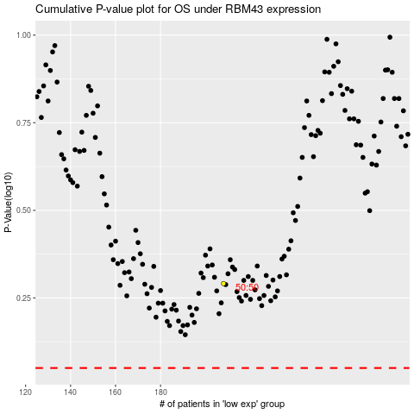

 |  |  |  |  |  | cases_OS | p_OS | rank | exp
 |  |  |  |  |  |  | cases_RFS | p_RFS | rank | exp

