RBM45 _multivariate
Reported by Tex Li-Hsing Chi. tex@gate.sinica.edu.tw 2019-08-16

Table 2. The clinicopathological features of HNSCC cohort and RBM45 expression. (Chi square test)
Cutoff at -0.391 (33.8%)
 |  | RBM45 expression |  | RBM45 expression |  | (Optimised)
 | Features | Low | (%) | High | (%) | Case no | P-value | Remark | Matthews
Gender | Female | 117 | 28.2 | 189 | 45.5 | 415 | 0.0017 | 1 | 0
2 | Male | 23 | 5.5 | 86 | 20.7
Age at diagnosis | <=65y | 102 | 24.6 | 172 | 41.4 | 415 | 0.0469 | 1 | 0
4 | >65y | 38 | 9.2 | 103 | 24.8
Clinical T Status | T1+T2 | 45 | 10.8 | 104 | 25.1 | 415 | 0.3024 | 0 | 0
6 | T3+T4 | 95 | 22.9 | 171 | 41.2
Clinical N Status | N0 | 70 | 16.9 | 146 | 35.2 | 415 | 0.6227 | 0 | 0
8 | N1-3 | 70 | 16.9 | 129 | 31.1
Clinical M Status | M0 | 140 | 33.7 | 272 | 65.5 | 415 | 0.554 | 0 | 0
10 | M1 | 0 | 0 | 3 | 0.7
Clinical Stage | Stage I+II | 30 | 7.2 | 72 | 17.3 | 415 | 0.3458 | 0 | 0
12 | Stage III+IV | 110 | 26.5 | 203 | 48.9
Surgical Margin status | Negative | 113 | 27.2 | 205 | 49.4 | 415 | 0.1782 | 0 | 0
14 | Positive | 27 | 6.5 | 70 | 16.9
Tobacco Exposure | Low | 46 | 11.1 | 115 | 27.7 | 415 | 0.0883 | 0 | 0
16 | High | 94 | 22.7 | 160 | 38.6

Table 3. Univariate/Multivariate Cox's proportional hazards regression analyses on OS time of RBM45 gene expression in HNSCC

 |  | Univariate |  |  |  | Multivariate
 | Features | HR | CI95%(L) | CI95%(H) | P-value | HR | CI95%(L) | CI95%(H) | P-value
1 | Female | 1 |  |  |  | 1
Gender | Male | 1.157 | 0.843 | 1.587 | 0.367 | 1.155 | 0.826 | 1.616 | 0.399
11 | <=65y | 1 |  |  |  | 1
Age at diagnosis | >65y | 1.329 | 0.99 | 1.784 | 0.058 | 1.392 | 1.023 | 1.894 | 0.035
12 | T1+T2 | 1 |  |  |  | 1
Clinical T Status | T3+T4 | 1.409 | 1.028 | 1.931 | 0.033 | 2.237 | 1.183 | 4.232 | 0.013
13 | N0 | 1 |  |  |  | 1
Clinical N Status | N1-3 | 1.185 | 0.89 | 1.577 | 0.246 | 1.25 | 0.875 | 1.786 | 0.22
14 | M0 | 1 |  |  |  | 1
Clinical M Status | M1 | 4.097 | 1.009 | 16.644 | 0.049 | 8.477 | 1.843 | 38.992 | 0.006
15 | Stage I+II | 1 |  |  |  | 1
Clinical Stage | Stage III+IV | 1.245 | 0.882 | 1.759 | 0.213 | 0.514 | 0.239 | 1.104 | 0.088
16 | Negative | 1 |  |  |  | 1
Surgical Margin status | Positive | 1.591 | 1.155 | 2.191 | 0.004 | 1.636 | 1.183 | 2.262 | 0.003
17 | Low | 1 |  |  |  | 1
Tobacco Exposure | High | 1.364 | 1.008 | 1.844 | 0.044 | 1.468 | 1.065 | 2.023 | 0.019
18 | Low | 1 |  |  |  | 1
RNAseq(z-score) | High | 1.382 | 1.008 | 1.893 | 0.044 | 1.357 | 0.984 | 1.872 | 0.063

Table 4. Univariate/Multivariate Cox's proportional hazards regression analyses on RFS time of RBM45 gene expression in HNSCC

 |  | Univariate |  |  |  | Multivariate
 | Features | HR | CI95%(L) | CI95%(H) | P-value | HR | CI95%(L) | CI95%(H) | P-value
1 | Female | 1 |  |  |  | 1
Gender | Male | 1.157 | 0.843 | 1.587 | 0.367 | 1.155 | 0.826 | 1.616 | 0.399
11 | <=65y | 1 |  |  |  | 1
Age at diagnosis | >65y | 1.329 | 0.99 | 1.784 | 0.058 | 1.392 | 1.023 | 1.894 | 0.035
12 | T1+T2 | 1 |  |  |  | 1
Clinical T Status | T3+T4 | 1.409 | 1.028 | 1.931 | 0.033 | 2.237 | 1.183 | 4.232 | 0.013
13 | N0 | 1 |  |  |  | 1
Clinical N Status | N1-3 | 1.185 | 0.89 | 1.577 | 0.246 | 1.25 | 0.875 | 1.786 | 0.22
14 | M0 | 1 |  |  |  | 1
Clinical M Status | M1 | 4.097 | 1.009 | 16.644 | 0.049 | 8.477 | 1.843 | 38.992 | 0.006
15 | Stage I+II | 1 |  |  |  | 1
Clinical Stage | Stage III+IV | 1.245 | 0.882 | 1.759 | 0.213 | 0.514 | 0.239 | 1.104 | 0.088
16 | Negative | 1 |  |  |  | 1
Surgical Margin status | Positive | 1.591 | 1.155 | 2.191 | 0.004 | 1.636 | 1.183 | 2.262 | 0.003
17 | Low | 1 |  |  |  | 1
Tobacco Exposure | High | 1.364 | 1.008 | 1.844 | 0.044 | 1.468 | 1.065 | 2.023 | 0.019
18 | Low | 1 |  |  |  | 1
RNAseq(z-score) | High | 1.382 | 1.008 | 1.893 | 0.044 | 1.357 | 0.984 | 1.872 | 0.063

Kaplan-Meier survival estimate: Cutoff at -0.391 (33.8%)



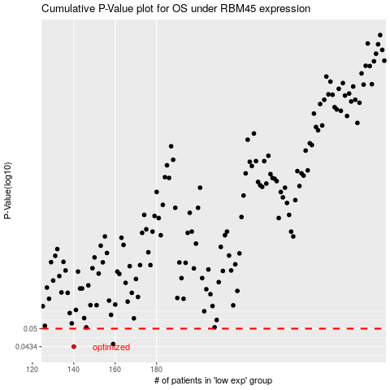

 |  |  |  |  |  | cases_OS | p_OS | rank | exp
 |  |  |  |  |  | 140 | 0.0434 | 62 | -0.39142972562
 |  |  |  |  |  | 159 | 0.0443 | 222 | -0.29076361915
 |  |  |  |  |  |  | cases_RFS | p_RFS | rank | exp
 |  |  |  |  |  |  | 139 | 0.0434 | 329 | -0.39575446407
 |  |  |  |  |  |  | 158 | 0.0443 | 141 | -0.29117074852

