RBM4B _multivariate
Reported by Tex Li-Hsing Chi. tex@gate.sinica.edu.tw 2019-08-16

Table 2. The clinicopathological features of HNSCC cohort and RBM4B expression. (Chi square test)
Cutoff at -0.239 (49.8%)
 |  | RBM4B expression |  | RBM4B expression |  | (Optimised)
 | Features | Low | (%) | High | (%) | Case no | P-value | Remark | Matthews
Gender | Female | 146 | 35.2 | 160 | 38.6 | 415 | 0.1714 | 0 | 0
2 | Male | 61 | 14.7 | 48 | 11.6
Age at diagnosis | <=65y | 120 | 28.9 | 154 | 37.1 | 415 | 8e-04 | 1 | 0
4 | >65y | 87 | 21 | 54 | 13
Clinical T Status | T1+T2 | 55 | 13.3 | 94 | 22.7 | 415 | 1e-04 | 1 | 0
6 | T3+T4 | 152 | 36.6 | 114 | 27.5
Clinical N Status | N0 | 104 | 25.1 | 112 | 27 | 415 | 0.5243 | 0 | 0
8 | N1-3 | 103 | 24.8 | 96 | 23.1
Clinical M Status | M0 | 207 | 49.9 | 205 | 49.4 | 415 | 0.2482 | 0 | 0
10 | M1 | 0 | 0 | 3 | 0.7
Clinical Stage | Stage I+II | 38 | 9.2 | 64 | 15.4 | 415 | 0.0048 | 1 | 0
12 | Stage III+IV | 169 | 40.7 | 144 | 34.7
Surgical Margin status | Negative | 163 | 39.3 | 155 | 37.3 | 415 | 0.3537 | 0 | 0
14 | Positive | 44 | 10.6 | 53 | 12.8
Tobacco Exposure | Low | 76 | 18.3 | 85 | 20.5 | 415 | 0.4207 | 0 | 0
16 | High | 131 | 31.6 | 123 | 29.6

Table 3. Univariate/Multivariate Cox's proportional hazards regression analyses on OS time of RBM4B gene expression in HNSCC

 |  | Univariate |  |  |  | Multivariate
 | Features | HR | CI95%(L) | CI95%(H) | P-value | HR | CI95%(L) | CI95%(H) | P-value
1 | Female | 1 |  |  |  | 1
Gender | Male | 1.157 | 0.843 | 1.587 | 0.367 | 1.216 | 0.87 | 1.7 | 0.253
11 | <=65y | 1 |  |  |  | 1
Age at diagnosis | >65y | 1.329 | 0.99 | 1.784 | 0.058 | 1.481 | 1.078 | 2.035 | 0.015
12 | T1+T2 | 1 |  |  |  | 1
Clinical T Status | T3+T4 | 1.409 | 1.028 | 1.931 | 0.033 | 2.308 | 1.217 | 4.376 | 0.01
13 | N0 | 1 |  |  |  | 1
Clinical N Status | N1-3 | 1.185 | 0.89 | 1.577 | 0.246 | 1.263 | 0.885 | 1.803 | 0.198
14 | M0 | 1 |  |  |  | 1
Clinical M Status | M1 | 4.097 | 1.009 | 16.644 | 0.049 | 8.705 | 1.893 | 40.02 | 0.005
15 | Stage I+II | 1 |  |  |  | 1
Clinical Stage | Stage III+IV | 1.245 | 0.882 | 1.759 | 0.213 | 0.496 | 0.231 | 1.064 | 0.072
16 | Negative | 1 |  |  |  | 1
Surgical Margin status | Positive | 1.591 | 1.155 | 2.191 | 0.004 | 1.636 | 1.182 | 2.264 | 0.003
17 | Low | 1 |  |  |  | 1
Tobacco Exposure | High | 1.364 | 1.008 | 1.844 | 0.044 | 1.484 | 1.075 | 2.047 | 0.016
18 | Low | 1 |  |  |  | 1
RNAseq(z-score) | High | 1.106 | 0.829 | 1.475 | 0.493 | 1.277 | 0.942 | 1.73 | 0.116

Table 4. Univariate/Multivariate Cox's proportional hazards regression analyses on RFS time of RBM4B gene expression in HNSCC

 |  | Univariate |  |  |  | Multivariate
 | Features | HR | CI95%(L) | CI95%(H) | P-value | HR | CI95%(L) | CI95%(H) | P-value
1 | Female | 1 |  |  |  | 1
Gender | Male | 1.157 | 0.843 | 1.587 | 0.367 | 1.216 | 0.87 | 1.7 | 0.253
11 | <=65y | 1 |  |  |  | 1
Age at diagnosis | >65y | 1.329 | 0.99 | 1.784 | 0.058 | 1.481 | 1.078 | 2.035 | 0.015
12 | T1+T2 | 1 |  |  |  | 1
Clinical T Status | T3+T4 | 1.409 | 1.028 | 1.931 | 0.033 | 2.308 | 1.217 | 4.376 | 0.01
13 | N0 | 1 |  |  |  | 1
Clinical N Status | N1-3 | 1.185 | 0.89 | 1.577 | 0.246 | 1.263 | 0.885 | 1.803 | 0.198
14 | M0 | 1 |  |  |  | 1
Clinical M Status | M1 | 4.097 | 1.009 | 16.644 | 0.049 | 8.705 | 1.893 | 40.02 | 0.005
15 | Stage I+II | 1 |  |  |  | 1
Clinical Stage | Stage III+IV | 1.245 | 0.882 | 1.759 | 0.213 | 0.496 | 0.231 | 1.064 | 0.072
16 | Negative | 1 |  |  |  | 1
Surgical Margin status | Positive | 1.591 | 1.155 | 2.191 | 0.004 | 1.636 | 1.182 | 2.264 | 0.003
17 | Low | 1 |  |  |  | 1
Tobacco Exposure | High | 1.364 | 1.008 | 1.844 | 0.044 | 1.484 | 1.075 | 2.047 | 0.016
18 | Low | 1 |  |  |  | 1
RNAseq(z-score) | High | 1.106 | 0.829 | 1.475 | 0.493 | 1.277 | 0.942 | 1.73 | 0.116

Kaplan-Meier survival estimate: Cutoff at -0.239 (49.8%)

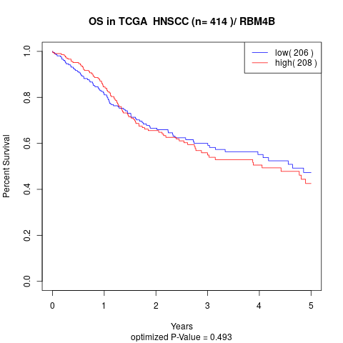

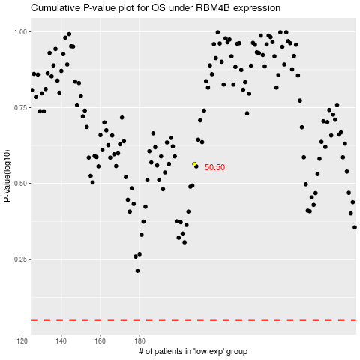

 |  |  |  |  |  | cases_OS | p_OS | rank | exp
 |  |  |  |  |  |  | cases_RFS | p_RFS | rank | exp

