RBM7 _multivariate
Reported by Tex Li-Hsing Chi. tex@gate.sinica.edu.tw 2019-08-16

Table 2. The clinicopathological features of HNSCC cohort and RBM7 expression. (Chi square test)
Cutoff at -0.071 (50.0%)
 |  | RBM7 expression |  | RBM7 expression |  | (Optimised)
 | Features | Low | (%) | High | (%) | Case no | P-value | Remark | Matthews
Gender | Female | 169 | 40.7 | 137 | 33 | 415 | 4e-04 | 1 | 0
2 | Male | 38 | 9.2 | 71 | 17.1
Age at diagnosis | <=65y | 137 | 33 | 137 | 33 | 415 | 1 | 0 | 0
4 | >65y | 70 | 16.9 | 71 | 17.1
Clinical T Status | T1+T2 | 72 | 17.3 | 77 | 18.6 | 415 | 0.7095 | 0 | 0
6 | T3+T4 | 135 | 32.5 | 131 | 31.6
Clinical N Status | N0 | 96 | 23.1 | 120 | 28.9 | 415 | 0.0272 | 1 | 0
8 | N1-3 | 111 | 26.7 | 88 | 21.2
Clinical M Status | M0 | 205 | 49.4 | 207 | 49.9 | 415 | 0.6232 | 0 | 0
10 | M1 | 2 | 0.5 | 1 | 0.2
Clinical Stage | Stage I+II | 41 | 9.9 | 61 | 14.7 | 415 | 0.0325 | 1 | 0
12 | Stage III+IV | 166 | 40 | 147 | 35.4
Surgical Margin status | Negative | 161 | 38.8 | 157 | 37.8 | 415 | 0.6429 | 0 | 0
14 | Positive | 46 | 11.1 | 51 | 12.3
Tobacco Exposure | Low | 78 | 18.8 | 83 | 20 | 415 | 0.6873 | 0 | 0
16 | High | 129 | 31.1 | 125 | 30.1

Table 3. Univariate/Multivariate Cox's proportional hazards regression analyses on OS time of RBM7 gene expression in HNSCC

 |  | Univariate |  |  |  | Multivariate
 | Features | HR | CI95%(L) | CI95%(H) | P-value | HR | CI95%(L) | CI95%(H) | P-value
1 | Female | 1 |  |  |  | 1
Gender | Male | 1.157 | 0.843 | 1.587 | 0.367 | 1.177 | 0.839 | 1.651 | 0.346
11 | <=65y | 1 |  |  |  | 1
Age at diagnosis | >65y | 1.329 | 0.99 | 1.784 | 0.058 | 1.403 | 1.031 | 1.91 | 0.031
12 | T1+T2 | 1 |  |  |  | 1
Clinical T Status | T3+T4 | 1.409 | 1.028 | 1.931 | 0.033 | 2.182 | 1.153 | 4.129 | 0.016
13 | N0 | 1 |  |  |  | 1
Clinical N Status | N1-3 | 1.185 | 0.89 | 1.577 | 0.246 | 1.25 | 0.876 | 1.784 | 0.219
14 | M0 | 1 |  |  |  | 1
Clinical M Status | M1 | 4.097 | 1.009 | 16.644 | 0.049 | 9.314 | 2.031 | 42.713 | 0.004
15 | Stage I+II | 1 |  |  |  | 1
Clinical Stage | Stage III+IV | 1.245 | 0.882 | 1.759 | 0.213 | 0.516 | 0.24 | 1.11 | 0.09
16 | Negative | 1 |  |  |  | 1
Surgical Margin status | Positive | 1.591 | 1.155 | 2.191 | 0.004 | 1.667 | 1.207 | 2.304 | 0.002
17 | Low | 1 |  |  |  | 1
Tobacco Exposure | High | 1.364 | 1.008 | 1.844 | 0.044 | 1.456 | 1.057 | 2.007 | 0.022
18 | Low | 1 |  |  |  | 1
RNAseq(z-score) | High | 1.118 | 0.839 | 1.491 | 0.446 | 1.119 | 0.831 | 1.505 | 0.459

Table 4. Univariate/Multivariate Cox's proportional hazards regression analyses on RFS time of RBM7 gene expression in HNSCC

 |  | Univariate |  |  |  | Multivariate
 | Features | HR | CI95%(L) | CI95%(H) | P-value | HR | CI95%(L) | CI95%(H) | P-value
1 | Female | 1 |  |  |  | 1
Gender | Male | 1.157 | 0.843 | 1.587 | 0.367 | 1.177 | 0.839 | 1.651 | 0.346
11 | <=65y | 1 |  |  |  | 1
Age at diagnosis | >65y | 1.329 | 0.99 | 1.784 | 0.058 | 1.403 | 1.031 | 1.91 | 0.031
12 | T1+T2 | 1 |  |  |  | 1
Clinical T Status | T3+T4 | 1.409 | 1.028 | 1.931 | 0.033 | 2.182 | 1.153 | 4.129 | 0.016
13 | N0 | 1 |  |  |  | 1
Clinical N Status | N1-3 | 1.185 | 0.89 | 1.577 | 0.246 | 1.25 | 0.876 | 1.784 | 0.219
14 | M0 | 1 |  |  |  | 1
Clinical M Status | M1 | 4.097 | 1.009 | 16.644 | 0.049 | 9.314 | 2.031 | 42.713 | 0.004
15 | Stage I+II | 1 |  |  |  | 1
Clinical Stage | Stage III+IV | 1.245 | 0.882 | 1.759 | 0.213 | 0.516 | 0.24 | 1.11 | 0.09
16 | Negative | 1 |  |  |  | 1
Surgical Margin status | Positive | 1.591 | 1.155 | 2.191 | 0.004 | 1.667 | 1.207 | 2.304 | 0.002
17 | Low | 1 |  |  |  | 1
Tobacco Exposure | High | 1.364 | 1.008 | 1.844 | 0.044 | 1.456 | 1.057 | 2.007 | 0.022
18 | Low | 1 |  |  |  | 1
RNAseq(z-score) | High | 1.118 | 0.839 | 1.491 | 0.446 | 1.119 | 0.831 | 1.505 | 0.459

Kaplan-Meier survival estimate: Cutoff at -0.071 (50.0%)



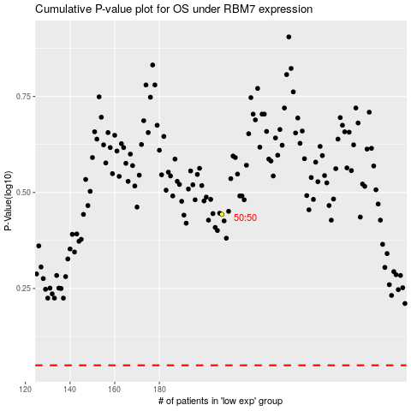

 |  |  |  |  |  | cases_OS | p_OS | rank | exp
 |  |  |  |  |  |  | cases_RFS | p_RFS | rank | exp

