RBM8A _multivariate
Reported by Tex Li-Hsing Chi. tex@gate.sinica.edu.tw 2019-08-16

Table 2. The clinicopathological features of HNSCC cohort and RBM8A expression. (Chi square test)
Cutoff at -0.259 (50.0%)
 |  | RBM8A expression |  | RBM8A expression |  | (Optimised)
 | Features | Low | (%) | High | (%) | Case no | P-value | Remark | Matthews
Gender | Female | 149 | 35.9 | 157 | 37.8 | 415 | 0.4848 | 0 | 0
2 | Male | 58 | 14 | 51 | 12.3
Age at diagnosis | <=65y | 136 | 32.8 | 138 | 33.3 | 415 | 0.9719 | 0 | 0
4 | >65y | 71 | 17.1 | 70 | 16.9
Clinical T Status | T1+T2 | 80 | 19.3 | 69 | 16.6 | 415 | 0.2891 | 0 | 0
6 | T3+T4 | 127 | 30.6 | 139 | 33.5
Clinical N Status | N0 | 114 | 27.5 | 102 | 24.6 | 415 | 0.2576 | 1 | 0
8 | N1-3 | 93 | 22.4 | 106 | 25.5
Clinical M Status | M0 | 207 | 49.9 | 205 | 49.4 | 415 | 0.2482 | 0 | 0
10 | M1 | 0 | 0 | 3 | 0.7
Clinical Stage | Stage I+II | 61 | 14.7 | 41 | 9.9 | 415 | 0.0282 | 1 | 0
12 | Stage III+IV | 146 | 35.2 | 167 | 40.2
Surgical Margin status | Negative | 164 | 39.5 | 154 | 37.1 | 415 | 0.2462 | 0 | 0
14 | Positive | 43 | 10.4 | 54 | 13
Tobacco Exposure | Low | 78 | 18.8 | 83 | 20 | 415 | 0.6873 | 0 | 0
16 | High | 129 | 31.1 | 125 | 30.1

Table 3. Univariate/Multivariate Cox's proportional hazards regression analyses on OS time of RBM8A gene expression in HNSCC

 |  | Univariate |  |  |  | Multivariate
 | Features | HR | CI95%(L) | CI95%(H) | P-value | HR | CI95%(L) | CI95%(H) | P-value
1 | Female | 1 |  |  |  | 1
Gender | Male | 1.157 | 0.843 | 1.587 | 0.367 | 1.199 | 0.858 | 1.676 | 0.287
11 | <=65y | 1 |  |  |  | 1
Age at diagnosis | >65y | 1.329 | 0.99 | 1.784 | 0.058 | 1.394 | 1.025 | 1.896 | 0.034
12 | T1+T2 | 1 |  |  |  | 1
Clinical T Status | T3+T4 | 1.409 | 1.028 | 1.931 | 0.033 | 2.204 | 1.165 | 4.166 | 0.015
13 | N0 | 1 |  |  |  | 1
Clinical N Status | N1-3 | 1.185 | 0.89 | 1.577 | 0.246 | 1.244 | 0.871 | 1.775 | 0.23
14 | M0 | 1 |  |  |  | 1
Clinical M Status | M1 | 4.097 | 1.009 | 16.644 | 0.049 | 9.55 | 2.071 | 44.033 | 0.004
15 | Stage I+II | 1 |  |  |  | 1
Clinical Stage | Stage III+IV | 1.245 | 0.882 | 1.759 | 0.213 | 0.507 | 0.236 | 1.088 | 0.081
16 | Negative | 1 |  |  |  | 1
Surgical Margin status | Positive | 1.591 | 1.155 | 2.191 | 0.004 | 1.676 | 1.212 | 2.317 | 0.002
17 | Low | 1 |  |  |  | 1
Tobacco Exposure | High | 1.364 | 1.008 | 1.844 | 0.044 | 1.452 | 1.053 | 2 | 0.023
18 | Low | 1 |  |  |  | 1
RNAseq(z-score) | High | 1.042 | 0.782 | 1.388 | 0.781 | 0.967 | 0.721 | 1.297 | 0.824

Table 4. Univariate/Multivariate Cox's proportional hazards regression analyses on RFS time of RBM8A gene expression in HNSCC

 |  | Univariate |  |  |  | Multivariate
 | Features | HR | CI95%(L) | CI95%(H) | P-value | HR | CI95%(L) | CI95%(H) | P-value
1 | Female | 1 |  |  |  | 1
Gender | Male | 1.157 | 0.843 | 1.587 | 0.367 | 1.199 | 0.858 | 1.676 | 0.287
11 | <=65y | 1 |  |  |  | 1
Age at diagnosis | >65y | 1.329 | 0.99 | 1.784 | 0.058 | 1.394 | 1.025 | 1.896 | 0.034
12 | T1+T2 | 1 |  |  |  | 1
Clinical T Status | T3+T4 | 1.409 | 1.028 | 1.931 | 0.033 | 2.204 | 1.165 | 4.166 | 0.015
13 | N0 | 1 |  |  |  | 1
Clinical N Status | N1-3 | 1.185 | 0.89 | 1.577 | 0.246 | 1.244 | 0.871 | 1.775 | 0.23
14 | M0 | 1 |  |  |  | 1
Clinical M Status | M1 | 4.097 | 1.009 | 16.644 | 0.049 | 9.55 | 2.071 | 44.033 | 0.004
15 | Stage I+II | 1 |  |  |  | 1
Clinical Stage | Stage III+IV | 1.245 | 0.882 | 1.759 | 0.213 | 0.507 | 0.236 | 1.088 | 0.081
16 | Negative | 1 |  |  |  | 1
Surgical Margin status | Positive | 1.591 | 1.155 | 2.191 | 0.004 | 1.676 | 1.212 | 2.317 | 0.002
17 | Low | 1 |  |  |  | 1
Tobacco Exposure | High | 1.364 | 1.008 | 1.844 | 0.044 | 1.452 | 1.053 | 2 | 0.023
18 | Low | 1 |  |  |  | 1
RNAseq(z-score) | High | 1.042 | 0.782 | 1.388 | 0.781 | 0.967 | 0.721 | 1.297 | 0.824

Kaplan-Meier survival estimate: Cutoff at -0.259 (50.0%)



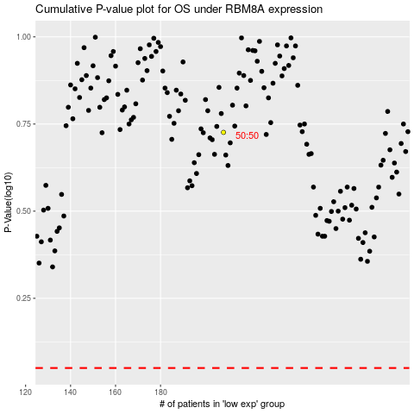

 |  |  |  |  |  | cases_OS | p_OS | rank | exp
 |  |  |  |  |  |  | cases_RFS | p_RFS | rank | exp

