RBMS1 _multivariate
Reported by Tex Li-Hsing Chi. tex@gate.sinica.edu.tw 2019-08-16

Table 2. The clinicopathological features of HNSCC cohort and RBMS1 expression. (Chi square test)
Cutoff at 0.031 (50.0%)
 |  | RBMS1 expression |  | RBMS1 expression |  | (Optimised)
 | Features | Low | (%) | High | (%) | Case no | P-value | Remark | Matthews
Gender | Female | 154 | 37.1 | 152 | 36.6 | 415 | 0.8463 | 0 | 0
2 | Male | 53 | 12.8 | 56 | 13.5
Age at diagnosis | <=65y | 135 | 32.5 | 139 | 33.5 | 415 | 0.8084 | 0 | 0
4 | >65y | 72 | 17.3 | 69 | 16.6
Clinical T Status | T1+T2 | 84 | 20.2 | 65 | 15.7 | 415 | 0.0603 | 0 | 0
6 | T3+T4 | 123 | 29.6 | 143 | 34.5
Clinical N Status | N0 | 107 | 25.8 | 109 | 26.3 | 415 | 0.9624 | 0 | 0
8 | N1-3 | 100 | 24.1 | 99 | 23.9
Clinical M Status | M0 | 205 | 49.4 | 207 | 49.9 | 415 | 0.6232 | 0 | 0
10 | M1 | 2 | 0.5 | 1 | 0.2
Clinical Stage | Stage I+II | 54 | 13 | 48 | 11.6 | 415 | 0.5498 | 0 | 0
12 | Stage III+IV | 153 | 36.9 | 160 | 38.6
Surgical Margin status | Negative | 151 | 36.4 | 167 | 40.2 | 415 | 0.0828 | 0 | 0
14 | Positive | 56 | 13.5 | 41 | 9.9
Tobacco Exposure | Low | 84 | 20.2 | 77 | 18.6 | 415 | 0.4816 | 0 | 0
16 | High | 123 | 29.6 | 131 | 31.6

Table 3. Univariate/Multivariate Cox's proportional hazards regression analyses on OS time of RBMS1 gene expression in HNSCC

 |  | Univariate |  |  |  | Multivariate
 | Features | HR | CI95%(L) | CI95%(H) | P-value | HR | CI95%(L) | CI95%(H) | P-value
1 | Female | 1 |  |  |  | 1
Gender | Male | 1.157 | 0.843 | 1.587 | 0.367 | 1.2 | 0.859 | 1.677 | 0.286
11 | <=65y | 1 |  |  |  | 1
Age at diagnosis | >65y | 1.329 | 0.99 | 1.784 | 0.058 | 1.395 | 1.026 | 1.899 | 0.034
12 | T1+T2 | 1 |  |  |  | 1
Clinical T Status | T3+T4 | 1.409 | 1.028 | 1.931 | 0.033 | 2.157 | 1.139 | 4.086 | 0.018
13 | N0 | 1 |  |  |  | 1
Clinical N Status | N1-3 | 1.185 | 0.89 | 1.577 | 0.246 | 1.25 | 0.875 | 1.784 | 0.22
14 | M0 | 1 |  |  |  | 1
Clinical M Status | M1 | 4.097 | 1.009 | 16.644 | 0.049 | 9.376 | 2.046 | 42.977 | 0.004
15 | Stage I+II | 1 |  |  |  | 1
Clinical Stage | Stage III+IV | 1.245 | 0.882 | 1.759 | 0.213 | 0.508 | 0.237 | 1.091 | 0.083
16 | Negative | 1 |  |  |  | 1
Surgical Margin status | Positive | 1.591 | 1.155 | 2.191 | 0.004 | 1.684 | 1.218 | 2.328 | 0.002
17 | Low | 1 |  |  |  | 1
Tobacco Exposure | High | 1.364 | 1.008 | 1.844 | 0.044 | 1.457 | 1.057 | 2.009 | 0.021
18 | Low | 1 |  |  |  | 1
RNAseq(z-score) | High | 1.129 | 0.846 | 1.508 | 0.409 | 1.13 | 0.844 | 1.513 | 0.412

Table 4. Univariate/Multivariate Cox's proportional hazards regression analyses on RFS time of RBMS1 gene expression in HNSCC

 |  | Univariate |  |  |  | Multivariate
 | Features | HR | CI95%(L) | CI95%(H) | P-value | HR | CI95%(L) | CI95%(H) | P-value
1 | Female | 1 |  |  |  | 1
Gender | Male | 1.157 | 0.843 | 1.587 | 0.367 | 1.2 | 0.859 | 1.677 | 0.286
11 | <=65y | 1 |  |  |  | 1
Age at diagnosis | >65y | 1.329 | 0.99 | 1.784 | 0.058 | 1.395 | 1.026 | 1.899 | 0.034
12 | T1+T2 | 1 |  |  |  | 1
Clinical T Status | T3+T4 | 1.409 | 1.028 | 1.931 | 0.033 | 2.157 | 1.139 | 4.086 | 0.018
13 | N0 | 1 |  |  |  | 1
Clinical N Status | N1-3 | 1.185 | 0.89 | 1.577 | 0.246 | 1.25 | 0.875 | 1.784 | 0.22
14 | M0 | 1 |  |  |  | 1
Clinical M Status | M1 | 4.097 | 1.009 | 16.644 | 0.049 | 9.376 | 2.046 | 42.977 | 0.004
15 | Stage I+II | 1 |  |  |  | 1
Clinical Stage | Stage III+IV | 1.245 | 0.882 | 1.759 | 0.213 | 0.508 | 0.237 | 1.091 | 0.083
16 | Negative | 1 |  |  |  | 1
Surgical Margin status | Positive | 1.591 | 1.155 | 2.191 | 0.004 | 1.684 | 1.218 | 2.328 | 0.002
17 | Low | 1 |  |  |  | 1
Tobacco Exposure | High | 1.364 | 1.008 | 1.844 | 0.044 | 1.457 | 1.057 | 2.009 | 0.021
18 | Low | 1 |  |  |  | 1
RNAseq(z-score) | High | 1.129 | 0.846 | 1.508 | 0.409 | 1.13 | 0.844 | 1.513 | 0.412

Kaplan-Meier survival estimate: Cutoff at 0.031 (50.0%)



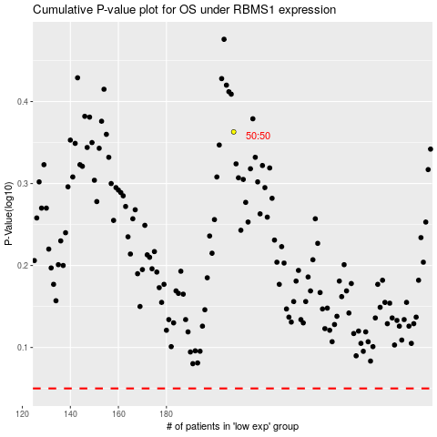

 |  |  |  |  |  | cases_OS | p_OS | rank | exp
 |  |  |  |  |  |  | cases_RFS | p_RFS | rank | exp

