RBMS2 _multivariate
Reported by Tex Li-Hsing Chi. tex@gate.sinica.edu.tw 2019-08-16

Table 2. The clinicopathological features of HNSCC cohort and RBMS2 expression. (Chi square test)
Cutoff at -0.103 (50.0%)
 |  | RBMS2 expression |  | RBMS2 expression |  | (Optimised)
 | Features | Low | (%) | High | (%) | Case no | P-value | Remark | Matthews
Gender | Female | 167 | 40.2 | 139 | 33.5 | 415 | 0.002 | 1 | 0
2 | Male | 40 | 9.6 | 69 | 16.6
Age at diagnosis | <=65y | 149 | 35.9 | 125 | 30.1 | 415 | 0.0142 | 1 | 0
4 | >65y | 58 | 14 | 83 | 20
Clinical T Status | T1+T2 | 69 | 16.6 | 80 | 19.3 | 415 | 0.3239 | 0 | 0
6 | T3+T4 | 138 | 33.3 | 128 | 30.8
Clinical N Status | N0 | 99 | 23.9 | 117 | 28.2 | 415 | 0.1054 | 0 | 0
8 | N1-3 | 108 | 26 | 91 | 21.9
Clinical M Status | M0 | 205 | 49.4 | 207 | 49.9 | 415 | 0.6232 | 0 | 0
10 | M1 | 2 | 0.5 | 1 | 0.2
Clinical Stage | Stage I+II | 41 | 9.9 | 61 | 14.7 | 415 | 0.0325 | 1 | 0
12 | Stage III+IV | 166 | 40 | 147 | 35.4
Surgical Margin status | Negative | 157 | 37.8 | 161 | 38.8 | 415 | 0.729 | 0 | 0
14 | Positive | 50 | 12 | 47 | 11.3
Tobacco Exposure | Low | 62 | 14.9 | 99 | 23.9 | 415 | 3e-04 | 1 | 0
16 | High | 145 | 34.9 | 109 | 26.3

Table 3. Univariate/Multivariate Cox's proportional hazards regression analyses on OS time of RBMS2 gene expression in HNSCC

 |  | Univariate |  |  |  | Multivariate
 | Features | HR | CI95%(L) | CI95%(H) | P-value | HR | CI95%(L) | CI95%(H) | P-value
1 | Female | 1 |  |  |  | 1
Gender | Male | 1.157 | 0.843 | 1.587 | 0.367 | 1.166 | 0.83 | 1.639 | 0.376
11 | <=65y | 1 |  |  |  | 1
Age at diagnosis | >65y | 1.329 | 0.99 | 1.784 | 0.058 | 1.376 | 1.011 | 1.873 | 0.042
12 | T1+T2 | 1 |  |  |  | 1
Clinical T Status | T3+T4 | 1.409 | 1.028 | 1.931 | 0.033 | 2.186 | 1.155 | 4.135 | 0.016
13 | N0 | 1 |  |  |  | 1
Clinical N Status | N1-3 | 1.185 | 0.89 | 1.577 | 0.246 | 1.239 | 0.869 | 1.767 | 0.236
14 | M0 | 1 |  |  |  | 1
Clinical M Status | M1 | 4.097 | 1.009 | 16.644 | 0.049 | 9.336 | 2.036 | 42.807 | 0.004
15 | Stage I+II | 1 |  |  |  | 1
Clinical Stage | Stage III+IV | 1.245 | 0.882 | 1.759 | 0.213 | 0.514 | 0.239 | 1.105 | 0.088
16 | Negative | 1 |  |  |  | 1
Surgical Margin status | Positive | 1.591 | 1.155 | 2.191 | 0.004 | 1.675 | 1.212 | 2.314 | 0.002
17 | Low | 1 |  |  |  | 1
Tobacco Exposure | High | 1.364 | 1.008 | 1.844 | 0.044 | 1.475 | 1.068 | 2.036 | 0.018
18 | Low | 1 |  |  |  | 1
RNAseq(z-score) | High | 1.153 | 0.865 | 1.538 | 0.331 | 1.154 | 0.854 | 1.559 | 0.351

Table 4. Univariate/Multivariate Cox's proportional hazards regression analyses on RFS time of RBMS2 gene expression in HNSCC

 |  | Univariate |  |  |  | Multivariate
 | Features | HR | CI95%(L) | CI95%(H) | P-value | HR | CI95%(L) | CI95%(H) | P-value
1 | Female | 1 |  |  |  | 1
Gender | Male | 1.157 | 0.843 | 1.587 | 0.367 | 1.166 | 0.83 | 1.639 | 0.376
11 | <=65y | 1 |  |  |  | 1
Age at diagnosis | >65y | 1.329 | 0.99 | 1.784 | 0.058 | 1.376 | 1.011 | 1.873 | 0.042
12 | T1+T2 | 1 |  |  |  | 1
Clinical T Status | T3+T4 | 1.409 | 1.028 | 1.931 | 0.033 | 2.186 | 1.155 | 4.135 | 0.016
13 | N0 | 1 |  |  |  | 1
Clinical N Status | N1-3 | 1.185 | 0.89 | 1.577 | 0.246 | 1.239 | 0.869 | 1.767 | 0.236
14 | M0 | 1 |  |  |  | 1
Clinical M Status | M1 | 4.097 | 1.009 | 16.644 | 0.049 | 9.336 | 2.036 | 42.807 | 0.004
15 | Stage I+II | 1 |  |  |  | 1
Clinical Stage | Stage III+IV | 1.245 | 0.882 | 1.759 | 0.213 | 0.514 | 0.239 | 1.105 | 0.088
16 | Negative | 1 |  |  |  | 1
Surgical Margin status | Positive | 1.591 | 1.155 | 2.191 | 0.004 | 1.675 | 1.212 | 2.314 | 0.002
17 | Low | 1 |  |  |  | 1
Tobacco Exposure | High | 1.364 | 1.008 | 1.844 | 0.044 | 1.475 | 1.068 | 2.036 | 0.018
18 | Low | 1 |  |  |  | 1
RNAseq(z-score) | High | 1.153 | 0.865 | 1.538 | 0.331 | 1.154 | 0.854 | 1.559 | 0.351

Kaplan-Meier survival estimate: Cutoff at -0.103 (50.0%)



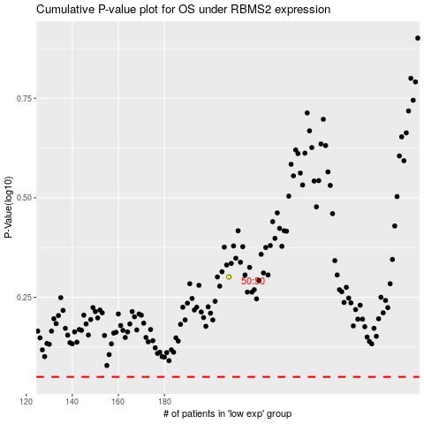

 |  |  |  |  |  | cases_OS | p_OS | rank | exp
 |  |  |  |  |  |  | cases_RFS | p_RFS | rank | exp

