RBMXL1 _multivariate
Reported by Tex Li-Hsing Chi. tex@gate.sinica.edu.tw 2019-08-16

Table 2. The clinicopathological features of HNSCC cohort and RBMXL1 expression. (Chi square test)
Cutoff at -0.282 (49.8%)
 |  | RBMXL1 expression |  | RBMXL1 expression |  | (Optimised)
 | Features | Low | (%) | High | (%) | Case no | P-value | Remark | Matthews
Gender | Female | 152 | 36.6 | 154 | 37.1 | 415 | 0.9766 | 0 | 0
2 | Male | 55 | 13.3 | 54 | 13
Age at diagnosis | <=65y | 134 | 32.3 | 140 | 33.7 | 415 | 0.6529 | 0 | 0
4 | >65y | 73 | 17.6 | 68 | 16.4
Clinical T Status | T1+T2 | 75 | 18.1 | 74 | 17.8 | 415 | 0.9707 | 0 | 0
6 | T3+T4 | 132 | 31.8 | 134 | 32.3
Clinical N Status | N0 | 111 | 26.7 | 105 | 25.3 | 415 | 0.5875 | 0 | 0
8 | N1-3 | 96 | 23.1 | 103 | 24.8
Clinical M Status | M0 | 205 | 49.4 | 207 | 49.9 | 415 | 0.6232 | 0 | 0
10 | M1 | 2 | 0.5 | 1 | 0.2
Clinical Stage | Stage I+II | 55 | 13.3 | 47 | 11.3 | 415 | 0.4087 | 0 | 0
12 | Stage III+IV | 152 | 36.6 | 161 | 38.8
Surgical Margin status | Negative | 166 | 40 | 152 | 36.6 | 415 | 0.1042 | 0 | 0
14 | Positive | 41 | 9.9 | 56 | 13.5
Tobacco Exposure | Low | 90 | 21.7 | 71 | 17.1 | 415 | 0.0559 | 0 | 0
16 | High | 117 | 28.2 | 137 | 33

Table 3. Univariate/Multivariate Cox's proportional hazards regression analyses on OS time of RBMXL1 gene expression in HNSCC

 |  | Univariate |  |  |  | Multivariate
 | Features | HR | CI95%(L) | CI95%(H) | P-value | HR | CI95%(L) | CI95%(H) | P-value
1 | Female | 1 |  |  |  | 1
Gender | Male | 1.157 | 0.843 | 1.587 | 0.367 | 1.185 | 0.848 | 1.656 | 0.32
11 | <=65y | 1 |  |  |  | 1
Age at diagnosis | >65y | 1.329 | 0.99 | 1.784 | 0.058 | 1.407 | 1.034 | 1.914 | 0.03
12 | T1+T2 | 1 |  |  |  | 1
Clinical T Status | T3+T4 | 1.409 | 1.028 | 1.931 | 0.033 | 2.254 | 1.19 | 4.269 | 0.013
13 | N0 | 1 |  |  |  | 1
Clinical N Status | N1-3 | 1.185 | 0.89 | 1.577 | 0.246 | 1.247 | 0.873 | 1.779 | 0.225
14 | M0 | 1 |  |  |  | 1
Clinical M Status | M1 | 4.097 | 1.009 | 16.644 | 0.049 | 10.139 | 2.2 | 46.733 | 0.003
15 | Stage I+II | 1 |  |  |  | 1
Clinical Stage | Stage III+IV | 1.245 | 0.882 | 1.759 | 0.213 | 0.485 | 0.225 | 1.044 | 0.064
16 | Negative | 1 |  |  |  | 1
Surgical Margin status | Positive | 1.591 | 1.155 | 2.191 | 0.004 | 1.682 | 1.217 | 2.325 | 0.002
17 | Low | 1 |  |  |  | 1
Tobacco Exposure | High | 1.364 | 1.008 | 1.844 | 0.044 | 1.436 | 1.041 | 1.979 | 0.027
18 | Low | 1 |  |  |  | 1
RNAseq(z-score) | High | 1.165 | 0.873 | 1.556 | 0.3 | 1.19 | 0.887 | 1.595 | 0.246

Table 4. Univariate/Multivariate Cox's proportional hazards regression analyses on RFS time of RBMXL1 gene expression in HNSCC

 |  | Univariate |  |  |  | Multivariate
 | Features | HR | CI95%(L) | CI95%(H) | P-value | HR | CI95%(L) | CI95%(H) | P-value
1 | Female | 1 |  |  |  | 1
Gender | Male | 1.157 | 0.843 | 1.587 | 0.367 | 1.185 | 0.848 | 1.656 | 0.32
11 | <=65y | 1 |  |  |  | 1
Age at diagnosis | >65y | 1.329 | 0.99 | 1.784 | 0.058 | 1.407 | 1.034 | 1.914 | 0.03
12 | T1+T2 | 1 |  |  |  | 1
Clinical T Status | T3+T4 | 1.409 | 1.028 | 1.931 | 0.033 | 2.254 | 1.19 | 4.269 | 0.013
13 | N0 | 1 |  |  |  | 1
Clinical N Status | N1-3 | 1.185 | 0.89 | 1.577 | 0.246 | 1.247 | 0.873 | 1.779 | 0.225
14 | M0 | 1 |  |  |  | 1
Clinical M Status | M1 | 4.097 | 1.009 | 16.644 | 0.049 | 10.139 | 2.2 | 46.733 | 0.003
15 | Stage I+II | 1 |  |  |  | 1
Clinical Stage | Stage III+IV | 1.245 | 0.882 | 1.759 | 0.213 | 0.485 | 0.225 | 1.044 | 0.064
16 | Negative | 1 |  |  |  | 1
Surgical Margin status | Positive | 1.591 | 1.155 | 2.191 | 0.004 | 1.682 | 1.217 | 2.325 | 0.002
17 | Low | 1 |  |  |  | 1
Tobacco Exposure | High | 1.364 | 1.008 | 1.844 | 0.044 | 1.436 | 1.041 | 1.979 | 0.027
18 | Low | 1 |  |  |  | 1
RNAseq(z-score) | High | 1.165 | 0.873 | 1.556 | 0.3 | 1.19 | 0.887 | 1.595 | 0.246

Kaplan-Meier survival estimate: Cutoff at -0.282 (49.8%)



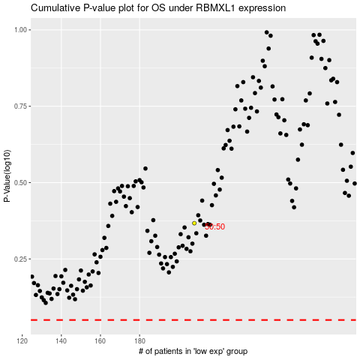

 |  |  |  |  |  | cases_OS | p_OS | rank | exp
 |  |  |  |  |  |  | cases_RFS | p_RFS | rank | exp

