RBP1 _multivariate
Reported by Tex Li-Hsing Chi. tex@gate.sinica.edu.tw 2019-08-16

Table 2. The clinicopathological features of HNSCC cohort and RBP1 expression. (Chi square test)
Cutoff at 0.058 (64.0%)
 |  | RBP1 expression |  | RBP1 expression |  | (Optimised)
 | Features | Low | (%) | High | (%) | Case no | P-value | Remark | Matthews
Gender | Female | 201 | 48.4 | 105 | 25.3 | 415 | 0.2361 | 0 | 0
2 | Male | 64 | 15.4 | 45 | 10.8
Age at diagnosis | <=65y | 171 | 41.2 | 103 | 24.8 | 415 | 0.4549 | 0 | 0
4 | >65y | 94 | 22.7 | 47 | 11.3
Clinical T Status | T1+T2 | 99 | 23.9 | 50 | 12 | 415 | 0.4748 | 0 | 0
6 | T3+T4 | 166 | 40 | 100 | 24.1
Clinical N Status | N0 | 151 | 36.4 | 65 | 15.7 | 415 | 0.0101 | 1 | 0
8 | N1-3 | 114 | 27.5 | 85 | 20.5
Clinical M Status | M0 | 263 | 63.4 | 149 | 35.9 | 415 | 1 | 0 | 0
10 | M1 | 2 | 0.5 | 1 | 0.2
Clinical Stage | Stage I+II | 68 | 16.4 | 34 | 8.2 | 415 | 0.5742 | 0 | 0
12 | Stage III+IV | 197 | 47.5 | 116 | 28
Surgical Margin status | Negative | 202 | 48.7 | 116 | 28 | 415 | 0.904 | 0 | 0
14 | Positive | 63 | 15.2 | 34 | 8.2
Tobacco Exposure | Low | 109 | 26.3 | 52 | 12.5 | 415 | 0.2093 | 0 | 0
16 | High | 156 | 37.6 | 98 | 23.6

Table 3. Univariate/Multivariate Cox's proportional hazards regression analyses on OS time of RBP1 gene expression in HNSCC

 |  | Univariate |  |  |  | Multivariate
 | Features | HR | CI95%(L) | CI95%(H) | P-value | HR | CI95%(L) | CI95%(H) | P-value
1 | Female | 1 |  |  |  | 1
Gender | Male | 1.157 | 0.843 | 1.587 | 0.367 | 1.162 | 0.829 | 1.629 | 0.383
11 | <=65y | 1 |  |  |  | 1
Age at diagnosis | >65y | 1.329 | 0.99 | 1.784 | 0.058 | 1.396 | 1.028 | 1.897 | 0.033
12 | T1+T2 | 1 |  |  |  | 1
Clinical T Status | T3+T4 | 1.409 | 1.028 | 1.931 | 0.033 | 2.153 | 1.138 | 4.074 | 0.018
13 | N0 | 1 |  |  |  | 1
Clinical N Status | N1-3 | 1.185 | 0.89 | 1.577 | 0.246 | 1.196 | 0.836 | 1.712 | 0.328
14 | M0 | 1 |  |  |  | 1
Clinical M Status | M1 | 4.097 | 1.009 | 16.644 | 0.049 | 9.252 | 2.018 | 42.423 | 0.004
15 | Stage I+II | 1 |  |  |  | 1
Clinical Stage | Stage III+IV | 1.245 | 0.882 | 1.759 | 0.213 | 0.521 | 0.242 | 1.119 | 0.094
16 | Negative | 1 |  |  |  | 1
Surgical Margin status | Positive | 1.591 | 1.155 | 2.191 | 0.004 | 1.695 | 1.226 | 2.344 | 0.001
17 | Low | 1 |  |  |  | 1
Tobacco Exposure | High | 1.364 | 1.008 | 1.844 | 0.044 | 1.397 | 1.01 | 1.933 | 0.043
18 | Low | 1 |  |  |  | 1
RNAseq(z-score) | High | 1.342 | 1.003 | 1.797 | 0.048 | 1.258 | 0.93 | 1.702 | 0.136

Table 4. Univariate/Multivariate Cox's proportional hazards regression analyses on RFS time of RBP1 gene expression in HNSCC

 |  | Univariate |  |  |  | Multivariate
 | Features | HR | CI95%(L) | CI95%(H) | P-value | HR | CI95%(L) | CI95%(H) | P-value
1 | Female | 1 |  |  |  | 1
Gender | Male | 1.157 | 0.843 | 1.587 | 0.367 | 1.162 | 0.829 | 1.629 | 0.383
11 | <=65y | 1 |  |  |  | 1
Age at diagnosis | >65y | 1.329 | 0.99 | 1.784 | 0.058 | 1.396 | 1.028 | 1.897 | 0.033
12 | T1+T2 | 1 |  |  |  | 1
Clinical T Status | T3+T4 | 1.409 | 1.028 | 1.931 | 0.033 | 2.153 | 1.138 | 4.074 | 0.018
13 | N0 | 1 |  |  |  | 1
Clinical N Status | N1-3 | 1.185 | 0.89 | 1.577 | 0.246 | 1.196 | 0.836 | 1.712 | 0.328
14 | M0 | 1 |  |  |  | 1
Clinical M Status | M1 | 4.097 | 1.009 | 16.644 | 0.049 | 9.252 | 2.018 | 42.423 | 0.004
15 | Stage I+II | 1 |  |  |  | 1
Clinical Stage | Stage III+IV | 1.245 | 0.882 | 1.759 | 0.213 | 0.521 | 0.242 | 1.119 | 0.094
16 | Negative | 1 |  |  |  | 1
Surgical Margin status | Positive | 1.591 | 1.155 | 2.191 | 0.004 | 1.695 | 1.226 | 2.344 | 0.001
17 | Low | 1 |  |  |  | 1
Tobacco Exposure | High | 1.364 | 1.008 | 1.844 | 0.044 | 1.397 | 1.01 | 1.933 | 0.043
18 | Low | 1 |  |  |  | 1
RNAseq(z-score) | High | 1.342 | 1.003 | 1.797 | 0.048 | 1.258 | 0.93 | 1.702 | 0.136

Kaplan-Meier survival estimate: Cutoff at 0.058 (64.0%)



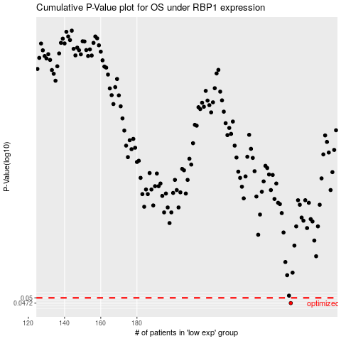

 |  |  |  |  |  | cases_OS | p_OS | rank | exp
 |  |  |  |  |  | 265 | 0.0472 | 201 | 0.057541907848
 |  |  |  |  |  |  | cases_RFS | p_RFS | rank | exp
 |  |  |  |  |  |  | 264 | 0.0472 | 384 | 0.039160917595

