RCC2 _multivariate
Reported by Tex Li-Hsing Chi. tex@gate.sinica.edu.tw 2019-08-16

Table 2. The clinicopathological features of HNSCC cohort and RCC2 expression. (Chi square test)
Cutoff at -0.07 (49.8%)
 |  | RCC2 expression |  | RCC2 expression |  | (Optimised)
 | Features | Low | (%) | High | (%) | Case no | P-value | Remark | Matthews
Gender | Female | 146 | 35.2 | 160 | 38.6 | 415 | 0.1714 | 0 | 0
2 | Male | 61 | 14.7 | 48 | 11.6
Age at diagnosis | <=65y | 134 | 32.3 | 140 | 33.7 | 415 | 0.6529 | 0 | 0
4 | >65y | 73 | 17.6 | 68 | 16.4
Clinical T Status | T1+T2 | 77 | 18.6 | 72 | 17.3 | 415 | 0.6556 | 0 | 0
6 | T3+T4 | 130 | 31.3 | 136 | 32.8
Clinical N Status | N0 | 113 | 27.2 | 103 | 24.8 | 415 | 0.3495 | 1 | 0
8 | N1-3 | 94 | 22.7 | 105 | 25.3
Clinical M Status | M0 | 206 | 49.6 | 206 | 49.6 | 415 | 1 | 0 | 0
10 | M1 | 1 | 0.2 | 2 | 0.5
Clinical Stage | Stage I+II | 56 | 13.5 | 46 | 11.1 | 415 | 0.2918 | 0 | 0
12 | Stage III+IV | 151 | 36.4 | 162 | 39
Surgical Margin status | Negative | 161 | 38.8 | 157 | 37.8 | 415 | 0.6429 | 0 | 0
14 | Positive | 46 | 11.1 | 51 | 12.3
Tobacco Exposure | Low | 89 | 21.4 | 72 | 17.3 | 415 | 0.0872 | 0 | 0
16 | High | 118 | 28.4 | 136 | 32.8

Table 3. Univariate/Multivariate Cox's proportional hazards regression analyses on OS time of RCC2 gene expression in HNSCC

 |  | Univariate |  |  |  | Multivariate
 | Features | HR | CI95%(L) | CI95%(H) | P-value | HR | CI95%(L) | CI95%(H) | P-value
1 | Female | 1 |  |  |  | 1
Gender | Male | 1.157 | 0.843 | 1.587 | 0.367 | 1.189 | 0.85 | 1.662 | 0.313
11 | <=65y | 1 |  |  |  | 1
Age at diagnosis | >65y | 1.329 | 0.99 | 1.784 | 0.058 | 1.397 | 1.028 | 1.899 | 0.033
12 | T1+T2 | 1 |  |  |  | 1
Clinical T Status | T3+T4 | 1.409 | 1.028 | 1.931 | 0.033 | 2.189 | 1.158 | 4.137 | 0.016
13 | N0 | 1 |  |  |  | 1
Clinical N Status | N1-3 | 1.185 | 0.89 | 1.577 | 0.246 | 1.244 | 0.872 | 1.776 | 0.229
14 | M0 | 1 |  |  |  | 1
Clinical M Status | M1 | 4.097 | 1.009 | 16.644 | 0.049 | 9.368 | 2.044 | 42.932 | 0.004
15 | Stage I+II | 1 |  |  |  | 1
Clinical Stage | Stage III+IV | 1.245 | 0.882 | 1.759 | 0.213 | 0.518 | 0.241 | 1.114 | 0.092
16 | Negative | 1 |  |  |  | 1
Surgical Margin status | Positive | 1.591 | 1.155 | 2.191 | 0.004 | 1.666 | 1.206 | 2.302 | 0.002
17 | Low | 1 |  |  |  | 1
Tobacco Exposure | High | 1.364 | 1.008 | 1.844 | 0.044 | 1.465 | 1.063 | 2.02 | 0.02
18 | Low | 1 |  |  |  | 1
RNAseq(z-score) | High | 0.899 | 0.675 | 1.198 | 0.469 | 0.872 | 0.651 | 1.168 | 0.359

Table 4. Univariate/Multivariate Cox's proportional hazards regression analyses on RFS time of RCC2 gene expression in HNSCC

 |  | Univariate |  |  |  | Multivariate
 | Features | HR | CI95%(L) | CI95%(H) | P-value | HR | CI95%(L) | CI95%(H) | P-value
1 | Female | 1 |  |  |  | 1
Gender | Male | 1.157 | 0.843 | 1.587 | 0.367 | 1.189 | 0.85 | 1.662 | 0.313
11 | <=65y | 1 |  |  |  | 1
Age at diagnosis | >65y | 1.329 | 0.99 | 1.784 | 0.058 | 1.397 | 1.028 | 1.899 | 0.033
12 | T1+T2 | 1 |  |  |  | 1
Clinical T Status | T3+T4 | 1.409 | 1.028 | 1.931 | 0.033 | 2.189 | 1.158 | 4.137 | 0.016
13 | N0 | 1 |  |  |  | 1
Clinical N Status | N1-3 | 1.185 | 0.89 | 1.577 | 0.246 | 1.244 | 0.872 | 1.776 | 0.229
14 | M0 | 1 |  |  |  | 1
Clinical M Status | M1 | 4.097 | 1.009 | 16.644 | 0.049 | 9.368 | 2.044 | 42.932 | 0.004
15 | Stage I+II | 1 |  |  |  | 1
Clinical Stage | Stage III+IV | 1.245 | 0.882 | 1.759 | 0.213 | 0.518 | 0.241 | 1.114 | 0.092
16 | Negative | 1 |  |  |  | 1
Surgical Margin status | Positive | 1.591 | 1.155 | 2.191 | 0.004 | 1.666 | 1.206 | 2.302 | 0.002
17 | Low | 1 |  |  |  | 1
Tobacco Exposure | High | 1.364 | 1.008 | 1.844 | 0.044 | 1.465 | 1.063 | 2.02 | 0.02
18 | Low | 1 |  |  |  | 1
RNAseq(z-score) | High | 0.899 | 0.675 | 1.198 | 0.469 | 0.872 | 0.651 | 1.168 | 0.359

Kaplan-Meier survival estimate: Cutoff at -0.07 (49.8%)



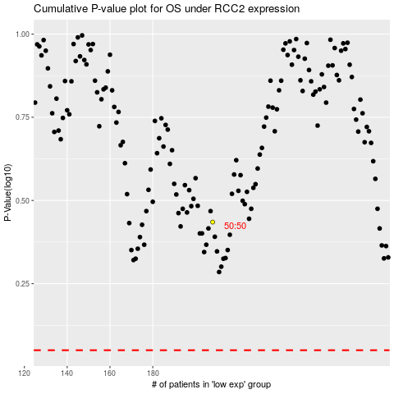

 |  |  |  |  |  | cases_OS | p_OS | rank | exp
 |  |  |  |  |  |  | cases_RFS | p_RFS | rank | exp

