RCL1 _multivariate
Reported by Tex Li-Hsing Chi. tex@gate.sinica.edu.tw 2019-08-16

Table 2. The clinicopathological features of HNSCC cohort and RCL1 expression. (Chi square test)
Cutoff at -0.185 (50.0%)
 |  | RCL1 expression |  | RCL1 expression |  | (Optimised)
 | Features | Low | (%) | High | (%) | Case no | P-value | Remark | Matthews
Gender | Female | 158 | 38.1 | 148 | 35.7 | 415 | 0.2774 | 0 | 0
2 | Male | 49 | 11.8 | 60 | 14.5
Age at diagnosis | <=65y | 144 | 34.7 | 130 | 31.3 | 415 | 0.1568 | 0 | 0
4 | >65y | 63 | 15.2 | 78 | 18.8
Clinical T Status | T1+T2 | 74 | 17.8 | 75 | 18.1 | 415 | 1 | 0 | 0
6 | T3+T4 | 133 | 32 | 133 | 32
Clinical N Status | N0 | 115 | 27.7 | 101 | 24.3 | 415 | 0.184 | 1 | 0
8 | N1-3 | 92 | 22.2 | 107 | 25.8
Clinical M Status | M0 | 205 | 49.4 | 207 | 49.9 | 415 | 0.6232 | 0 | 0
10 | M1 | 2 | 0.5 | 1 | 0.2
Clinical Stage | Stage I+II | 53 | 12.8 | 49 | 11.8 | 415 | 0.7113 | 0 | 0
12 | Stage III+IV | 154 | 37.1 | 159 | 38.3
Surgical Margin status | Negative | 162 | 39 | 156 | 37.6 | 415 | 0.4867 | 0 | 0
14 | Positive | 45 | 10.8 | 52 | 12.5
Tobacco Exposure | Low | 75 | 18.1 | 86 | 20.7 | 415 | 0.3141 | 0 | 0
16 | High | 132 | 31.8 | 122 | 29.4

Table 3. Univariate/Multivariate Cox's proportional hazards regression analyses on OS time of RCL1 gene expression in HNSCC

 |  | Univariate |  |  |  | Multivariate
 | Features | HR | CI95%(L) | CI95%(H) | P-value | HR | CI95%(L) | CI95%(H) | P-value
1 | Female | 1 |  |  |  | 1
Gender | Male | 1.157 | 0.843 | 1.587 | 0.367 | 1.201 | 0.859 | 1.679 | 0.285
11 | <=65y | 1 |  |  |  | 1
Age at diagnosis | >65y | 1.329 | 0.99 | 1.784 | 0.058 | 1.376 | 1.011 | 1.873 | 0.042
12 | T1+T2 | 1 |  |  |  | 1
Clinical T Status | T3+T4 | 1.409 | 1.028 | 1.931 | 0.033 | 2.222 | 1.175 | 4.201 | 0.014
13 | N0 | 1 |  |  |  | 1
Clinical N Status | N1-3 | 1.185 | 0.89 | 1.577 | 0.246 | 1.22 | 0.854 | 1.743 | 0.274
14 | M0 | 1 |  |  |  | 1
Clinical M Status | M1 | 4.097 | 1.009 | 16.644 | 0.049 | 9.952 | 2.162 | 45.824 | 0.003
15 | Stage I+II | 1 |  |  |  | 1
Clinical Stage | Stage III+IV | 1.245 | 0.882 | 1.759 | 0.213 | 0.511 | 0.238 | 1.096 | 0.085
16 | Negative | 1 |  |  |  | 1
Surgical Margin status | Positive | 1.591 | 1.155 | 2.191 | 0.004 | 1.654 | 1.197 | 2.287 | 0.002
17 | Low | 1 |  |  |  | 1
Tobacco Exposure | High | 1.364 | 1.008 | 1.844 | 0.044 | 1.484 | 1.073 | 2.051 | 0.017
18 | Low | 1 |  |  |  | 1
RNAseq(z-score) | High | 1.151 | 0.863 | 1.536 | 0.338 | 1.159 | 0.862 | 1.559 | 0.327

Table 4. Univariate/Multivariate Cox's proportional hazards regression analyses on RFS time of RCL1 gene expression in HNSCC

 |  | Univariate |  |  |  | Multivariate
 | Features | HR | CI95%(L) | CI95%(H) | P-value | HR | CI95%(L) | CI95%(H) | P-value
1 | Female | 1 |  |  |  | 1
Gender | Male | 1.157 | 0.843 | 1.587 | 0.367 | 1.201 | 0.859 | 1.679 | 0.285
11 | <=65y | 1 |  |  |  | 1
Age at diagnosis | >65y | 1.329 | 0.99 | 1.784 | 0.058 | 1.376 | 1.011 | 1.873 | 0.042
12 | T1+T2 | 1 |  |  |  | 1
Clinical T Status | T3+T4 | 1.409 | 1.028 | 1.931 | 0.033 | 2.222 | 1.175 | 4.201 | 0.014
13 | N0 | 1 |  |  |  | 1
Clinical N Status | N1-3 | 1.185 | 0.89 | 1.577 | 0.246 | 1.22 | 0.854 | 1.743 | 0.274
14 | M0 | 1 |  |  |  | 1
Clinical M Status | M1 | 4.097 | 1.009 | 16.644 | 0.049 | 9.952 | 2.162 | 45.824 | 0.003
15 | Stage I+II | 1 |  |  |  | 1
Clinical Stage | Stage III+IV | 1.245 | 0.882 | 1.759 | 0.213 | 0.511 | 0.238 | 1.096 | 0.085
16 | Negative | 1 |  |  |  | 1
Surgical Margin status | Positive | 1.591 | 1.155 | 2.191 | 0.004 | 1.654 | 1.197 | 2.287 | 0.002
17 | Low | 1 |  |  |  | 1
Tobacco Exposure | High | 1.364 | 1.008 | 1.844 | 0.044 | 1.484 | 1.073 | 2.051 | 0.017
18 | Low | 1 |  |  |  | 1
RNAseq(z-score) | High | 1.151 | 0.863 | 1.536 | 0.338 | 1.159 | 0.862 | 1.559 | 0.327

Kaplan-Meier survival estimate: Cutoff at -0.185 (50.0%)



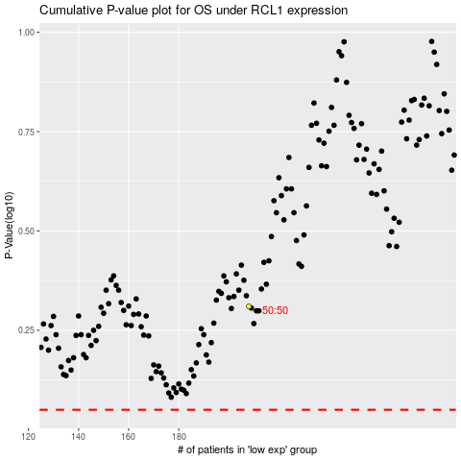

 |  |  |  |  |  | cases_OS | p_OS | rank | exp
 |  |  |  |  |  |  | cases_RFS | p_RFS | rank | exp

