RCN2 _multivariate
Reported by Tex Li-Hsing Chi. tex@gate.sinica.edu.tw 2019-08-16

Table 2. The clinicopathological features of HNSCC cohort and RCN2 expression. (Chi square test)
Cutoff at -0.236 (50.0%)
 |  | RCN2 expression |  | RCN2 expression |  | (Optimised)
 | Features | Low | (%) | High | (%) | Case no | P-value | Remark | Matthews
Gender | Female | 148 | 35.7 | 158 | 38.1 | 415 | 0.3567 | 0 | 0
2 | Male | 59 | 14.2 | 50 | 12
Age at diagnosis | <=65y | 123 | 29.6 | 151 | 36.4 | 415 | 0.0063 | 1 | 0
4 | >65y | 84 | 20.2 | 57 | 13.7
Clinical T Status | T1+T2 | 70 | 16.9 | 79 | 19 | 415 | 0.4343 | 0 | 0
6 | T3+T4 | 137 | 33 | 129 | 31.1
Clinical N Status | N0 | 99 | 23.9 | 117 | 28.2 | 415 | 0.1054 | 0 | 0
8 | N1-3 | 108 | 26 | 91 | 21.9
Clinical M Status | M0 | 206 | 49.6 | 206 | 49.6 | 415 | 1 | 0 | 0
10 | M1 | 1 | 0.2 | 2 | 0.5
Clinical Stage | Stage I+II | 49 | 11.8 | 53 | 12.8 | 415 | 0.7535 | 0 | 0
12 | Stage III+IV | 158 | 38.1 | 155 | 37.3
Surgical Margin status | Negative | 163 | 39.3 | 155 | 37.3 | 415 | 0.3537 | 0 | 0
14 | Positive | 44 | 10.6 | 53 | 12.8
Tobacco Exposure | Low | 93 | 22.4 | 68 | 16.4 | 415 | 0.0118 | 1 | 0
16 | High | 114 | 27.5 | 140 | 33.7

Table 3. Univariate/Multivariate Cox's proportional hazards regression analyses on OS time of RCN2 gene expression in HNSCC

 |  | Univariate |  |  |  | Multivariate
 | Features | HR | CI95%(L) | CI95%(H) | P-value | HR | CI95%(L) | CI95%(H) | P-value
1 | Female | 1 |  |  |  | 1
Gender | Male | 1.157 | 0.843 | 1.587 | 0.367 | 1.202 | 0.86 | 1.679 | 0.281
11 | <=65y | 1 |  |  |  | 1
Age at diagnosis | >65y | 1.329 | 0.99 | 1.784 | 0.058 | 1.389 | 1.019 | 1.893 | 0.037
12 | T1+T2 | 1 |  |  |  | 1
Clinical T Status | T3+T4 | 1.409 | 1.028 | 1.931 | 0.033 | 2.197 | 1.16 | 4.161 | 0.016
13 | N0 | 1 |  |  |  | 1
Clinical N Status | N1-3 | 1.185 | 0.89 | 1.577 | 0.246 | 1.238 | 0.864 | 1.772 | 0.244
14 | M0 | 1 |  |  |  | 1
Clinical M Status | M1 | 4.097 | 1.009 | 16.644 | 0.049 | 9.445 | 2.056 | 43.379 | 0.004
15 | Stage I+II | 1 |  |  |  | 1
Clinical Stage | Stage III+IV | 1.245 | 0.882 | 1.759 | 0.213 | 0.506 | 0.235 | 1.088 | 0.081
16 | Negative | 1 |  |  |  | 1
Surgical Margin status | Positive | 1.591 | 1.155 | 2.191 | 0.004 | 1.673 | 1.21 | 2.313 | 0.002
17 | Low | 1 |  |  |  | 1
Tobacco Exposure | High | 1.364 | 1.008 | 1.844 | 0.044 | 1.458 | 1.05 | 2.026 | 0.024
18 | Low | 1 |  |  |  | 1
RNAseq(z-score) | High | 0.993 | 0.745 | 1.323 | 0.96 | 0.984 | 0.728 | 1.332 | 0.919

Table 4. Univariate/Multivariate Cox's proportional hazards regression analyses on RFS time of RCN2 gene expression in HNSCC

 |  | Univariate |  |  |  | Multivariate
 | Features | HR | CI95%(L) | CI95%(H) | P-value | HR | CI95%(L) | CI95%(H) | P-value
1 | Female | 1 |  |  |  | 1
Gender | Male | 1.157 | 0.843 | 1.587 | 0.367 | 1.202 | 0.86 | 1.679 | 0.281
11 | <=65y | 1 |  |  |  | 1
Age at diagnosis | >65y | 1.329 | 0.99 | 1.784 | 0.058 | 1.389 | 1.019 | 1.893 | 0.037
12 | T1+T2 | 1 |  |  |  | 1
Clinical T Status | T3+T4 | 1.409 | 1.028 | 1.931 | 0.033 | 2.197 | 1.16 | 4.161 | 0.016
13 | N0 | 1 |  |  |  | 1
Clinical N Status | N1-3 | 1.185 | 0.89 | 1.577 | 0.246 | 1.238 | 0.864 | 1.772 | 0.244
14 | M0 | 1 |  |  |  | 1
Clinical M Status | M1 | 4.097 | 1.009 | 16.644 | 0.049 | 9.445 | 2.056 | 43.379 | 0.004
15 | Stage I+II | 1 |  |  |  | 1
Clinical Stage | Stage III+IV | 1.245 | 0.882 | 1.759 | 0.213 | 0.506 | 0.235 | 1.088 | 0.081
16 | Negative | 1 |  |  |  | 1
Surgical Margin status | Positive | 1.591 | 1.155 | 2.191 | 0.004 | 1.673 | 1.21 | 2.313 | 0.002
17 | Low | 1 |  |  |  | 1
Tobacco Exposure | High | 1.364 | 1.008 | 1.844 | 0.044 | 1.458 | 1.05 | 2.026 | 0.024
18 | Low | 1 |  |  |  | 1
RNAseq(z-score) | High | 0.993 | 0.745 | 1.323 | 0.96 | 0.984 | 0.728 | 1.332 | 0.919

Kaplan-Meier survival estimate: Cutoff at -0.236 (50.0%)



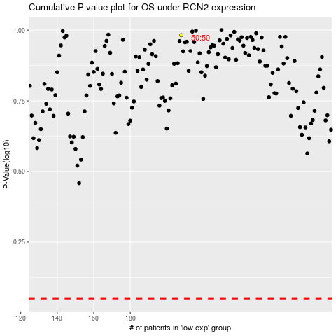

 |  |  |  |  |  | cases_OS | p_OS | rank | exp
 |  |  |  |  |  |  | cases_RFS | p_RFS | rank | exp

