RCN3 _multivariate
Reported by Tex Li-Hsing Chi. tex@gate.sinica.edu.tw 2019-08-16

Table 2. The clinicopathological features of HNSCC cohort and RCN3 expression. (Chi square test)
Cutoff at -0.243 (49.8%)
 |  | RCN3 expression |  | RCN3 expression |  | (Optimised)
 | Features | Low | (%) | High | (%) | Case no | P-value | Remark | Matthews
Gender | Female | 148 | 35.7 | 158 | 38.1 | 415 | 0.3567 | 0 | 0
2 | Male | 59 | 14.2 | 50 | 12
Age at diagnosis | <=65y | 135 | 32.5 | 139 | 33.5 | 415 | 0.8084 | 0 | 0
4 | >65y | 72 | 17.3 | 69 | 16.6
Clinical T Status | T1+T2 | 82 | 19.8 | 67 | 16.1 | 415 | 0.1417 | 0 | 0
6 | T3+T4 | 125 | 30.1 | 141 | 34
Clinical N Status | N0 | 105 | 25.3 | 111 | 26.7 | 415 | 0.6598 | 0 | 0
8 | N1-3 | 102 | 24.6 | 97 | 23.4
Clinical M Status | M0 | 204 | 49.2 | 208 | 50.1 | 415 | 0.1232 | 0 | 0
10 | M1 | 3 | 0.7 | 0 | 0
Clinical Stage | Stage I+II | 50 | 12 | 52 | 12.5 | 415 | 0.9315 | 0 | 0
12 | Stage III+IV | 157 | 37.8 | 156 | 37.6
Surgical Margin status | Negative | 154 | 37.1 | 164 | 39.5 | 415 | 0.2984 | 0 | 0
14 | Positive | 53 | 12.8 | 44 | 10.6
Tobacco Exposure | Low | 86 | 20.7 | 75 | 18.1 | 415 | 0.2687 | 0 | 0
16 | High | 121 | 29.2 | 133 | 32

Table 3. Univariate/Multivariate Cox's proportional hazards regression analyses on OS time of RCN3 gene expression in HNSCC

 |  | Univariate |  |  |  | Multivariate
 | Features | HR | CI95%(L) | CI95%(H) | P-value | HR | CI95%(L) | CI95%(H) | P-value
1 | Female | 1 |  |  |  | 1
Gender | Male | 1.157 | 0.843 | 1.587 | 0.367 | 1.197 | 0.856 | 1.673 | 0.294
11 | <=65y | 1 |  |  |  | 1
Age at diagnosis | >65y | 1.329 | 0.99 | 1.784 | 0.058 | 1.384 | 1.017 | 1.883 | 0.039
12 | T1+T2 | 1 |  |  |  | 1
Clinical T Status | T3+T4 | 1.409 | 1.028 | 1.931 | 0.033 | 2.235 | 1.178 | 4.241 | 0.014
13 | N0 | 1 |  |  |  | 1
Clinical N Status | N1-3 | 1.185 | 0.89 | 1.577 | 0.246 | 1.243 | 0.871 | 1.773 | 0.231
14 | M0 | 1 |  |  |  | 1
Clinical M Status | M1 | 4.097 | 1.009 | 16.644 | 0.049 | 9.192 | 1.999 | 42.279 | 0.004
15 | Stage I+II | 1 |  |  |  | 1
Clinical Stage | Stage III+IV | 1.245 | 0.882 | 1.759 | 0.213 | 0.497 | 0.231 | 1.07 | 0.074
16 | Negative | 1 |  |  |  | 1
Surgical Margin status | Positive | 1.591 | 1.155 | 2.191 | 0.004 | 1.667 | 1.206 | 2.304 | 0.002
17 | Low | 1 |  |  |  | 1
Tobacco Exposure | High | 1.364 | 1.008 | 1.844 | 0.044 | 1.459 | 1.058 | 2.011 | 0.021
18 | Low | 1 |  |  |  | 1
RNAseq(z-score) | High | 0.927 | 0.696 | 1.235 | 0.605 | 0.936 | 0.699 | 1.254 | 0.658

Table 4. Univariate/Multivariate Cox's proportional hazards regression analyses on RFS time of RCN3 gene expression in HNSCC

 |  | Univariate |  |  |  | Multivariate
 | Features | HR | CI95%(L) | CI95%(H) | P-value | HR | CI95%(L) | CI95%(H) | P-value
1 | Female | 1 |  |  |  | 1
Gender | Male | 1.157 | 0.843 | 1.587 | 0.367 | 1.197 | 0.856 | 1.673 | 0.294
11 | <=65y | 1 |  |  |  | 1
Age at diagnosis | >65y | 1.329 | 0.99 | 1.784 | 0.058 | 1.384 | 1.017 | 1.883 | 0.039
12 | T1+T2 | 1 |  |  |  | 1
Clinical T Status | T3+T4 | 1.409 | 1.028 | 1.931 | 0.033 | 2.235 | 1.178 | 4.241 | 0.014
13 | N0 | 1 |  |  |  | 1
Clinical N Status | N1-3 | 1.185 | 0.89 | 1.577 | 0.246 | 1.243 | 0.871 | 1.773 | 0.231
14 | M0 | 1 |  |  |  | 1
Clinical M Status | M1 | 4.097 | 1.009 | 16.644 | 0.049 | 9.192 | 1.999 | 42.279 | 0.004
15 | Stage I+II | 1 |  |  |  | 1
Clinical Stage | Stage III+IV | 1.245 | 0.882 | 1.759 | 0.213 | 0.497 | 0.231 | 1.07 | 0.074
16 | Negative | 1 |  |  |  | 1
Surgical Margin status | Positive | 1.591 | 1.155 | 2.191 | 0.004 | 1.667 | 1.206 | 2.304 | 0.002
17 | Low | 1 |  |  |  | 1
Tobacco Exposure | High | 1.364 | 1.008 | 1.844 | 0.044 | 1.459 | 1.058 | 2.011 | 0.021
18 | Low | 1 |  |  |  | 1
RNAseq(z-score) | High | 0.927 | 0.696 | 1.235 | 0.605 | 0.936 | 0.699 | 1.254 | 0.658

Kaplan-Meier survival estimate: Cutoff at -0.243 (49.8%)



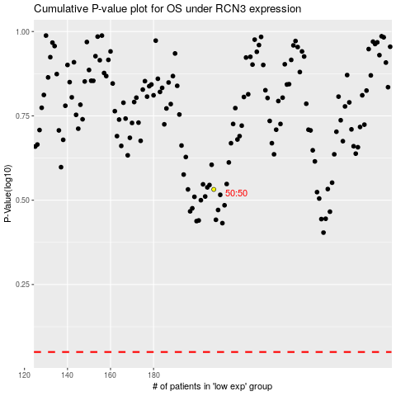

 |  |  |  |  |  | cases_OS | p_OS | rank | exp
 |  |  |  |  |  |  | cases_RFS | p_RFS | rank | exp

