RCOR1 _multivariate
Reported by Tex Li-Hsing Chi. tex@gate.sinica.edu.tw 2019-08-16

Table 2. The clinicopathological features of HNSCC cohort and RCOR1 expression. (Chi square test)
Cutoff at -0.087 (50.0%)
 |  | RCOR1 expression |  | RCOR1 expression |  | (Optimised)
 | Features | Low | (%) | High | (%) | Case no | P-value | Remark | Matthews
Gender | Female | 160 | 38.6 | 146 | 35.2 | 415 | 0.1254 | 0 | 0
2 | Male | 47 | 11.3 | 62 | 14.9
Age at diagnosis | <=65y | 132 | 31.8 | 142 | 34.2 | 415 | 0.3874 | 0 | 0
4 | >65y | 75 | 18.1 | 66 | 15.9
Clinical T Status | T1+T2 | 86 | 20.7 | 63 | 15.2 | 415 | 0.0221 | 1 | 0
6 | T3+T4 | 121 | 29.2 | 145 | 34.9
Clinical N Status | N0 | 104 | 25.1 | 112 | 27 | 415 | 0.5243 | 0 | 0
8 | N1-3 | 103 | 24.8 | 96 | 23.1
Clinical M Status | M0 | 204 | 49.2 | 208 | 50.1 | 415 | 0.1232 | 0 | 0
10 | M1 | 3 | 0.7 | 0 | 0
Clinical Stage | Stage I+II | 57 | 13.7 | 45 | 10.8 | 415 | 0.1998 | 0 | 0
12 | Stage III+IV | 150 | 36.1 | 163 | 39.3
Surgical Margin status | Negative | 150 | 36.1 | 168 | 40.5 | 415 | 0.0492 | 1 | 0
14 | Positive | 57 | 13.7 | 40 | 9.6
Tobacco Exposure | Low | 80 | 19.3 | 81 | 19.5 | 415 | 1 | 0 | 0
16 | High | 127 | 30.6 | 127 | 30.6

Table 3. Univariate/Multivariate Cox's proportional hazards regression analyses on OS time of RCOR1 gene expression in HNSCC

 |  | Univariate |  |  |  | Multivariate
 | Features | HR | CI95%(L) | CI95%(H) | P-value | HR | CI95%(L) | CI95%(H) | P-value
1 | Female | 1 |  |  |  | 1
Gender | Male | 1.157 | 0.843 | 1.587 | 0.367 | 1.198 | 0.857 | 1.675 | 0.291
11 | <=65y | 1 |  |  |  | 1
Age at diagnosis | >65y | 1.329 | 0.99 | 1.784 | 0.058 | 1.397 | 1.027 | 1.901 | 0.033
12 | T1+T2 | 1 |  |  |  | 1
Clinical T Status | T3+T4 | 1.409 | 1.028 | 1.931 | 0.033 | 2.191 | 1.158 | 4.146 | 0.016
13 | N0 | 1 |  |  |  | 1
Clinical N Status | N1-3 | 1.185 | 0.89 | 1.577 | 0.246 | 1.25 | 0.873 | 1.789 | 0.223
14 | M0 | 1 |  |  |  | 1
Clinical M Status | M1 | 4.097 | 1.009 | 16.644 | 0.049 | 9.567 | 2.078 | 44.032 | 0.004
15 | Stage I+II | 1 |  |  |  | 1
Clinical Stage | Stage III+IV | 1.245 | 0.882 | 1.759 | 0.213 | 0.503 | 0.234 | 1.079 | 0.078
16 | Negative | 1 |  |  |  | 1
Surgical Margin status | Positive | 1.591 | 1.155 | 2.191 | 0.004 | 1.679 | 1.213 | 2.322 | 0.002
17 | Low | 1 |  |  |  | 1
Tobacco Exposure | High | 1.364 | 1.008 | 1.844 | 0.044 | 1.452 | 1.054 | 2.001 | 0.023
18 | Low | 1 |  |  |  | 1
RNAseq(z-score) | High | 1.006 | 0.756 | 1.34 | 0.965 | 1.046 | 0.779 | 1.405 | 0.764

Table 4. Univariate/Multivariate Cox's proportional hazards regression analyses on RFS time of RCOR1 gene expression in HNSCC

 |  | Univariate |  |  |  | Multivariate
 | Features | HR | CI95%(L) | CI95%(H) | P-value | HR | CI95%(L) | CI95%(H) | P-value
1 | Female | 1 |  |  |  | 1
Gender | Male | 1.157 | 0.843 | 1.587 | 0.367 | 1.198 | 0.857 | 1.675 | 0.291
11 | <=65y | 1 |  |  |  | 1
Age at diagnosis | >65y | 1.329 | 0.99 | 1.784 | 0.058 | 1.397 | 1.027 | 1.901 | 0.033
12 | T1+T2 | 1 |  |  |  | 1
Clinical T Status | T3+T4 | 1.409 | 1.028 | 1.931 | 0.033 | 2.191 | 1.158 | 4.146 | 0.016
13 | N0 | 1 |  |  |  | 1
Clinical N Status | N1-3 | 1.185 | 0.89 | 1.577 | 0.246 | 1.25 | 0.873 | 1.789 | 0.223
14 | M0 | 1 |  |  |  | 1
Clinical M Status | M1 | 4.097 | 1.009 | 16.644 | 0.049 | 9.567 | 2.078 | 44.032 | 0.004
15 | Stage I+II | 1 |  |  |  | 1
Clinical Stage | Stage III+IV | 1.245 | 0.882 | 1.759 | 0.213 | 0.503 | 0.234 | 1.079 | 0.078
16 | Negative | 1 |  |  |  | 1
Surgical Margin status | Positive | 1.591 | 1.155 | 2.191 | 0.004 | 1.679 | 1.213 | 2.322 | 0.002
17 | Low | 1 |  |  |  | 1
Tobacco Exposure | High | 1.364 | 1.008 | 1.844 | 0.044 | 1.452 | 1.054 | 2.001 | 0.023
18 | Low | 1 |  |  |  | 1
RNAseq(z-score) | High | 1.006 | 0.756 | 1.34 | 0.965 | 1.046 | 0.779 | 1.405 | 0.764

Kaplan-Meier survival estimate: Cutoff at -0.087 (50.0%)



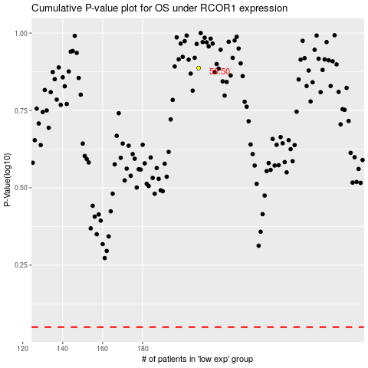

 |  |  |  |  |  | cases_OS | p_OS | rank | exp
 |  |  |  |  |  |  | cases_RFS | p_RFS | rank | exp

