RCOR2 _multivariate
Reported by Tex Li-Hsing Chi. tex@gate.sinica.edu.tw 2019-08-16

Table 2. The clinicopathological features of HNSCC cohort and RCOR2 expression. (Chi square test)
Cutoff at -0.322 (49.8%)
 |  | RCOR2 expression |  | RCOR2 expression |  | (Optimised)
 | Features | Low | (%) | High | (%) | Case no | P-value | Remark | Matthews
Gender | Female | 137 | 33 | 169 | 40.7 | 415 | 7e-04 | 1 | 0
2 | Male | 70 | 16.9 | 39 | 9.4
Age at diagnosis | <=65y | 130 | 31.3 | 144 | 34.7 | 415 | 0.2009 | 0 | 0
4 | >65y | 77 | 18.6 | 64 | 15.4
Clinical T Status | T1+T2 | 81 | 19.5 | 68 | 16.4 | 415 | 0.206 | 0 | 0
6 | T3+T4 | 126 | 30.4 | 140 | 33.7
Clinical N Status | N0 | 110 | 26.5 | 106 | 25.5 | 415 | 0.7294 | 0 | 0
8 | N1-3 | 97 | 23.4 | 102 | 24.6
Clinical M Status | M0 | 205 | 49.4 | 207 | 49.9 | 415 | 0.6232 | 0 | 0
10 | M1 | 2 | 0.5 | 1 | 0.2
Clinical Stage | Stage I+II | 57 | 13.7 | 45 | 10.8 | 415 | 0.1998 | 0 | 0
12 | Stage III+IV | 150 | 36.1 | 163 | 39.3
Surgical Margin status | Negative | 157 | 37.8 | 161 | 38.8 | 415 | 0.729 | 0 | 0
14 | Positive | 50 | 12 | 47 | 11.3
Tobacco Exposure | Low | 99 | 23.9 | 62 | 14.9 | 415 | 2e-04 | 1 | 0
16 | High | 108 | 26 | 146 | 35.2

Table 3. Univariate/Multivariate Cox's proportional hazards regression analyses on OS time of RCOR2 gene expression in HNSCC

 |  | Univariate |  |  |  | Multivariate
 | Features | HR | CI95%(L) | CI95%(H) | P-value | HR | CI95%(L) | CI95%(H) | P-value
1 | Female | 1 |  |  |  | 1
Gender | Male | 1.157 | 0.843 | 1.587 | 0.367 | 1.227 | 0.875 | 1.721 | 0.236
11 | <=65y | 1 |  |  |  | 1
Age at diagnosis | >65y | 1.329 | 0.99 | 1.784 | 0.058 | 1.401 | 1.03 | 1.904 | 0.031
12 | T1+T2 | 1 |  |  |  | 1
Clinical T Status | T3+T4 | 1.409 | 1.028 | 1.931 | 0.033 | 2.192 | 1.16 | 4.145 | 0.016
13 | N0 | 1 |  |  |  | 1
Clinical N Status | N1-3 | 1.185 | 0.89 | 1.577 | 0.246 | 1.245 | 0.872 | 1.778 | 0.227
14 | M0 | 1 |  |  |  | 1
Clinical M Status | M1 | 4.097 | 1.009 | 16.644 | 0.049 | 9.593 | 2.091 | 44.008 | 0.004
15 | Stage I+II | 1 |  |  |  | 1
Clinical Stage | Stage III+IV | 1.245 | 0.882 | 1.759 | 0.213 | 0.498 | 0.232 | 1.069 | 0.074
16 | Negative | 1 |  |  |  | 1
Surgical Margin status | Positive | 1.591 | 1.155 | 2.191 | 0.004 | 1.674 | 1.211 | 2.313 | 0.002
17 | Low | 1 |  |  |  | 1
Tobacco Exposure | High | 1.364 | 1.008 | 1.844 | 0.044 | 1.422 | 1.028 | 1.967 | 0.034
18 | Low | 1 |  |  |  | 1
RNAseq(z-score) | High | 1.155 | 0.865 | 1.543 | 0.328 | 1.134 | 0.837 | 1.537 | 0.417

Table 4. Univariate/Multivariate Cox's proportional hazards regression analyses on RFS time of RCOR2 gene expression in HNSCC

 |  | Univariate |  |  |  | Multivariate
 | Features | HR | CI95%(L) | CI95%(H) | P-value | HR | CI95%(L) | CI95%(H) | P-value
1 | Female | 1 |  |  |  | 1
Gender | Male | 1.157 | 0.843 | 1.587 | 0.367 | 1.227 | 0.875 | 1.721 | 0.236
11 | <=65y | 1 |  |  |  | 1
Age at diagnosis | >65y | 1.329 | 0.99 | 1.784 | 0.058 | 1.401 | 1.03 | 1.904 | 0.031
12 | T1+T2 | 1 |  |  |  | 1
Clinical T Status | T3+T4 | 1.409 | 1.028 | 1.931 | 0.033 | 2.192 | 1.16 | 4.145 | 0.016
13 | N0 | 1 |  |  |  | 1
Clinical N Status | N1-3 | 1.185 | 0.89 | 1.577 | 0.246 | 1.245 | 0.872 | 1.778 | 0.227
14 | M0 | 1 |  |  |  | 1
Clinical M Status | M1 | 4.097 | 1.009 | 16.644 | 0.049 | 9.593 | 2.091 | 44.008 | 0.004
15 | Stage I+II | 1 |  |  |  | 1
Clinical Stage | Stage III+IV | 1.245 | 0.882 | 1.759 | 0.213 | 0.498 | 0.232 | 1.069 | 0.074
16 | Negative | 1 |  |  |  | 1
Surgical Margin status | Positive | 1.591 | 1.155 | 2.191 | 0.004 | 1.674 | 1.211 | 2.313 | 0.002
17 | Low | 1 |  |  |  | 1
Tobacco Exposure | High | 1.364 | 1.008 | 1.844 | 0.044 | 1.422 | 1.028 | 1.967 | 0.034
18 | Low | 1 |  |  |  | 1
RNAseq(z-score) | High | 1.155 | 0.865 | 1.543 | 0.328 | 1.134 | 0.837 | 1.537 | 0.417

Kaplan-Meier survival estimate: Cutoff at -0.322 (49.8%)



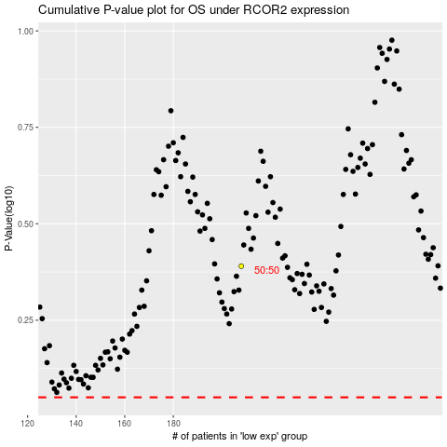

 |  |  |  |  |  | cases_OS | p_OS | rank | exp
 |  |  |  |  |  |  | cases_RFS | p_RFS | rank | exp

