RDH12 _multivariate
Reported by Tex Li-Hsing Chi. tex@gate.sinica.edu.tw 2019-08-16

Table 2. The clinicopathological features of HNSCC cohort and RDH12 expression. (Chi square test)
Cutoff at -0.473 (41.3%)
 |  | RDH12 expression |  | RDH12 expression |  | (Optimised)
 | Features | Low | (%) | High | (%) | Case no | P-value | Remark | Matthews
Gender | Female | 135 | 32.5 | 171 | 41.2 | 415 | 0.0566 | 0 | 0
2 | Male | 36 | 8.7 | 73 | 17.6
Age at diagnosis | <=65y | 116 | 28 | 158 | 38.1 | 415 | 0.5842 | 0 | 0
4 | >65y | 55 | 13.3 | 86 | 20.7
Clinical T Status | T1+T2 | 70 | 16.9 | 79 | 19 | 415 | 0.092 | 0 | 0
6 | T3+T4 | 101 | 24.3 | 165 | 39.8
Clinical N Status | N0 | 77 | 18.6 | 139 | 33.5 | 415 | 0.0217 | 1 | 0
8 | N1-3 | 94 | 22.7 | 105 | 25.3
Clinical M Status | M0 | 170 | 41 | 242 | 58.3 | 415 | 1 | 0 | 0
10 | M1 | 1 | 0.2 | 2 | 0.5
Clinical Stage | Stage I+II | 39 | 9.4 | 63 | 15.2 | 415 | 0.558 | 0 | 0
12 | Stage III+IV | 132 | 31.8 | 181 | 43.6
Surgical Margin status | Negative | 123 | 29.6 | 195 | 47 | 415 | 0.0606 | 0 | 0
14 | Positive | 48 | 11.6 | 49 | 11.8
Tobacco Exposure | Low | 68 | 16.4 | 93 | 22.4 | 415 | 0.7594 | 0 | 0
16 | High | 103 | 24.8 | 151 | 36.4

Table 3. Univariate/Multivariate Cox's proportional hazards regression analyses on OS time of RDH12 gene expression in HNSCC

 |  | Univariate |  |  |  | Multivariate
 | Features | HR | CI95%(L) | CI95%(H) | P-value | HR | CI95%(L) | CI95%(H) | P-value
1 | Female | 1 |  |  |  | 1
Gender | Male | 1.157 | 0.843 | 1.587 | 0.367 | 1.297 | 0.924 | 1.821 | 0.133
11 | <=65y | 1 |  |  |  | 1
Age at diagnosis | >65y | 1.329 | 0.99 | 1.784 | 0.058 | 1.387 | 1.021 | 1.885 | 0.036
12 | T1+T2 | 1 |  |  |  | 1
Clinical T Status | T3+T4 | 1.409 | 1.028 | 1.931 | 0.033 | 2.468 | 1.299 | 4.687 | 0.006
13 | N0 | 1 |  |  |  | 1
Clinical N Status | N1-3 | 1.185 | 0.89 | 1.577 | 0.246 | 1.197 | 0.838 | 1.711 | 0.323
14 | M0 | 1 |  |  |  | 1
Clinical M Status | M1 | 4.097 | 1.009 | 16.644 | 0.049 | 11.76 | 2.54 | 54.455 | 0.002
15 | Stage I+II | 1 |  |  |  | 1
Clinical Stage | Stage III+IV | 1.245 | 0.882 | 1.759 | 0.213 | 0.469 | 0.218 | 1.007 | 0.052
16 | Negative | 1 |  |  |  | 1
Surgical Margin status | Positive | 1.591 | 1.155 | 2.191 | 0.004 | 1.605 | 1.16 | 2.22 | 0.004
17 | Low | 1 |  |  |  | 1
Tobacco Exposure | High | 1.364 | 1.008 | 1.844 | 0.044 | 1.509 | 1.094 | 2.082 | 0.012
18 | Low | 1 |  |  |  | 1
RNAseq(z-score) | High | 0.737 | 0.552 | 0.985 | 0.039 | 0.667 | 0.494 | 0.902 | 0.009

Table 4. Univariate/Multivariate Cox's proportional hazards regression analyses on RFS time of RDH12 gene expression in HNSCC

 |  | Univariate |  |  |  | Multivariate
 | Features | HR | CI95%(L) | CI95%(H) | P-value | HR | CI95%(L) | CI95%(H) | P-value
1 | Female | 1 |  |  |  | 1
Gender | Male | 1.157 | 0.843 | 1.587 | 0.367 | 1.297 | 0.924 | 1.821 | 0.133
11 | <=65y | 1 |  |  |  | 1
Age at diagnosis | >65y | 1.329 | 0.99 | 1.784 | 0.058 | 1.387 | 1.021 | 1.885 | 0.036
12 | T1+T2 | 1 |  |  |  | 1
Clinical T Status | T3+T4 | 1.409 | 1.028 | 1.931 | 0.033 | 2.468 | 1.299 | 4.687 | 0.006
13 | N0 | 1 |  |  |  | 1
Clinical N Status | N1-3 | 1.185 | 0.89 | 1.577 | 0.246 | 1.197 | 0.838 | 1.711 | 0.323
14 | M0 | 1 |  |  |  | 1
Clinical M Status | M1 | 4.097 | 1.009 | 16.644 | 0.049 | 11.76 | 2.54 | 54.455 | 0.002
15 | Stage I+II | 1 |  |  |  | 1
Clinical Stage | Stage III+IV | 1.245 | 0.882 | 1.759 | 0.213 | 0.469 | 0.218 | 1.007 | 0.052
16 | Negative | 1 |  |  |  | 1
Surgical Margin status | Positive | 1.591 | 1.155 | 2.191 | 0.004 | 1.605 | 1.16 | 2.22 | 0.004
17 | Low | 1 |  |  |  | 1
Tobacco Exposure | High | 1.364 | 1.008 | 1.844 | 0.044 | 1.509 | 1.094 | 2.082 | 0.012
18 | Low | 1 |  |  |  | 1
RNAseq(z-score) | High | 0.737 | 0.552 | 0.985 | 0.039 | 0.667 | 0.494 | 0.902 | 0.009

Kaplan-Meier survival estimate: Cutoff at -0.473 (41.3%)



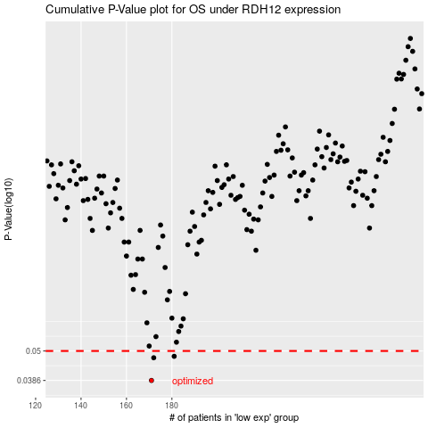

 |  |  |  |  |  | cases_OS | p_OS | rank | exp
 |  |  |  |  |  | 171 | 0.0386 | 89 | -0.47256803176
 |  |  |  |  |  | 172 | 0.0471 | 392 | -0.472267358
 |  |  |  |  |  | 181 | 0.0477 | 351 | -0.45911992668
 |  |  |  |  |  |  | cases_RFS | p_RFS | rank | exp
 |  |  |  |  |  |  | 170 | 0.0386 | 113 | -0.47388946209
 |  |  |  |  |  |  | 171 | 0.0471 | 89 | -0.47256803176
 |  |  |  |  |  |  | 180 | 0.0477 | 281 | -0.45954583948

