RDH13 _multivariate
Reported by Tex Li-Hsing Chi. tex@gate.sinica.edu.tw 2019-08-16

Table 2. The clinicopathological features of HNSCC cohort and RDH13 expression. (Chi square test)
Cutoff at -0.241 (50.0%)
 |  | RDH13 expression |  | RDH13 expression |  | (Optimised)
 | Features | Low | (%) | High | (%) | Case no | P-value | Remark | Matthews
Gender | Female | 148 | 35.7 | 158 | 38.1 | 415 | 0.3567 | 0 | 0
2 | Male | 59 | 14.2 | 50 | 12
Age at diagnosis | <=65y | 138 | 33.3 | 136 | 32.8 | 415 | 0.8634 | 0 | 0
4 | >65y | 69 | 16.6 | 72 | 17.3
Clinical T Status | T1+T2 | 85 | 20.5 | 64 | 15.4 | 415 | 0.0372 | 1 | 0
6 | T3+T4 | 122 | 29.4 | 144 | 34.7
Clinical N Status | N0 | 102 | 24.6 | 114 | 27.5 | 415 | 0.3031 | 0 | 0
8 | N1-3 | 105 | 25.3 | 94 | 22.7
Clinical M Status | M0 | 205 | 49.4 | 207 | 49.9 | 415 | 0.6232 | 0 | 0
10 | M1 | 2 | 0.5 | 1 | 0.2
Clinical Stage | Stage I+II | 57 | 13.7 | 45 | 10.8 | 415 | 0.1998 | 0 | 0
12 | Stage III+IV | 150 | 36.1 | 163 | 39.3
Surgical Margin status | Negative | 157 | 37.8 | 161 | 38.8 | 415 | 0.729 | 0 | 0
14 | Positive | 50 | 12 | 47 | 11.3
Tobacco Exposure | Low | 86 | 20.7 | 75 | 18.1 | 415 | 0.2687 | 0 | 0
16 | High | 121 | 29.2 | 133 | 32

Table 3. Univariate/Multivariate Cox's proportional hazards regression analyses on OS time of RDH13 gene expression in HNSCC

 |  | Univariate |  |  |  | Multivariate
 | Features | HR | CI95%(L) | CI95%(H) | P-value | HR | CI95%(L) | CI95%(H) | P-value
1 | Female | 1 |  |  |  | 1
Gender | Male | 1.157 | 0.843 | 1.587 | 0.367 | 1.238 | 0.886 | 1.729 | 0.212
11 | <=65y | 1 |  |  |  | 1
Age at diagnosis | >65y | 1.329 | 0.99 | 1.784 | 0.058 | 1.387 | 1.021 | 1.885 | 0.036
12 | T1+T2 | 1 |  |  |  | 1
Clinical T Status | T3+T4 | 1.409 | 1.028 | 1.931 | 0.033 | 2.265 | 1.197 | 4.286 | 0.012
13 | N0 | 1 |  |  |  | 1
Clinical N Status | N1-3 | 1.185 | 0.89 | 1.577 | 0.246 | 1.196 | 0.837 | 1.71 | 0.326
14 | M0 | 1 |  |  |  | 1
Clinical M Status | M1 | 4.097 | 1.009 | 16.644 | 0.049 | 9.478 | 2.066 | 43.49 | 0.004
15 | Stage I+II | 1 |  |  |  | 1
Clinical Stage | Stage III+IV | 1.245 | 0.882 | 1.759 | 0.213 | 0.515 | 0.24 | 1.104 | 0.088
16 | Negative | 1 |  |  |  | 1
Surgical Margin status | Positive | 1.591 | 1.155 | 2.191 | 0.004 | 1.702 | 1.23 | 2.355 | 0.001
17 | Low | 1 |  |  |  | 1
Tobacco Exposure | High | 1.364 | 1.008 | 1.844 | 0.044 | 1.476 | 1.071 | 2.034 | 0.017
18 | Low | 1 |  |  |  | 1
RNAseq(z-score) | High | 0.815 | 0.612 | 1.087 | 0.163 | 0.761 | 0.568 | 1.019 | 0.067

Table 4. Univariate/Multivariate Cox's proportional hazards regression analyses on RFS time of RDH13 gene expression in HNSCC

 |  | Univariate |  |  |  | Multivariate
 | Features | HR | CI95%(L) | CI95%(H) | P-value | HR | CI95%(L) | CI95%(H) | P-value
1 | Female | 1 |  |  |  | 1
Gender | Male | 1.157 | 0.843 | 1.587 | 0.367 | 1.238 | 0.886 | 1.729 | 0.212
11 | <=65y | 1 |  |  |  | 1
Age at diagnosis | >65y | 1.329 | 0.99 | 1.784 | 0.058 | 1.387 | 1.021 | 1.885 | 0.036
12 | T1+T2 | 1 |  |  |  | 1
Clinical T Status | T3+T4 | 1.409 | 1.028 | 1.931 | 0.033 | 2.265 | 1.197 | 4.286 | 0.012
13 | N0 | 1 |  |  |  | 1
Clinical N Status | N1-3 | 1.185 | 0.89 | 1.577 | 0.246 | 1.196 | 0.837 | 1.71 | 0.326
14 | M0 | 1 |  |  |  | 1
Clinical M Status | M1 | 4.097 | 1.009 | 16.644 | 0.049 | 9.478 | 2.066 | 43.49 | 0.004
15 | Stage I+II | 1 |  |  |  | 1
Clinical Stage | Stage III+IV | 1.245 | 0.882 | 1.759 | 0.213 | 0.515 | 0.24 | 1.104 | 0.088
16 | Negative | 1 |  |  |  | 1
Surgical Margin status | Positive | 1.591 | 1.155 | 2.191 | 0.004 | 1.702 | 1.23 | 2.355 | 0.001
17 | Low | 1 |  |  |  | 1
Tobacco Exposure | High | 1.364 | 1.008 | 1.844 | 0.044 | 1.476 | 1.071 | 2.034 | 0.017
18 | Low | 1 |  |  |  | 1
RNAseq(z-score) | High | 0.815 | 0.612 | 1.087 | 0.163 | 0.761 | 0.568 | 1.019 | 0.067

Kaplan-Meier survival estimate: Cutoff at -0.241 (50.0%)



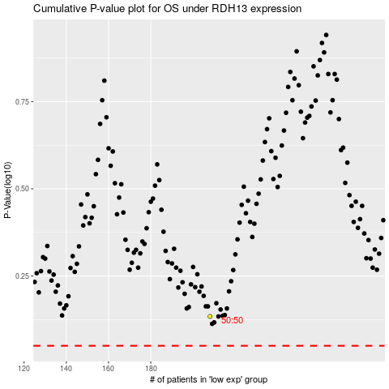

 |  |  |  |  |  | cases_OS | p_OS | rank | exp
 |  |  |  |  |  |  | cases_RFS | p_RFS | rank | exp

