RDH14 _multivariate
Reported by Tex Li-Hsing Chi. tex@gate.sinica.edu.tw 2019-08-16

Table 2. The clinicopathological features of HNSCC cohort and RDH14 expression. (Chi square test)
Cutoff at -0.611 (30.4%)
 |  | RDH14 expression |  | RDH14 expression |  | (Optimised)
 | Features | Low | (%) | High | (%) | Case no | P-value | Remark | Matthews
Gender | Female | 93 | 22.4 | 213 | 51.3 | 415 | 1 | 0 | 0
2 | Male | 33 | 8 | 76 | 18.3
Age at diagnosis | <=65y | 76 | 18.3 | 198 | 47.7 | 415 | 0.1316 | 0 | 0
4 | >65y | 50 | 12 | 91 | 21.9
Clinical T Status | T1+T2 | 46 | 11.1 | 103 | 24.8 | 415 | 0.9536 | 0 | 0
6 | T3+T4 | 80 | 19.3 | 186 | 44.8
Clinical N Status | N0 | 70 | 16.9 | 146 | 35.2 | 415 | 0.4023 | 0 | 0
8 | N1-3 | 56 | 13.5 | 143 | 34.5
Clinical M Status | M0 | 126 | 30.4 | 286 | 68.9 | 415 | 0.5566 | 0 | 0
10 | M1 | 0 | 0 | 3 | 0.7
Clinical Stage | Stage I+II | 30 | 7.2 | 72 | 17.3 | 415 | 0.9075 | 0 | 0
12 | Stage III+IV | 96 | 23.1 | 217 | 52.3
Surgical Margin status | Negative | 99 | 23.9 | 219 | 52.8 | 415 | 0.6142 | 0 | 0
14 | Positive | 27 | 6.5 | 70 | 16.9
Tobacco Exposure | Low | 50 | 12 | 111 | 26.7 | 415 | 0.8271 | 0 | 0
16 | High | 76 | 18.3 | 178 | 42.9

Table 3. Univariate/Multivariate Cox's proportional hazards regression analyses on OS time of RDH14 gene expression in HNSCC

 |  | Univariate |  |  |  | Multivariate
 | Features | HR | CI95%(L) | CI95%(H) | P-value | HR | CI95%(L) | CI95%(H) | P-value
1 | Female | 1 |  |  |  | 1
Gender | Male | 1.157 | 0.843 | 1.587 | 0.367 | 1.193 | 0.855 | 1.666 | 0.299
11 | <=65y | 1 |  |  |  | 1
Age at diagnosis | >65y | 1.329 | 0.99 | 1.784 | 0.058 | 1.429 | 1.051 | 1.945 | 0.023
12 | T1+T2 | 1 |  |  |  | 1
Clinical T Status | T3+T4 | 1.409 | 1.028 | 1.931 | 0.033 | 2.151 | 1.136 | 4.071 | 0.019
13 | N0 | 1 |  |  |  | 1
Clinical N Status | N1-3 | 1.185 | 0.89 | 1.577 | 0.246 | 1.219 | 0.854 | 1.741 | 0.275
14 | M0 | 1 |  |  |  | 1
Clinical M Status | M1 | 4.097 | 1.009 | 16.644 | 0.049 | 8.508 | 1.849 | 39.147 | 0.006
15 | Stage I+II | 1 |  |  |  | 1
Clinical Stage | Stage III+IV | 1.245 | 0.882 | 1.759 | 0.213 | 0.52 | 0.242 | 1.117 | 0.094
16 | Negative | 1 |  |  |  | 1
Surgical Margin status | Positive | 1.591 | 1.155 | 2.191 | 0.004 | 1.638 | 1.184 | 2.265 | 0.003
17 | Low | 1 |  |  |  | 1
Tobacco Exposure | High | 1.364 | 1.008 | 1.844 | 0.044 | 1.43 | 1.038 | 1.969 | 0.029
18 | Low | 1 |  |  |  | 1
RNAseq(z-score) | High | 1.38 | 1 | 1.904 | 0.05 | 1.333 | 0.962 | 1.847 | 0.084

Table 4. Univariate/Multivariate Cox's proportional hazards regression analyses on RFS time of RDH14 gene expression in HNSCC

 |  | Univariate |  |  |  | Multivariate
 | Features | HR | CI95%(L) | CI95%(H) | P-value | HR | CI95%(L) | CI95%(H) | P-value
1 | Female | 1 |  |  |  | 1
Gender | Male | 1.157 | 0.843 | 1.587 | 0.367 | 1.193 | 0.855 | 1.666 | 0.299
11 | <=65y | 1 |  |  |  | 1
Age at diagnosis | >65y | 1.329 | 0.99 | 1.784 | 0.058 | 1.429 | 1.051 | 1.945 | 0.023
12 | T1+T2 | 1 |  |  |  | 1
Clinical T Status | T3+T4 | 1.409 | 1.028 | 1.931 | 0.033 | 2.151 | 1.136 | 4.071 | 0.019
13 | N0 | 1 |  |  |  | 1
Clinical N Status | N1-3 | 1.185 | 0.89 | 1.577 | 0.246 | 1.219 | 0.854 | 1.741 | 0.275
14 | M0 | 1 |  |  |  | 1
Clinical M Status | M1 | 4.097 | 1.009 | 16.644 | 0.049 | 8.508 | 1.849 | 39.147 | 0.006
15 | Stage I+II | 1 |  |  |  | 1
Clinical Stage | Stage III+IV | 1.245 | 0.882 | 1.759 | 0.213 | 0.52 | 0.242 | 1.117 | 0.094
16 | Negative | 1 |  |  |  | 1
Surgical Margin status | Positive | 1.591 | 1.155 | 2.191 | 0.004 | 1.638 | 1.184 | 2.265 | 0.003
17 | Low | 1 |  |  |  | 1
Tobacco Exposure | High | 1.364 | 1.008 | 1.844 | 0.044 | 1.43 | 1.038 | 1.969 | 0.029
18 | Low | 1 |  |  |  | 1
RNAseq(z-score) | High | 1.38 | 1 | 1.904 | 0.05 | 1.333 | 0.962 | 1.847 | 0.084

Kaplan-Meier survival estimate: Cutoff at -0.611 (30.4%)



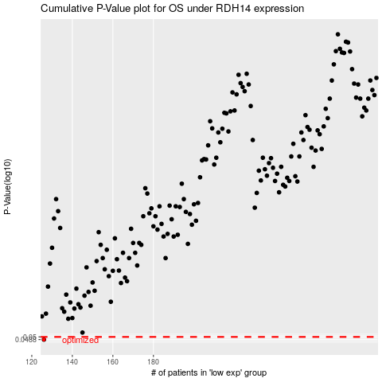

 |  |  |  |  |  | cases_OS | p_OS | rank | exp
 |  |  |  |  |  | 126 | 0.0488 | 236 | -0.61123995406
 |  |  |  |  |  |  | cases_RFS | p_RFS | rank | exp
 |  |  |  |  |  |  | 125 | 0.0488 | 112 | -0.61411696212

