RDH8 _multivariate
Reported by Tex Li-Hsing Chi. tex@gate.sinica.edu.tw 2019-08-16

Table 2. The clinicopathological features of HNSCC cohort and RDH8 expression. (Chi square test)
Cutoff at -0.315 (41.5%)
 |  | RDH8 expression |  | RDH8 expression |  | (Optimised)
 | Features | Low | (%) | High | (%) | Case no | P-value | Remark | Matthews
Gender | Female | 123 | 29.6 | 183 | 44.1 | 415 | 0.4516 | 0 | 0
2 | Male | 49 | 11.8 | 60 | 14.5
Age at diagnosis | <=65y | 115 | 27.7 | 159 | 38.3 | 415 | 0.8435 | 0 | 0
4 | >65y | 57 | 13.7 | 84 | 20.2
Clinical T Status | T1+T2 | 69 | 16.6 | 80 | 19.3 | 415 | 0.1612 | 0 | 0
6 | T3+T4 | 103 | 24.8 | 163 | 39.3
Clinical N Status | N0 | 87 | 21 | 129 | 31.1 | 415 | 0.6866 | 0 | 0
8 | N1-3 | 85 | 20.5 | 114 | 27.5
Clinical M Status | M0 | 169 | 40.7 | 243 | 58.6 | 415 | 0.0705 | 0 | 0
10 | M1 | 3 | 0.7 | 0 | 0
Clinical Stage | Stage I+II | 43 | 10.4 | 59 | 14.2 | 415 | 0.9584 | 0 | 0
12 | Stage III+IV | 129 | 31.1 | 184 | 44.3
Surgical Margin status | Negative | 134 | 32.3 | 184 | 44.3 | 415 | 0.6389 | 0 | 0
14 | Positive | 38 | 9.2 | 59 | 14.2
Tobacco Exposure | Low | 78 | 18.8 | 83 | 20 | 415 | 0.0245 | 1 | 0
16 | High | 94 | 22.7 | 160 | 38.6

Table 3. Univariate/Multivariate Cox's proportional hazards regression analyses on OS time of RDH8 gene expression in HNSCC

 |  | Univariate |  |  |  | Multivariate
 | Features | HR | CI95%(L) | CI95%(H) | P-value | HR | CI95%(L) | CI95%(H) | P-value
1 | Female | 1 |  |  |  | 1
Gender | Male | 1.157 | 0.843 | 1.587 | 0.367 | 1.215 | 0.87 | 1.698 | 0.254
11 | <=65y | 1 |  |  |  | 1
Age at diagnosis | >65y | 1.329 | 0.99 | 1.784 | 0.058 | 1.395 | 1.027 | 1.896 | 0.033
12 | T1+T2 | 1 |  |  |  | 1
Clinical T Status | T3+T4 | 1.409 | 1.028 | 1.931 | 0.033 | 2.104 | 1.111 | 3.984 | 0.022
13 | N0 | 1 |  |  |  | 1
Clinical N Status | N1-3 | 1.185 | 0.89 | 1.577 | 0.246 | 1.279 | 0.894 | 1.829 | 0.177
14 | M0 | 1 |  |  |  | 1
Clinical M Status | M1 | 4.097 | 1.009 | 16.644 | 0.049 | 10.5 | 2.278 | 48.398 | 0.003
15 | Stage I+II | 1 |  |  |  | 1
Clinical Stage | Stage III+IV | 1.245 | 0.882 | 1.759 | 0.213 | 0.524 | 0.244 | 1.126 | 0.098
16 | Negative | 1 |  |  |  | 1
Surgical Margin status | Positive | 1.591 | 1.155 | 2.191 | 0.004 | 1.624 | 1.174 | 2.246 | 0.003
17 | Low | 1 |  |  |  | 1
Tobacco Exposure | High | 1.364 | 1.008 | 1.844 | 0.044 | 1.408 | 1.021 | 1.941 | 0.037
18 | Low | 1 |  |  |  | 1
RNAseq(z-score) | High | 1.353 | 1.002 | 1.826 | 0.049 | 1.307 | 0.959 | 1.781 | 0.09

Table 4. Univariate/Multivariate Cox's proportional hazards regression analyses on RFS time of RDH8 gene expression in HNSCC

 |  | Univariate |  |  |  | Multivariate
 | Features | HR | CI95%(L) | CI95%(H) | P-value | HR | CI95%(L) | CI95%(H) | P-value
1 | Female | 1 |  |  |  | 1
Gender | Male | 1.157 | 0.843 | 1.587 | 0.367 | 1.215 | 0.87 | 1.698 | 0.254
11 | <=65y | 1 |  |  |  | 1
Age at diagnosis | >65y | 1.329 | 0.99 | 1.784 | 0.058 | 1.395 | 1.027 | 1.896 | 0.033
12 | T1+T2 | 1 |  |  |  | 1
Clinical T Status | T3+T4 | 1.409 | 1.028 | 1.931 | 0.033 | 2.104 | 1.111 | 3.984 | 0.022
13 | N0 | 1 |  |  |  | 1
Clinical N Status | N1-3 | 1.185 | 0.89 | 1.577 | 0.246 | 1.279 | 0.894 | 1.829 | 0.177
14 | M0 | 1 |  |  |  | 1
Clinical M Status | M1 | 4.097 | 1.009 | 16.644 | 0.049 | 10.5 | 2.278 | 48.398 | 0.003
15 | Stage I+II | 1 |  |  |  | 1
Clinical Stage | Stage III+IV | 1.245 | 0.882 | 1.759 | 0.213 | 0.524 | 0.244 | 1.126 | 0.098
16 | Negative | 1 |  |  |  | 1
Surgical Margin status | Positive | 1.591 | 1.155 | 2.191 | 0.004 | 1.624 | 1.174 | 2.246 | 0.003
17 | Low | 1 |  |  |  | 1
Tobacco Exposure | High | 1.364 | 1.008 | 1.844 | 0.044 | 1.408 | 1.021 | 1.941 | 0.037
18 | Low | 1 |  |  |  | 1
RNAseq(z-score) | High | 1.353 | 1.002 | 1.826 | 0.049 | 1.307 | 0.959 | 1.781 | 0.09

Kaplan-Meier survival estimate: Cutoff at -0.315 (41.5%)



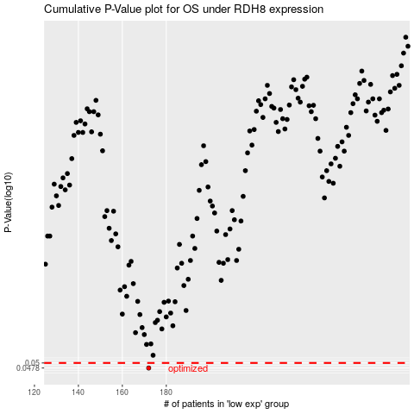

 |  |  |  |  |  | cases_OS | p_OS | rank | exp
 |  |  |  |  |  | 172 | 0.0478 | 200 | -0.31520340203
 |  |  |  |  |  |  | cases_RFS | p_RFS | rank | exp
 |  |  |  |  |  |  | 171 | 0.0478 | 60 | -0.31766229517

