RDM1 _multivariate
Reported by Tex Li-Hsing Chi. tex@gate.sinica.edu.tw 2019-08-16

Table 2. The clinicopathological features of HNSCC cohort and RDM1 expression. (Chi square test)
Cutoff at -0.271 (46.9%)
 |  | RDM1 expression |  | RDM1 expression |  | (Optimised)
 | Features | Low | (%) | High | (%) | Case no | P-value | Remark | Matthews
Gender | Female | 139 | 33.5 | 167 | 40.2 | 415 | 0.3384 | 0 | 0
2 | Male | 56 | 13.5 | 53 | 12.8
Age at diagnosis | <=65y | 124 | 29.9 | 150 | 36.1 | 415 | 0.3778 | 0 | 0
4 | >65y | 71 | 17.1 | 70 | 16.9
Clinical T Status | T1+T2 | 72 | 17.3 | 77 | 18.6 | 415 | 0.7603 | 0 | 0
6 | T3+T4 | 123 | 29.6 | 143 | 34.5
Clinical N Status | N0 | 109 | 26.3 | 107 | 25.8 | 415 | 0.1678 | 1 | 0
8 | N1-3 | 86 | 20.7 | 113 | 27.2
Clinical M Status | M0 | 193 | 46.5 | 219 | 52.8 | 415 | 0.6028 | 0 | 0
10 | M1 | 2 | 0.5 | 1 | 0.2
Clinical Stage | Stage I+II | 55 | 13.3 | 47 | 11.3 | 415 | 0.1333 | 0 | 0
12 | Stage III+IV | 140 | 33.7 | 173 | 41.7
Surgical Margin status | Negative | 154 | 37.1 | 164 | 39.5 | 415 | 0.2981 | 0 | 0
14 | Positive | 41 | 9.9 | 56 | 13.5
Tobacco Exposure | Low | 87 | 21 | 74 | 17.8 | 415 | 0.0263 | 1 | 0
16 | High | 108 | 26 | 146 | 35.2

Table 3. Univariate/Multivariate Cox's proportional hazards regression analyses on OS time of RDM1 gene expression in HNSCC

 |  | Univariate |  |  |  | Multivariate
 | Features | HR | CI95%(L) | CI95%(H) | P-value | HR | CI95%(L) | CI95%(H) | P-value
1 | Female | 1 |  |  |  | 1
Gender | Male | 1.157 | 0.843 | 1.587 | 0.367 | 1.231 | 0.883 | 1.717 | 0.22
11 | <=65y | 1 |  |  |  | 1
Age at diagnosis | >65y | 1.329 | 0.99 | 1.784 | 0.058 | 1.413 | 1.04 | 1.92 | 0.027
12 | T1+T2 | 1 |  |  |  | 1
Clinical T Status | T3+T4 | 1.409 | 1.028 | 1.931 | 0.033 | 2.331 | 1.231 | 4.413 | 0.009
13 | N0 | 1 |  |  |  | 1
Clinical N Status | N1-3 | 1.185 | 0.89 | 1.577 | 0.246 | 1.244 | 0.872 | 1.774 | 0.228
14 | M0 | 1 |  |  |  | 1
Clinical M Status | M1 | 4.097 | 1.009 | 16.644 | 0.049 | 10.559 | 2.296 | 48.566 | 0.002
15 | Stage I+II | 1 |  |  |  | 1
Clinical Stage | Stage III+IV | 1.245 | 0.882 | 1.759 | 0.213 | 0.469 | 0.218 | 1.007 | 0.052
16 | Negative | 1 |  |  |  | 1
Surgical Margin status | Positive | 1.591 | 1.155 | 2.191 | 0.004 | 1.616 | 1.167 | 2.236 | 0.004
17 | Low | 1 |  |  |  | 1
Tobacco Exposure | High | 1.364 | 1.008 | 1.844 | 0.044 | 1.375 | 0.997 | 1.898 | 0.052
18 | Low | 1 |  |  |  | 1
RNAseq(z-score) | High | 1.456 | 1.086 | 1.952 | 0.012 | 1.446 | 1.071 | 1.953 | 0.016

Table 4. Univariate/Multivariate Cox's proportional hazards regression analyses on RFS time of RDM1 gene expression in HNSCC

 |  | Univariate |  |  |  | Multivariate
 | Features | HR | CI95%(L) | CI95%(H) | P-value | HR | CI95%(L) | CI95%(H) | P-value
1 | Female | 1 |  |  |  | 1
Gender | Male | 1.157 | 0.843 | 1.587 | 0.367 | 1.231 | 0.883 | 1.717 | 0.22
11 | <=65y | 1 |  |  |  | 1
Age at diagnosis | >65y | 1.329 | 0.99 | 1.784 | 0.058 | 1.413 | 1.04 | 1.92 | 0.027
12 | T1+T2 | 1 |  |  |  | 1
Clinical T Status | T3+T4 | 1.409 | 1.028 | 1.931 | 0.033 | 2.331 | 1.231 | 4.413 | 0.009
13 | N0 | 1 |  |  |  | 1
Clinical N Status | N1-3 | 1.185 | 0.89 | 1.577 | 0.246 | 1.244 | 0.872 | 1.774 | 0.228
14 | M0 | 1 |  |  |  | 1
Clinical M Status | M1 | 4.097 | 1.009 | 16.644 | 0.049 | 10.559 | 2.296 | 48.566 | 0.002
15 | Stage I+II | 1 |  |  |  | 1
Clinical Stage | Stage III+IV | 1.245 | 0.882 | 1.759 | 0.213 | 0.469 | 0.218 | 1.007 | 0.052
16 | Negative | 1 |  |  |  | 1
Surgical Margin status | Positive | 1.591 | 1.155 | 2.191 | 0.004 | 1.616 | 1.167 | 2.236 | 0.004
17 | Low | 1 |  |  |  | 1
Tobacco Exposure | High | 1.364 | 1.008 | 1.844 | 0.044 | 1.375 | 0.997 | 1.898 | 0.052
18 | Low | 1 |  |  |  | 1
RNAseq(z-score) | High | 1.456 | 1.086 | 1.952 | 0.012 | 1.446 | 1.071 | 1.953 | 0.016

Kaplan-Meier survival estimate: Cutoff at -0.271 (46.9%)

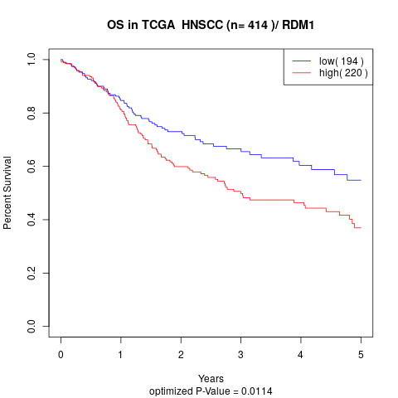

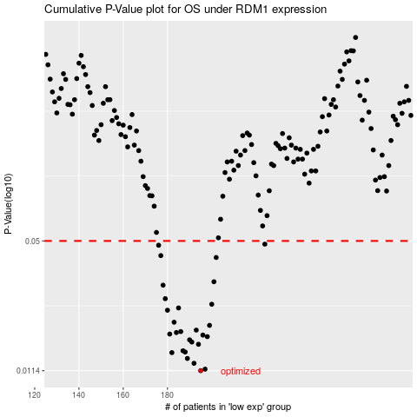

 |  |  |  |  |  | cases_OS | p_OS | rank | exp
 |  |  |  |  |  | 195 | 0.0114 | 281 | -0.27082244606
 |  |  |  |  |  | 197 | 0.0116 | 276 | -0.26789826407
 |  |  |  |  |  | 192 | 0.0124 | 201 | -0.27243563461
 |  |  |  |  |  | 189 | 0.0131 | 209 | -0.27514205836
 |  |  |  |  |  | 182 | 0.014 | 148 | -0.2925493849
 |  |  |  |  |  | 188 | 0.0141 | 19 | -0.27966609677
 |  |  |  |  |  | 187 | 0.0143 | 154 | -0.28105708303
 |  |  |  |  |  | 194 | 0.0154 | 45 | -0.27135573153
 |  |  |  |  |  | 191 | 0.0158 | 128 | -0.2726400607
 |  |  |  |  |  | 190 | 0.0162 | 277 | -0.27444878725
 |  |  |  |  |  | 198 | 0.0168 | 226 | -0.26642284094
 |  |  |  |  |  | 196 | 0.0171 | 57 | -0.2688181815
 |  |  |  |  |  | 181 | 0.0173 | 262 | -0.29453587328
 |  |  |  |  |  | 184 | 0.0176 | 361 | -0.28840309038
 |  |  |  |  |  | 186 | 0.0178 | 83 | -0.28212809802
 |  |  |  |  |  | 193 | 0.0181 | 11 | -0.27236897392
 |  |  |  |  |  | 199 | 0.0191 | 206 | -0.26562291273
 |  |  |  |  |  | 183 | 0.0198 | 24 | -0.29186055784
 |  |  |  |  |  | 180 | 0.0227 | 109 | -0.29706453521
 |  |  |  |  |  | 185 | 0.0233 | 397 | -0.28578554753
 |  |  |  |  |  | 200 | 0.0243 | 163 | -0.26418748601
 |  |  |  |  |  | 179 | 0.0259 | 367 | -0.29951764837
 |  |  |  |  |  | 178 | 0.0302 | 341 | -0.29967318997
 |  |  |  |  |  | 201 | 0.0314 | 302 | -0.26388973496
 |  |  |  |  |  | 202 | 0.0414 | 369 | -0.26205878818
 |  |  |  |  |  | 177 | 0.0423 | 362 | -0.30079308945
 |  |  |  |  |  | 176 | 0.0476 | 408 | -0.30330841925
 |  |  |  |  |  | 224 | 0.0482 | 398 | -0.22115579265
 |  |  |  |  |  |  | cases_RFS | p_RFS | rank | exp
 |  |  |  |  |  |  | 194 | 0.0114 | 45 | -0.27135573153
 |  |  |  |  |  |  | 196 | 0.0116 | 57 | -0.2688181815
 |  |  |  |  |  |  | 191 | 0.0124 | 128 | -0.2726400607
 |  |  |  |  |  |  | 188 | 0.0131 | 19 | -0.27966609677
 |  |  |  |  |  |  | 181 | 0.014 | 262 | -0.29453587328
 |  |  |  |  |  |  | 187 | 0.0141 | 154 | -0.28105708303
 |  |  |  |  |  |  | 186 | 0.0143 | 83 | -0.28212809802
 |  |  |  |  |  |  | 193 | 0.0154 | 11 | -0.27236897392
 |  |  |  |  |  |  | 190 | 0.0158 | 277 | -0.27444878725
 |  |  |  |  |  |  | 189 | 0.0162 | 209 | -0.27514205836
 |  |  |  |  |  |  | 197 | 0.0168 | 276 | -0.26789826407
 |  |  |  |  |  |  | 195 | 0.0171 | 281 | -0.27082244606
 |  |  |  |  |  |  | 180 | 0.0173 | 109 | -0.29706453521
 |  |  |  |  |  |  | 183 | 0.0176 | 24 | -0.29186055784
 |  |  |  |  |  |  | 185 | 0.0178 | 397 | -0.28578554753
 |  |  |  |  |  |  | 192 | 0.0181 | 201 | -0.27243563461
 |  |  |  |  |  |  | 198 | 0.0191 | 226 | -0.26642284094
 |  |  |  |  |  |  | 182 | 0.0198 | 148 | -0.2925493849
 |  |  |  |  |  |  | 179 | 0.0227 | 367 | -0.29951764837
 |  |  |  |  |  |  | 184 | 0.0233 | 361 | -0.28840309038
 |  |  |  |  |  |  | 199 | 0.0243 | 206 | -0.26562291273
 |  |  |  |  |  |  | 178 | 0.0259 | 341 | -0.29967318997
 |  |  |  |  |  |  | 177 | 0.0302 | 362 | -0.30079308945
 |  |  |  |  |  |  | 200 | 0.0314 | 163 | -0.26418748601
 |  |  |  |  |  |  | 201 | 0.0414 | 302 | -0.26388973496
 |  |  |  |  |  |  | 176 | 0.0423 | 408 | -0.30330841925
 |  |  |  |  |  |  | 175 | 0.0476 | 303 | -0.30409501532
 |  |  |  |  |  |  | 223 | 0.0482 | 116 | -0.22248900633

