RDX _multivariate
Reported by Tex Li-Hsing Chi. tex@gate.sinica.edu.tw 2019-08-16

Table 2. The clinicopathological features of HNSCC cohort and RDX expression. (Chi square test)
Cutoff at -0.108 (49.8%)
 |  | RDX expression |  | RDX expression |  | (Optimised)
 | Features | Low | (%) | High | (%) | Case no | P-value | Remark | Matthews
Gender | Female | 157 | 37.8 | 149 | 35.9 | 415 | 0.3881 | 0 | 0
2 | Male | 50 | 12 | 59 | 14.2
Age at diagnosis | <=65y | 134 | 32.3 | 140 | 33.7 | 415 | 0.6529 | 0 | 0
4 | >65y | 73 | 17.6 | 68 | 16.4
Clinical T Status | T1+T2 | 77 | 18.6 | 72 | 17.3 | 415 | 0.6556 | 0 | 0
6 | T3+T4 | 130 | 31.3 | 136 | 32.8
Clinical N Status | N0 | 94 | 22.7 | 122 | 29.4 | 415 | 0.0093 | 1 | 0
8 | N1-3 | 113 | 27.2 | 86 | 20.7
Clinical M Status | M0 | 204 | 49.2 | 208 | 50.1 | 415 | 0.1232 | 0 | 0
10 | M1 | 3 | 0.7 | 0 | 0
Clinical Stage | Stage I+II | 46 | 11.1 | 56 | 13.5 | 415 | 0.3182 | 0 | 0
12 | Stage III+IV | 161 | 38.8 | 152 | 36.6
Surgical Margin status | Negative | 156 | 37.6 | 162 | 39 | 415 | 0.5636 | 0 | 0
14 | Positive | 51 | 12.3 | 46 | 11.1
Tobacco Exposure | Low | 79 | 19 | 82 | 19.8 | 415 | 0.8405 | 0 | 0
16 | High | 128 | 30.8 | 126 | 30.4

Table 3. Univariate/Multivariate Cox's proportional hazards regression analyses on OS time of RDX gene expression in HNSCC

 |  | Univariate |  |  |  | Multivariate
 | Features | HR | CI95%(L) | CI95%(H) | P-value | HR | CI95%(L) | CI95%(H) | P-value
1 | Female | 1 |  |  |  | 1
Gender | Male | 1.157 | 0.843 | 1.587 | 0.367 | 1.191 | 0.854 | 1.663 | 0.303
11 | <=65y | 1 |  |  |  | 1
Age at diagnosis | >65y | 1.329 | 0.99 | 1.784 | 0.058 | 1.407 | 1.035 | 1.913 | 0.029
12 | T1+T2 | 1 |  |  |  | 1
Clinical T Status | T3+T4 | 1.409 | 1.028 | 1.931 | 0.033 | 2.174 | 1.149 | 4.113 | 0.017
13 | N0 | 1 |  |  |  | 1
Clinical N Status | N1-3 | 1.185 | 0.89 | 1.577 | 0.246 | 1.282 | 0.896 | 1.833 | 0.174
14 | M0 | 1 |  |  |  | 1
Clinical M Status | M1 | 4.097 | 1.009 | 16.644 | 0.049 | 10.312 | 2.236 | 47.553 | 0.003
15 | Stage I+II | 1 |  |  |  | 1
Clinical Stage | Stage III+IV | 1.245 | 0.882 | 1.759 | 0.213 | 0.507 | 0.236 | 1.087 | 0.081
16 | Negative | 1 |  |  |  | 1
Surgical Margin status | Positive | 1.591 | 1.155 | 2.191 | 0.004 | 1.714 | 1.237 | 2.374 | 0.001
17 | Low | 1 |  |  |  | 1
Tobacco Exposure | High | 1.364 | 1.008 | 1.844 | 0.044 | 1.472 | 1.068 | 2.029 | 0.018
18 | Low | 1 |  |  |  | 1
RNAseq(z-score) | High | 1.127 | 0.845 | 1.505 | 0.416 | 1.245 | 0.925 | 1.675 | 0.149

Table 4. Univariate/Multivariate Cox's proportional hazards regression analyses on RFS time of RDX gene expression in HNSCC

 |  | Univariate |  |  |  | Multivariate
 | Features | HR | CI95%(L) | CI95%(H) | P-value | HR | CI95%(L) | CI95%(H) | P-value
1 | Female | 1 |  |  |  | 1
Gender | Male | 1.157 | 0.843 | 1.587 | 0.367 | 1.191 | 0.854 | 1.663 | 0.303
11 | <=65y | 1 |  |  |  | 1
Age at diagnosis | >65y | 1.329 | 0.99 | 1.784 | 0.058 | 1.407 | 1.035 | 1.913 | 0.029
12 | T1+T2 | 1 |  |  |  | 1
Clinical T Status | T3+T4 | 1.409 | 1.028 | 1.931 | 0.033 | 2.174 | 1.149 | 4.113 | 0.017
13 | N0 | 1 |  |  |  | 1
Clinical N Status | N1-3 | 1.185 | 0.89 | 1.577 | 0.246 | 1.282 | 0.896 | 1.833 | 0.174
14 | M0 | 1 |  |  |  | 1
Clinical M Status | M1 | 4.097 | 1.009 | 16.644 | 0.049 | 10.312 | 2.236 | 47.553 | 0.003
15 | Stage I+II | 1 |  |  |  | 1
Clinical Stage | Stage III+IV | 1.245 | 0.882 | 1.759 | 0.213 | 0.507 | 0.236 | 1.087 | 0.081
16 | Negative | 1 |  |  |  | 1
Surgical Margin status | Positive | 1.591 | 1.155 | 2.191 | 0.004 | 1.714 | 1.237 | 2.374 | 0.001
17 | Low | 1 |  |  |  | 1
Tobacco Exposure | High | 1.364 | 1.008 | 1.844 | 0.044 | 1.472 | 1.068 | 2.029 | 0.018
18 | Low | 1 |  |  |  | 1
RNAseq(z-score) | High | 1.127 | 0.845 | 1.505 | 0.416 | 1.245 | 0.925 | 1.675 | 0.149

Kaplan-Meier survival estimate: Cutoff at -0.108 (49.8%)



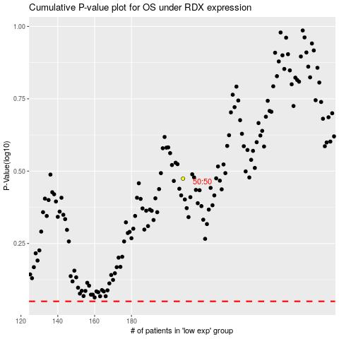

 |  |  |  |  |  | cases_OS | p_OS | rank | exp
 |  |  |  |  |  |  | cases_RFS | p_RFS | rank | exp

