RECQL _multivariate
Reported by Tex Li-Hsing Chi. tex@gate.sinica.edu.tw 2019-08-16

Table 2. The clinicopathological features of HNSCC cohort and RECQL expression. (Chi square test)
Cutoff at -0.075 (49.8%)
 |  | RECQL expression |  | RECQL expression |  | (Optimised)
 | Features | Low | (%) | High | (%) | Case no | P-value | Remark | Matthews
Gender | Female | 147 | 35.4 | 159 | 38.3 | 415 | 0.2523 | 0 | 0
2 | Male | 60 | 14.5 | 49 | 11.8
Age at diagnosis | <=65y | 132 | 31.8 | 142 | 34.2 | 415 | 0.3874 | 0 | 0
4 | >65y | 75 | 18.1 | 66 | 15.9
Clinical T Status | T1+T2 | 61 | 14.7 | 88 | 21.2 | 415 | 0.0087 | 1 | 0
6 | T3+T4 | 146 | 35.2 | 120 | 28.9
Clinical N Status | N0 | 115 | 27.7 | 101 | 24.3 | 415 | 0.184 | 1 | 0
8 | N1-3 | 92 | 22.2 | 107 | 25.8
Clinical M Status | M0 | 206 | 49.6 | 206 | 49.6 | 415 | 1 | 0 | 0
10 | M1 | 1 | 0.2 | 2 | 0.5
Clinical Stage | Stage I+II | 41 | 9.9 | 61 | 14.7 | 415 | 0.0325 | 1 | 0
12 | Stage III+IV | 166 | 40 | 147 | 35.4
Surgical Margin status | Negative | 157 | 37.8 | 161 | 38.8 | 415 | 0.729 | 0 | 0
14 | Positive | 50 | 12 | 47 | 11.3
Tobacco Exposure | Low | 80 | 19.3 | 81 | 19.5 | 415 | 1 | 0 | 0
16 | High | 127 | 30.6 | 127 | 30.6

Table 3. Univariate/Multivariate Cox's proportional hazards regression analyses on OS time of RECQL gene expression in HNSCC

 |  | Univariate |  |  |  | Multivariate
 | Features | HR | CI95%(L) | CI95%(H) | P-value | HR | CI95%(L) | CI95%(H) | P-value
1 | Female | 1 |  |  |  | 1
Gender | Male | 1.157 | 0.843 | 1.587 | 0.367 | 1.213 | 0.867 | 1.696 | 0.26
11 | <=65y | 1 |  |  |  | 1
Age at diagnosis | >65y | 1.329 | 0.99 | 1.784 | 0.058 | 1.403 | 1.031 | 1.908 | 0.031
12 | T1+T2 | 1 |  |  |  | 1
Clinical T Status | T3+T4 | 1.409 | 1.028 | 1.931 | 0.033 | 2.203 | 1.165 | 4.165 | 0.015
13 | N0 | 1 |  |  |  | 1
Clinical N Status | N1-3 | 1.185 | 0.89 | 1.577 | 0.246 | 1.223 | 0.855 | 1.75 | 0.271
14 | M0 | 1 |  |  |  | 1
Clinical M Status | M1 | 4.097 | 1.009 | 16.644 | 0.049 | 9.339 | 2.038 | 42.806 | 0.004
15 | Stage I+II | 1 |  |  |  | 1
Clinical Stage | Stage III+IV | 1.245 | 0.882 | 1.759 | 0.213 | 0.519 | 0.24 | 1.119 | 0.094
16 | Negative | 1 |  |  |  | 1
Surgical Margin status | Positive | 1.591 | 1.155 | 2.191 | 0.004 | 1.668 | 1.207 | 2.305 | 0.002
17 | Low | 1 |  |  |  | 1
Tobacco Exposure | High | 1.364 | 1.008 | 1.844 | 0.044 | 1.457 | 1.058 | 2.007 | 0.021
18 | Low | 1 |  |  |  | 1
RNAseq(z-score) | High | 1.03 | 0.773 | 1.372 | 0.841 | 1.099 | 0.818 | 1.478 | 0.53

Table 4. Univariate/Multivariate Cox's proportional hazards regression analyses on RFS time of RECQL gene expression in HNSCC

 |  | Univariate |  |  |  | Multivariate
 | Features | HR | CI95%(L) | CI95%(H) | P-value | HR | CI95%(L) | CI95%(H) | P-value
1 | Female | 1 |  |  |  | 1
Gender | Male | 1.157 | 0.843 | 1.587 | 0.367 | 1.213 | 0.867 | 1.696 | 0.26
11 | <=65y | 1 |  |  |  | 1
Age at diagnosis | >65y | 1.329 | 0.99 | 1.784 | 0.058 | 1.403 | 1.031 | 1.908 | 0.031
12 | T1+T2 | 1 |  |  |  | 1
Clinical T Status | T3+T4 | 1.409 | 1.028 | 1.931 | 0.033 | 2.203 | 1.165 | 4.165 | 0.015
13 | N0 | 1 |  |  |  | 1
Clinical N Status | N1-3 | 1.185 | 0.89 | 1.577 | 0.246 | 1.223 | 0.855 | 1.75 | 0.271
14 | M0 | 1 |  |  |  | 1
Clinical M Status | M1 | 4.097 | 1.009 | 16.644 | 0.049 | 9.339 | 2.038 | 42.806 | 0.004
15 | Stage I+II | 1 |  |  |  | 1
Clinical Stage | Stage III+IV | 1.245 | 0.882 | 1.759 | 0.213 | 0.519 | 0.24 | 1.119 | 0.094
16 | Negative | 1 |  |  |  | 1
Surgical Margin status | Positive | 1.591 | 1.155 | 2.191 | 0.004 | 1.668 | 1.207 | 2.305 | 0.002
17 | Low | 1 |  |  |  | 1
Tobacco Exposure | High | 1.364 | 1.008 | 1.844 | 0.044 | 1.457 | 1.058 | 2.007 | 0.021
18 | Low | 1 |  |  |  | 1
RNAseq(z-score) | High | 1.03 | 0.773 | 1.372 | 0.841 | 1.099 | 0.818 | 1.478 | 0.53

Kaplan-Meier survival estimate: Cutoff at -0.075 (49.8%)



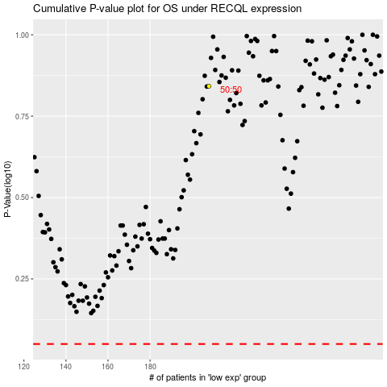

 |  |  |  |  |  | cases_OS | p_OS | rank | exp
 |  |  |  |  |  |  | cases_RFS | p_RFS | rank | exp

