RECQL4 _multivariate
Reported by Tex Li-Hsing Chi. tex@gate.sinica.edu.tw 2019-08-16

Table 2. The clinicopathological features of HNSCC cohort and RECQL4 expression. (Chi square test)
Cutoff at -0.216 (49.8%)
 |  | RECQL4 expression |  | RECQL4 expression |  | (Optimised)
 | Features | Low | (%) | High | (%) | Case no | P-value | Remark | Matthews
Gender | Female | 144 | 34.7 | 162 | 39 | 415 | 0.0697 | 0 | 0
2 | Male | 63 | 15.2 | 46 | 11.1
Age at diagnosis | <=65y | 135 | 32.5 | 139 | 33.5 | 415 | 0.8084 | 0 | 0
4 | >65y | 72 | 17.3 | 69 | 16.6
Clinical T Status | T1+T2 | 79 | 19 | 70 | 16.9 | 415 | 0.3924 | 0 | 0
6 | T3+T4 | 128 | 30.8 | 138 | 33.3
Clinical N Status | N0 | 115 | 27.7 | 101 | 24.3 | 415 | 0.184 | 1 | 0
8 | N1-3 | 92 | 22.2 | 107 | 25.8
Clinical M Status | M0 | 205 | 49.4 | 207 | 49.9 | 415 | 0.6232 | 0 | 0
10 | M1 | 2 | 0.5 | 1 | 0.2
Clinical Stage | Stage I+II | 58 | 14 | 44 | 10.6 | 415 | 0.131 | 0 | 0
12 | Stage III+IV | 149 | 35.9 | 164 | 39.5
Surgical Margin status | Negative | 161 | 38.8 | 157 | 37.8 | 415 | 0.6429 | 0 | 0
14 | Positive | 46 | 11.1 | 51 | 12.3
Tobacco Exposure | Low | 92 | 22.2 | 69 | 16.6 | 415 | 0.0206 | 1 | 0
16 | High | 115 | 27.7 | 139 | 33.5

Table 3. Univariate/Multivariate Cox's proportional hazards regression analyses on OS time of RECQL4 gene expression in HNSCC

 |  | Univariate |  |  |  | Multivariate
 | Features | HR | CI95%(L) | CI95%(H) | P-value | HR | CI95%(L) | CI95%(H) | P-value
1 | Female | 1 |  |  |  | 1
Gender | Male | 1.157 | 0.843 | 1.587 | 0.367 | 1.197 | 0.857 | 1.67 | 0.291
11 | <=65y | 1 |  |  |  | 1
Age at diagnosis | >65y | 1.329 | 0.99 | 1.784 | 0.058 | 1.401 | 1.031 | 1.905 | 0.031
12 | T1+T2 | 1 |  |  |  | 1
Clinical T Status | T3+T4 | 1.409 | 1.028 | 1.931 | 0.033 | 2.213 | 1.17 | 4.185 | 0.015
13 | N0 | 1 |  |  |  | 1
Clinical N Status | N1-3 | 1.185 | 0.89 | 1.577 | 0.246 | 1.249 | 0.875 | 1.782 | 0.221
14 | M0 | 1 |  |  |  | 1
Clinical M Status | M1 | 4.097 | 1.009 | 16.644 | 0.049 | 9.087 | 1.978 | 41.747 | 0.005
15 | Stage I+II | 1 |  |  |  | 1
Clinical Stage | Stage III+IV | 1.245 | 0.882 | 1.759 | 0.213 | 0.506 | 0.236 | 1.086 | 0.08
16 | Negative | 1 |  |  |  | 1
Surgical Margin status | Positive | 1.591 | 1.155 | 2.191 | 0.004 | 1.695 | 1.224 | 2.347 | 0.001
17 | Low | 1 |  |  |  | 1
Tobacco Exposure | High | 1.364 | 1.008 | 1.844 | 0.044 | 1.47 | 1.065 | 2.027 | 0.019
18 | Low | 1 |  |  |  | 1
RNAseq(z-score) | High | 0.966 | 0.725 | 1.286 | 0.813 | 0.884 | 0.661 | 1.184 | 0.409

Table 4. Univariate/Multivariate Cox's proportional hazards regression analyses on RFS time of RECQL4 gene expression in HNSCC

 |  | Univariate |  |  |  | Multivariate
 | Features | HR | CI95%(L) | CI95%(H) | P-value | HR | CI95%(L) | CI95%(H) | P-value
1 | Female | 1 |  |  |  | 1
Gender | Male | 1.157 | 0.843 | 1.587 | 0.367 | 1.197 | 0.857 | 1.67 | 0.291
11 | <=65y | 1 |  |  |  | 1
Age at diagnosis | >65y | 1.329 | 0.99 | 1.784 | 0.058 | 1.401 | 1.031 | 1.905 | 0.031
12 | T1+T2 | 1 |  |  |  | 1
Clinical T Status | T3+T4 | 1.409 | 1.028 | 1.931 | 0.033 | 2.213 | 1.17 | 4.185 | 0.015
13 | N0 | 1 |  |  |  | 1
Clinical N Status | N1-3 | 1.185 | 0.89 | 1.577 | 0.246 | 1.249 | 0.875 | 1.782 | 0.221
14 | M0 | 1 |  |  |  | 1
Clinical M Status | M1 | 4.097 | 1.009 | 16.644 | 0.049 | 9.087 | 1.978 | 41.747 | 0.005
15 | Stage I+II | 1 |  |  |  | 1
Clinical Stage | Stage III+IV | 1.245 | 0.882 | 1.759 | 0.213 | 0.506 | 0.236 | 1.086 | 0.08
16 | Negative | 1 |  |  |  | 1
Surgical Margin status | Positive | 1.591 | 1.155 | 2.191 | 0.004 | 1.695 | 1.224 | 2.347 | 0.001
17 | Low | 1 |  |  |  | 1
Tobacco Exposure | High | 1.364 | 1.008 | 1.844 | 0.044 | 1.47 | 1.065 | 2.027 | 0.019
18 | Low | 1 |  |  |  | 1
RNAseq(z-score) | High | 0.966 | 0.725 | 1.286 | 0.813 | 0.884 | 0.661 | 1.184 | 0.409

Kaplan-Meier survival estimate: Cutoff at -0.216 (49.8%)



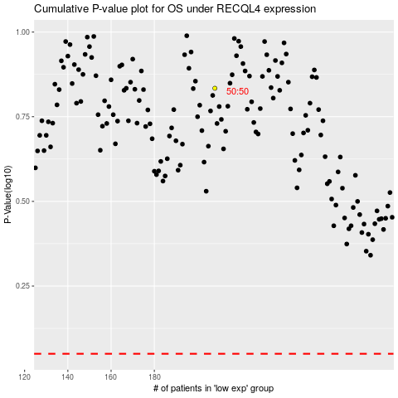

 |  |  |  |  |  | cases_OS | p_OS | rank | exp
 |  |  |  |  |  |  | cases_RFS | p_RFS | rank | exp

