RECQL5 _multivariate
Reported by Tex Li-Hsing Chi. tex@gate.sinica.edu.tw 2019-08-16

Table 2. The clinicopathological features of HNSCC cohort and RECQL5 expression. (Chi square test)
Cutoff at -0.133 (53.9%)
 |  | RECQL5 expression |  | RECQL5 expression |  | (Optimised)
 | Features | Low | (%) | High | (%) | Case no | P-value | Remark | Matthews
Gender | Female | 163 | 39.3 | 143 | 34.5 | 415 | 0.7092 | 0 | 0
2 | Male | 61 | 14.7 | 48 | 11.6
Age at diagnosis | <=65y | 146 | 35.2 | 128 | 30.8 | 415 | 0.7719 | 0 | 0
4 | >65y | 78 | 18.8 | 63 | 15.2
Clinical T Status | T1+T2 | 77 | 18.6 | 72 | 17.3 | 415 | 0.5483 | 0 | 0
6 | T3+T4 | 147 | 35.4 | 119 | 28.7
Clinical N Status | N0 | 115 | 27.7 | 101 | 24.3 | 415 | 0.8302 | 0 | 0
8 | N1-3 | 109 | 26.3 | 90 | 21.7
Clinical M Status | M0 | 224 | 54 | 188 | 45.3 | 415 | 0.0967 | 0 | 0
10 | M1 | 0 | 0 | 3 | 0.7
Clinical Stage | Stage I+II | 56 | 13.5 | 46 | 11.1 | 415 | 0.919 | 0 | 0
12 | Stage III+IV | 168 | 40.5 | 145 | 34.9
Surgical Margin status | Negative | 175 | 42.2 | 143 | 34.5 | 415 | 0.4854 | 0 | 0
14 | Positive | 49 | 11.8 | 48 | 11.6
Tobacco Exposure | Low | 85 | 20.5 | 76 | 18.3 | 415 | 0.7618 | 0 | 0
16 | High | 139 | 33.5 | 115 | 27.7

Table 3. Univariate/Multivariate Cox's proportional hazards regression analyses on OS time of RECQL5 gene expression in HNSCC

 |  | Univariate |  |  |  | Multivariate
 | Features | HR | CI95%(L) | CI95%(H) | P-value | HR | CI95%(L) | CI95%(H) | P-value
1 | Female | 1 |  |  |  | 1
Gender | Male | 1.157 | 0.843 | 1.587 | 0.367 | 1.193 | 0.855 | 1.666 | 0.299
11 | <=65y | 1 |  |  |  | 1
Age at diagnosis | >65y | 1.329 | 0.99 | 1.784 | 0.058 | 1.435 | 1.055 | 1.952 | 0.021
12 | T1+T2 | 1 |  |  |  | 1
Clinical T Status | T3+T4 | 1.409 | 1.028 | 1.931 | 0.033 | 2.131 | 1.127 | 4.03 | 0.02
13 | N0 | 1 |  |  |  | 1
Clinical N Status | N1-3 | 1.185 | 0.89 | 1.577 | 0.246 | 1.258 | 0.882 | 1.796 | 0.205
14 | M0 | 1 |  |  |  | 1
Clinical M Status | M1 | 4.097 | 1.009 | 16.644 | 0.049 | 11.394 | 2.466 | 52.649 | 0.002
15 | Stage I+II | 1 |  |  |  | 1
Clinical Stage | Stage III+IV | 1.245 | 0.882 | 1.759 | 0.213 | 0.522 | 0.243 | 1.122 | 0.096
16 | Negative | 1 |  |  |  | 1
Surgical Margin status | Positive | 1.591 | 1.155 | 2.191 | 0.004 | 1.73 | 1.251 | 2.392 | 0.001
17 | Low | 1 |  |  |  | 1
Tobacco Exposure | High | 1.364 | 1.008 | 1.844 | 0.044 | 1.457 | 1.058 | 2.007 | 0.021
18 | Low | 1 |  |  |  | 1
RNAseq(z-score) | High | 0.74 | 0.551 | 0.994 | 0.046 | 0.686 | 0.508 | 0.926 | 0.014

Table 4. Univariate/Multivariate Cox's proportional hazards regression analyses on RFS time of RECQL5 gene expression in HNSCC

 |  | Univariate |  |  |  | Multivariate
 | Features | HR | CI95%(L) | CI95%(H) | P-value | HR | CI95%(L) | CI95%(H) | P-value
1 | Female | 1 |  |  |  | 1
Gender | Male | 1.157 | 0.843 | 1.587 | 0.367 | 1.193 | 0.855 | 1.666 | 0.299
11 | <=65y | 1 |  |  |  | 1
Age at diagnosis | >65y | 1.329 | 0.99 | 1.784 | 0.058 | 1.435 | 1.055 | 1.952 | 0.021
12 | T1+T2 | 1 |  |  |  | 1
Clinical T Status | T3+T4 | 1.409 | 1.028 | 1.931 | 0.033 | 2.131 | 1.127 | 4.03 | 0.02
13 | N0 | 1 |  |  |  | 1
Clinical N Status | N1-3 | 1.185 | 0.89 | 1.577 | 0.246 | 1.258 | 0.882 | 1.796 | 0.205
14 | M0 | 1 |  |  |  | 1
Clinical M Status | M1 | 4.097 | 1.009 | 16.644 | 0.049 | 11.394 | 2.466 | 52.649 | 0.002
15 | Stage I+II | 1 |  |  |  | 1
Clinical Stage | Stage III+IV | 1.245 | 0.882 | 1.759 | 0.213 | 0.522 | 0.243 | 1.122 | 0.096
16 | Negative | 1 |  |  |  | 1
Surgical Margin status | Positive | 1.591 | 1.155 | 2.191 | 0.004 | 1.73 | 1.251 | 2.392 | 0.001
17 | Low | 1 |  |  |  | 1
Tobacco Exposure | High | 1.364 | 1.008 | 1.844 | 0.044 | 1.457 | 1.058 | 2.007 | 0.021
18 | Low | 1 |  |  |  | 1
RNAseq(z-score) | High | 0.74 | 0.551 | 0.994 | 0.046 | 0.686 | 0.508 | 0.926 | 0.014

Kaplan-Meier survival estimate: Cutoff at -0.133 (53.9%)



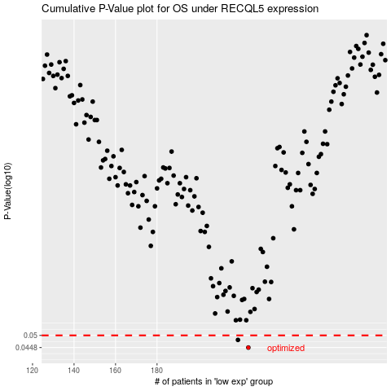

 |  |  |  |  |  | cases_OS | p_OS | rank | exp
 |  |  |  |  |  | 224 | 0.0448 | 63 | -0.13320646006
 |  |  |  |  |  | 219 | 0.048 | 350 | -0.15712555014
 |  |  |  |  |  |  | cases_RFS | p_RFS | rank | exp
 |  |  |  |  |  |  | 223 | 0.0448 | 390 | -0.13322137453
 |  |  |  |  |  |  | 218 | 0.048 | 209 | -0.16934013272

