REEP1 _multivariate
Reported by Tex Li-Hsing Chi. tex@gate.sinica.edu.tw 2019-08-16

Table 2. The clinicopathological features of HNSCC cohort and REEP1 expression. (Chi square test)
Cutoff at -0.34 (50.0%)
 |  | REEP1 expression |  | REEP1 expression |  | (Optimised)
 | Features | Low | (%) | High | (%) | Case no | P-value | Remark | Matthews
Gender | Female | 150 | 36.1 | 156 | 37.6 | 415 | 0.6344 | 0 | 0
2 | Male | 57 | 13.7 | 52 | 12.5
Age at diagnosis | <=65y | 131 | 31.6 | 143 | 34.5 | 415 | 0.2839 | 0 | 0
4 | >65y | 76 | 18.3 | 65 | 15.7
Clinical T Status | T1+T2 | 73 | 17.6 | 76 | 18.3 | 415 | 0.8666 | 0 | 0
6 | T3+T4 | 134 | 32.3 | 132 | 31.8
Clinical N Status | N0 | 89 | 21.4 | 127 | 30.6 | 415 | 3e-04 | 1 | 0
8 | N1-3 | 118 | 28.4 | 81 | 19.5
Clinical M Status | M0 | 204 | 49.2 | 208 | 50.1 | 415 | 0.1232 | 0 | 0
10 | M1 | 3 | 0.7 | 0 | 0
Clinical Stage | Stage I+II | 46 | 11.1 | 56 | 13.5 | 415 | 0.3182 | 0 | 0
12 | Stage III+IV | 161 | 38.8 | 152 | 36.6
Surgical Margin status | Negative | 153 | 36.9 | 165 | 39.8 | 415 | 0.2036 | 0 | 0
14 | Positive | 54 | 13 | 43 | 10.4
Tobacco Exposure | Low | 86 | 20.7 | 75 | 18.1 | 415 | 0.2687 | 0 | 0
16 | High | 121 | 29.2 | 133 | 32

Table 3. Univariate/Multivariate Cox's proportional hazards regression analyses on OS time of REEP1 gene expression in HNSCC

 |  | Univariate |  |  |  | Multivariate
 | Features | HR | CI95%(L) | CI95%(H) | P-value | HR | CI95%(L) | CI95%(H) | P-value
1 | Female | 1 |  |  |  | 1
Gender | Male | 1.157 | 0.843 | 1.587 | 0.367 | 1.201 | 0.859 | 1.678 | 0.284
11 | <=65y | 1 |  |  |  | 1
Age at diagnosis | >65y | 1.329 | 0.99 | 1.784 | 0.058 | 1.387 | 1.019 | 1.889 | 0.038
12 | T1+T2 | 1 |  |  |  | 1
Clinical T Status | T3+T4 | 1.409 | 1.028 | 1.931 | 0.033 | 2.205 | 1.166 | 4.17 | 0.015
13 | N0 | 1 |  |  |  | 1
Clinical N Status | N1-3 | 1.185 | 0.89 | 1.577 | 0.246 | 1.231 | 0.855 | 1.772 | 0.264
14 | M0 | 1 |  |  |  | 1
Clinical M Status | M1 | 4.097 | 1.009 | 16.644 | 0.049 | 9.307 | 2.023 | 42.82 | 0.004
15 | Stage I+II | 1 |  |  |  | 1
Clinical Stage | Stage III+IV | 1.245 | 0.882 | 1.759 | 0.213 | 0.505 | 0.235 | 1.085 | 0.08
16 | Negative | 1 |  |  |  | 1
Surgical Margin status | Positive | 1.591 | 1.155 | 2.191 | 0.004 | 1.67 | 1.209 | 2.308 | 0.002
17 | Low | 1 |  |  |  | 1
Tobacco Exposure | High | 1.364 | 1.008 | 1.844 | 0.044 | 1.461 | 1.056 | 2.021 | 0.022
18 | Low | 1 |  |  |  | 1
RNAseq(z-score) | High | 0.922 | 0.692 | 1.228 | 0.579 | 0.97 | 0.717 | 1.313 | 0.844

Table 4. Univariate/Multivariate Cox's proportional hazards regression analyses on RFS time of REEP1 gene expression in HNSCC

 |  | Univariate |  |  |  | Multivariate
 | Features | HR | CI95%(L) | CI95%(H) | P-value | HR | CI95%(L) | CI95%(H) | P-value
1 | Female | 1 |  |  |  | 1
Gender | Male | 1.157 | 0.843 | 1.587 | 0.367 | 1.201 | 0.859 | 1.678 | 0.284
11 | <=65y | 1 |  |  |  | 1
Age at diagnosis | >65y | 1.329 | 0.99 | 1.784 | 0.058 | 1.387 | 1.019 | 1.889 | 0.038
12 | T1+T2 | 1 |  |  |  | 1
Clinical T Status | T3+T4 | 1.409 | 1.028 | 1.931 | 0.033 | 2.205 | 1.166 | 4.17 | 0.015
13 | N0 | 1 |  |  |  | 1
Clinical N Status | N1-3 | 1.185 | 0.89 | 1.577 | 0.246 | 1.231 | 0.855 | 1.772 | 0.264
14 | M0 | 1 |  |  |  | 1
Clinical M Status | M1 | 4.097 | 1.009 | 16.644 | 0.049 | 9.307 | 2.023 | 42.82 | 0.004
15 | Stage I+II | 1 |  |  |  | 1
Clinical Stage | Stage III+IV | 1.245 | 0.882 | 1.759 | 0.213 | 0.505 | 0.235 | 1.085 | 0.08
16 | Negative | 1 |  |  |  | 1
Surgical Margin status | Positive | 1.591 | 1.155 | 2.191 | 0.004 | 1.67 | 1.209 | 2.308 | 0.002
17 | Low | 1 |  |  |  | 1
Tobacco Exposure | High | 1.364 | 1.008 | 1.844 | 0.044 | 1.461 | 1.056 | 2.021 | 0.022
18 | Low | 1 |  |  |  | 1
RNAseq(z-score) | High | 0.922 | 0.692 | 1.228 | 0.579 | 0.97 | 0.717 | 1.313 | 0.844

Kaplan-Meier survival estimate: Cutoff at -0.34 (50.0%)



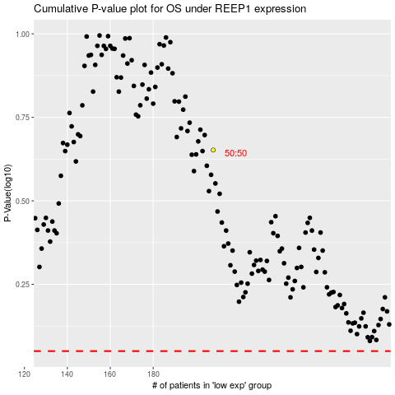

 |  |  |  |  |  | cases_OS | p_OS | rank | exp
 |  |  |  |  |  |  | cases_RFS | p_RFS | rank | exp

