REEP2 _multivariate
Reported by Tex Li-Hsing Chi. tex@gate.sinica.edu.tw 2019-08-16

Table 2. The clinicopathological features of HNSCC cohort and REEP2 expression. (Chi square test)
Cutoff at -0.248 (49.8%)
 |  | REEP2 expression |  | REEP2 expression |  | (Optimised)
 | Features | Low | (%) | High | (%) | Case no | P-value | Remark | Matthews
Gender | Female | 145 | 34.9 | 161 | 38.8 | 415 | 0.1116 | 0 | 0
2 | Male | 62 | 14.9 | 47 | 11.3
Age at diagnosis | <=65y | 133 | 32 | 141 | 34 | 415 | 0.5111 | 0 | 0
4 | >65y | 74 | 17.8 | 67 | 16.1
Clinical T Status | T1+T2 | 69 | 16.6 | 80 | 19.3 | 415 | 0.3239 | 0 | 0
6 | T3+T4 | 138 | 33.3 | 128 | 30.8
Clinical N Status | N0 | 108 | 26 | 108 | 26 | 415 | 1 | 0 | 0
8 | N1-3 | 99 | 23.9 | 100 | 24.1
Clinical M Status | M0 | 204 | 49.2 | 208 | 50.1 | 415 | 0.1232 | 0 | 0
10 | M1 | 3 | 0.7 | 0 | 0
Clinical Stage | Stage I+II | 46 | 11.1 | 56 | 13.5 | 415 | 0.3182 | 0 | 0
12 | Stage III+IV | 161 | 38.8 | 152 | 36.6
Surgical Margin status | Negative | 157 | 37.8 | 161 | 38.8 | 415 | 0.729 | 0 | 0
14 | Positive | 50 | 12 | 47 | 11.3
Tobacco Exposure | Low | 92 | 22.2 | 69 | 16.6 | 415 | 0.0206 | 1 | 0
16 | High | 115 | 27.7 | 139 | 33.5

Table 3. Univariate/Multivariate Cox's proportional hazards regression analyses on OS time of REEP2 gene expression in HNSCC

 |  | Univariate |  |  |  | Multivariate
 | Features | HR | CI95%(L) | CI95%(H) | P-value | HR | CI95%(L) | CI95%(H) | P-value
1 | Female | 1 |  |  |  | 1
Gender | Male | 1.157 | 0.843 | 1.587 | 0.367 | 1.175 | 0.84 | 1.645 | 0.346
11 | <=65y | 1 |  |  |  | 1
Age at diagnosis | >65y | 1.329 | 0.99 | 1.784 | 0.058 | 1.385 | 1.019 | 1.883 | 0.037
12 | T1+T2 | 1 |  |  |  | 1
Clinical T Status | T3+T4 | 1.409 | 1.028 | 1.931 | 0.033 | 2.188 | 1.157 | 4.139 | 0.016
13 | N0 | 1 |  |  |  | 1
Clinical N Status | N1-3 | 1.185 | 0.89 | 1.577 | 0.246 | 1.254 | 0.878 | 1.789 | 0.213
14 | M0 | 1 |  |  |  | 1
Clinical M Status | M1 | 4.097 | 1.009 | 16.644 | 0.049 | 8.427 | 1.825 | 38.921 | 0.006
15 | Stage I+II | 1 |  |  |  | 1
Clinical Stage | Stage III+IV | 1.245 | 0.882 | 1.759 | 0.213 | 0.499 | 0.232 | 1.072 | 0.075
16 | Negative | 1 |  |  |  | 1
Surgical Margin status | Positive | 1.591 | 1.155 | 2.191 | 0.004 | 1.668 | 1.207 | 2.305 | 0.002
17 | Low | 1 |  |  |  | 1
Tobacco Exposure | High | 1.364 | 1.008 | 1.844 | 0.044 | 1.502 | 1.085 | 2.079 | 0.014
18 | Low | 1 |  |  |  | 1
RNAseq(z-score) | High | 0.814 | 0.611 | 1.085 | 0.161 | 0.816 | 0.607 | 1.096 | 0.177

Table 4. Univariate/Multivariate Cox's proportional hazards regression analyses on RFS time of REEP2 gene expression in HNSCC

 |  | Univariate |  |  |  | Multivariate
 | Features | HR | CI95%(L) | CI95%(H) | P-value | HR | CI95%(L) | CI95%(H) | P-value
1 | Female | 1 |  |  |  | 1
Gender | Male | 1.157 | 0.843 | 1.587 | 0.367 | 1.175 | 0.84 | 1.645 | 0.346
11 | <=65y | 1 |  |  |  | 1
Age at diagnosis | >65y | 1.329 | 0.99 | 1.784 | 0.058 | 1.385 | 1.019 | 1.883 | 0.037
12 | T1+T2 | 1 |  |  |  | 1
Clinical T Status | T3+T4 | 1.409 | 1.028 | 1.931 | 0.033 | 2.188 | 1.157 | 4.139 | 0.016
13 | N0 | 1 |  |  |  | 1
Clinical N Status | N1-3 | 1.185 | 0.89 | 1.577 | 0.246 | 1.254 | 0.878 | 1.789 | 0.213
14 | M0 | 1 |  |  |  | 1
Clinical M Status | M1 | 4.097 | 1.009 | 16.644 | 0.049 | 8.427 | 1.825 | 38.921 | 0.006
15 | Stage I+II | 1 |  |  |  | 1
Clinical Stage | Stage III+IV | 1.245 | 0.882 | 1.759 | 0.213 | 0.499 | 0.232 | 1.072 | 0.075
16 | Negative | 1 |  |  |  | 1
Surgical Margin status | Positive | 1.591 | 1.155 | 2.191 | 0.004 | 1.668 | 1.207 | 2.305 | 0.002
17 | Low | 1 |  |  |  | 1
Tobacco Exposure | High | 1.364 | 1.008 | 1.844 | 0.044 | 1.502 | 1.085 | 2.079 | 0.014
18 | Low | 1 |  |  |  | 1
RNAseq(z-score) | High | 0.814 | 0.611 | 1.085 | 0.161 | 0.816 | 0.607 | 1.096 | 0.177

Kaplan-Meier survival estimate: Cutoff at -0.248 (49.8%)



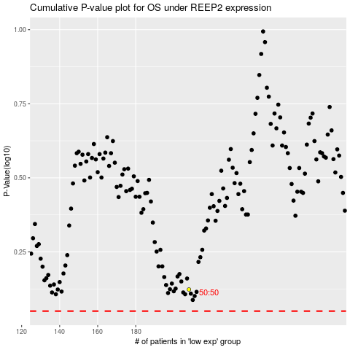

 |  |  |  |  |  | cases_OS | p_OS | rank | exp
 |  |  |  |  |  |  | cases_RFS | p_RFS | rank | exp

