REEP3 _multivariate
Reported by Tex Li-Hsing Chi. tex@gate.sinica.edu.tw 2019-08-16

Table 2. The clinicopathological features of HNSCC cohort and REEP3 expression. (Chi square test)
Cutoff at 0.153 (58.2%)
 |  | REEP3 expression |  | REEP3 expression |  | (Optimised)
 | Features | Low | (%) | High | (%) | Case no | P-value | Remark | Matthews
Gender | Female | 186 | 44.8 | 120 | 28.9 | 415 | 0.0779 | 0 | 0
2 | Male | 55 | 13.3 | 54 | 13
Age at diagnosis | <=65y | 162 | 39 | 112 | 27 | 415 | 0.6169 | 0 | 0
4 | >65y | 79 | 19 | 62 | 14.9
Clinical T Status | T1+T2 | 93 | 22.4 | 56 | 13.5 | 415 | 0.2155 | 0 | 0
6 | T3+T4 | 148 | 35.7 | 118 | 28.4
Clinical N Status | N0 | 126 | 30.4 | 90 | 21.7 | 415 | 0.9899 | 0 | 0
8 | N1-3 | 115 | 27.7 | 84 | 20.2
Clinical M Status | M0 | 238 | 57.3 | 174 | 41.9 | 415 | 0.2678 | 0 | 0
10 | M1 | 3 | 0.7 | 0 | 0
Clinical Stage | Stage I+II | 57 | 13.7 | 45 | 10.8 | 415 | 0.6887 | 0 | 0
12 | Stage III+IV | 184 | 44.3 | 129 | 31.1
Surgical Margin status | Negative | 187 | 45.1 | 131 | 31.6 | 415 | 0.6386 | 0 | 0
14 | Positive | 54 | 13 | 43 | 10.4
Tobacco Exposure | Low | 84 | 20.2 | 77 | 18.6 | 415 | 0.066 | 0 | 0
16 | High | 157 | 37.8 | 97 | 23.4

Table 3. Univariate/Multivariate Cox's proportional hazards regression analyses on OS time of REEP3 gene expression in HNSCC

 |  | Univariate |  |  |  | Multivariate
 | Features | HR | CI95%(L) | CI95%(H) | P-value | HR | CI95%(L) | CI95%(H) | P-value
1 | Female | 1 |  |  |  | 1
Gender | Male | 1.157 | 0.843 | 1.587 | 0.367 | 1.158 | 0.827 | 1.62 | 0.394
11 | <=65y | 1 |  |  |  | 1
Age at diagnosis | >65y | 1.329 | 0.99 | 1.784 | 0.058 | 1.397 | 1.028 | 1.898 | 0.033
12 | T1+T2 | 1 |  |  |  | 1
Clinical T Status | T3+T4 | 1.409 | 1.028 | 1.931 | 0.033 | 2.037 | 1.071 | 3.875 | 0.03
13 | N0 | 1 |  |  |  | 1
Clinical N Status | N1-3 | 1.185 | 0.89 | 1.577 | 0.246 | 1.216 | 0.852 | 1.735 | 0.282
14 | M0 | 1 |  |  |  | 1
Clinical M Status | M1 | 4.097 | 1.009 | 16.644 | 0.049 | 9.873 | 2.152 | 45.29 | 0.003
15 | Stage I+II | 1 |  |  |  | 1
Clinical Stage | Stage III+IV | 1.245 | 0.882 | 1.759 | 0.213 | 0.562 | 0.26 | 1.219 | 0.145
16 | Negative | 1 |  |  |  | 1
Surgical Margin status | Positive | 1.591 | 1.155 | 2.191 | 0.004 | 1.647 | 1.192 | 2.275 | 0.003
17 | Low | 1 |  |  |  | 1
Tobacco Exposure | High | 1.364 | 1.008 | 1.844 | 0.044 | 1.489 | 1.079 | 2.054 | 0.015
18 | Low | 1 |  |  |  | 1
RNAseq(z-score) | High | 1.332 | 1 | 1.776 | 0.05 | 1.318 | 0.978 | 1.776 | 0.069

Table 4. Univariate/Multivariate Cox's proportional hazards regression analyses on RFS time of REEP3 gene expression in HNSCC

 |  | Univariate |  |  |  | Multivariate
 | Features | HR | CI95%(L) | CI95%(H) | P-value | HR | CI95%(L) | CI95%(H) | P-value
1 | Female | 1 |  |  |  | 1
Gender | Male | 1.157 | 0.843 | 1.587 | 0.367 | 1.158 | 0.827 | 1.62 | 0.394
11 | <=65y | 1 |  |  |  | 1
Age at diagnosis | >65y | 1.329 | 0.99 | 1.784 | 0.058 | 1.397 | 1.028 | 1.898 | 0.033
12 | T1+T2 | 1 |  |  |  | 1
Clinical T Status | T3+T4 | 1.409 | 1.028 | 1.931 | 0.033 | 2.037 | 1.071 | 3.875 | 0.03
13 | N0 | 1 |  |  |  | 1
Clinical N Status | N1-3 | 1.185 | 0.89 | 1.577 | 0.246 | 1.216 | 0.852 | 1.735 | 0.282
14 | M0 | 1 |  |  |  | 1
Clinical M Status | M1 | 4.097 | 1.009 | 16.644 | 0.049 | 9.873 | 2.152 | 45.29 | 0.003
15 | Stage I+II | 1 |  |  |  | 1
Clinical Stage | Stage III+IV | 1.245 | 0.882 | 1.759 | 0.213 | 0.562 | 0.26 | 1.219 | 0.145
16 | Negative | 1 |  |  |  | 1
Surgical Margin status | Positive | 1.591 | 1.155 | 2.191 | 0.004 | 1.647 | 1.192 | 2.275 | 0.003
17 | Low | 1 |  |  |  | 1
Tobacco Exposure | High | 1.364 | 1.008 | 1.844 | 0.044 | 1.489 | 1.079 | 2.054 | 0.015
18 | Low | 1 |  |  |  | 1
RNAseq(z-score) | High | 1.332 | 1 | 1.776 | 0.05 | 1.318 | 0.978 | 1.776 | 0.069

Kaplan-Meier survival estimate: Cutoff at 0.153 (58.2%)



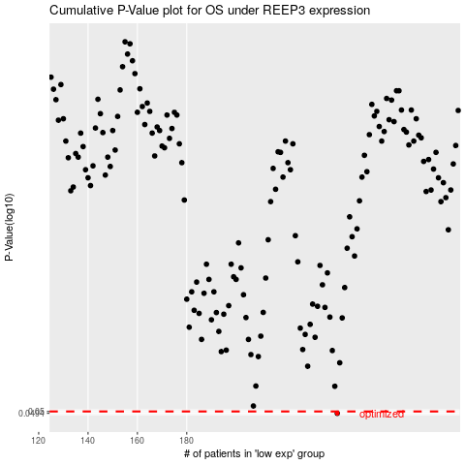

 |  |  |  |  |  | cases_OS | p_OS | rank | exp
 |  |  |  |  |  | 241 | 0.0494 | 155 | 0.15273150696
 |  |  |  |  |  |  | cases_RFS | p_RFS | rank | exp
 |  |  |  |  |  |  | 240 | 0.0494 | 170 | 0.15065913469

