REEP6 _multivariate
Reported by Tex Li-Hsing Chi. tex@gate.sinica.edu.tw 2019-08-16

Table 2. The clinicopathological features of HNSCC cohort and REEP6 expression. (Chi square test)
Cutoff at -0.291 (50.0%)
 |  | REEP6 expression |  | REEP6 expression |  | (Optimised)
 | Features | Low | (%) | High | (%) | Case no | P-value | Remark | Matthews
Gender | Female | 148 | 35.7 | 158 | 38.1 | 415 | 0.3567 | 0 | 0
2 | Male | 59 | 14.2 | 50 | 12
Age at diagnosis | <=65y | 137 | 33 | 137 | 33 | 415 | 1 | 0 | 0
4 | >65y | 70 | 16.9 | 71 | 17.1
Clinical T Status | T1+T2 | 92 | 22.2 | 57 | 13.7 | 415 | 4e-04 | 1 | 0
6 | T3+T4 | 115 | 27.7 | 151 | 36.4
Clinical N Status | N0 | 106 | 25.5 | 110 | 26.5 | 415 | 0.8075 | 0 | 0
8 | N1-3 | 101 | 24.3 | 98 | 23.6
Clinical M Status | M0 | 206 | 49.6 | 206 | 49.6 | 415 | 1 | 0 | 0
10 | M1 | 1 | 0.2 | 2 | 0.5
Clinical Stage | Stage I+II | 62 | 14.9 | 40 | 9.6 | 415 | 0.0154 | 1 | 0
12 | Stage III+IV | 145 | 34.9 | 168 | 40.5
Surgical Margin status | Negative | 154 | 37.1 | 164 | 39.5 | 415 | 0.2984 | 0 | 0
14 | Positive | 53 | 12.8 | 44 | 10.6
Tobacco Exposure | Low | 79 | 19 | 82 | 19.8 | 415 | 0.8405 | 0 | 0
16 | High | 128 | 30.8 | 126 | 30.4

Table 3. Univariate/Multivariate Cox's proportional hazards regression analyses on OS time of REEP6 gene expression in HNSCC

 |  | Univariate |  |  |  | Multivariate
 | Features | HR | CI95%(L) | CI95%(H) | P-value | HR | CI95%(L) | CI95%(H) | P-value
1 | Female | 1 |  |  |  | 1
Gender | Male | 1.157 | 0.843 | 1.587 | 0.367 | 1.207 | 0.863 | 1.687 | 0.271
11 | <=65y | 1 |  |  |  | 1
Age at diagnosis | >65y | 1.329 | 0.99 | 1.784 | 0.058 | 1.398 | 1.028 | 1.899 | 0.033
12 | T1+T2 | 1 |  |  |  | 1
Clinical T Status | T3+T4 | 1.409 | 1.028 | 1.931 | 0.033 | 2.168 | 1.145 | 4.107 | 0.018
13 | N0 | 1 |  |  |  | 1
Clinical N Status | N1-3 | 1.185 | 0.89 | 1.577 | 0.246 | 1.241 | 0.87 | 1.771 | 0.233
14 | M0 | 1 |  |  |  | 1
Clinical M Status | M1 | 4.097 | 1.009 | 16.644 | 0.049 | 9.089 | 1.975 | 41.838 | 0.005
15 | Stage I+II | 1 |  |  |  | 1
Clinical Stage | Stage III+IV | 1.245 | 0.882 | 1.759 | 0.213 | 0.504 | 0.235 | 1.083 | 0.079
16 | Negative | 1 |  |  |  | 1
Surgical Margin status | Positive | 1.591 | 1.155 | 2.191 | 0.004 | 1.681 | 1.216 | 2.325 | 0.002
17 | Low | 1 |  |  |  | 1
Tobacco Exposure | High | 1.364 | 1.008 | 1.844 | 0.044 | 1.455 | 1.055 | 2.005 | 0.022
18 | Low | 1 |  |  |  | 1
RNAseq(z-score) | High | 1.092 | 0.819 | 1.455 | 0.549 | 1.092 | 0.814 | 1.465 | 0.556

Table 4. Univariate/Multivariate Cox's proportional hazards regression analyses on RFS time of REEP6 gene expression in HNSCC

 |  | Univariate |  |  |  | Multivariate
 | Features | HR | CI95%(L) | CI95%(H) | P-value | HR | CI95%(L) | CI95%(H) | P-value
1 | Female | 1 |  |  |  | 1
Gender | Male | 1.157 | 0.843 | 1.587 | 0.367 | 1.207 | 0.863 | 1.687 | 0.271
11 | <=65y | 1 |  |  |  | 1
Age at diagnosis | >65y | 1.329 | 0.99 | 1.784 | 0.058 | 1.398 | 1.028 | 1.899 | 0.033
12 | T1+T2 | 1 |  |  |  | 1
Clinical T Status | T3+T4 | 1.409 | 1.028 | 1.931 | 0.033 | 2.168 | 1.145 | 4.107 | 0.018
13 | N0 | 1 |  |  |  | 1
Clinical N Status | N1-3 | 1.185 | 0.89 | 1.577 | 0.246 | 1.241 | 0.87 | 1.771 | 0.233
14 | M0 | 1 |  |  |  | 1
Clinical M Status | M1 | 4.097 | 1.009 | 16.644 | 0.049 | 9.089 | 1.975 | 41.838 | 0.005
15 | Stage I+II | 1 |  |  |  | 1
Clinical Stage | Stage III+IV | 1.245 | 0.882 | 1.759 | 0.213 | 0.504 | 0.235 | 1.083 | 0.079
16 | Negative | 1 |  |  |  | 1
Surgical Margin status | Positive | 1.591 | 1.155 | 2.191 | 0.004 | 1.681 | 1.216 | 2.325 | 0.002
17 | Low | 1 |  |  |  | 1
Tobacco Exposure | High | 1.364 | 1.008 | 1.844 | 0.044 | 1.455 | 1.055 | 2.005 | 0.022
18 | Low | 1 |  |  |  | 1
RNAseq(z-score) | High | 1.092 | 0.819 | 1.455 | 0.549 | 1.092 | 0.814 | 1.465 | 0.556

Kaplan-Meier survival estimate: Cutoff at -0.291 (50.0%)



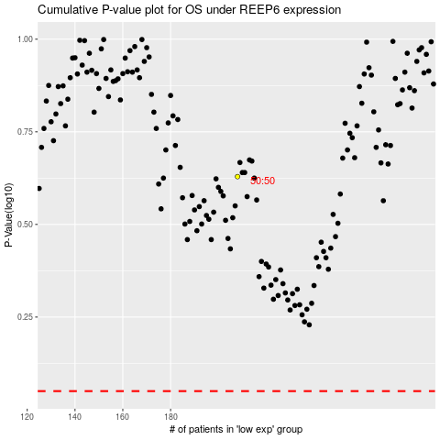

 |  |  |  |  |  | cases_OS | p_OS | rank | exp
 |  |  |  |  |  |  | cases_RFS | p_RFS | rank | exp

