REL _multivariate
Reported by Tex Li-Hsing Chi. tex@gate.sinica.edu.tw 2019-08-16

Table 2. The clinicopathological features of HNSCC cohort and REL expression. (Chi square test)
Cutoff at -0.141 (50.0%)
 |  | REL expression |  | REL expression |  | (Optimised)
 | Features | Low | (%) | High | (%) | Case no | P-value | Remark | Matthews
Gender | Female | 156 | 37.6 | 150 | 36.1 | 415 | 0.5222 | 0 | 0
2 | Male | 51 | 12.3 | 58 | 14
Age at diagnosis | <=65y | 140 | 33.7 | 134 | 32.3 | 415 | 0.5574 | 0 | 0
4 | >65y | 67 | 16.1 | 74 | 17.8
Clinical T Status | T1+T2 | 82 | 19.8 | 67 | 16.1 | 415 | 0.1417 | 0 | 0
6 | T3+T4 | 125 | 30.1 | 141 | 34
Clinical N Status | N0 | 113 | 27.2 | 103 | 24.8 | 415 | 0.3495 | 1 | 0
8 | N1-3 | 94 | 22.7 | 105 | 25.3
Clinical M Status | M0 | 204 | 49.2 | 208 | 50.1 | 415 | 0.1232 | 0 | 0
10 | M1 | 3 | 0.7 | 0 | 0
Clinical Stage | Stage I+II | 55 | 13.3 | 47 | 11.3 | 415 | 0.4087 | 0 | 0
12 | Stage III+IV | 152 | 36.6 | 161 | 38.8
Surgical Margin status | Negative | 149 | 35.9 | 169 | 40.7 | 415 | 0.0278 | 1 | 0
14 | Positive | 58 | 14 | 39 | 9.4
Tobacco Exposure | Low | 86 | 20.7 | 75 | 18.1 | 415 | 0.2687 | 0 | 0
16 | High | 121 | 29.2 | 133 | 32

Table 3. Univariate/Multivariate Cox's proportional hazards regression analyses on OS time of REL gene expression in HNSCC

 |  | Univariate |  |  |  | Multivariate
 | Features | HR | CI95%(L) | CI95%(H) | P-value | HR | CI95%(L) | CI95%(H) | P-value
1 | Female | 1 |  |  |  | 1
Gender | Male | 1.157 | 0.843 | 1.587 | 0.367 | 1.203 | 0.861 | 1.682 | 0.278
11 | <=65y | 1 |  |  |  | 1
Age at diagnosis | >65y | 1.329 | 0.99 | 1.784 | 0.058 | 1.393 | 1.025 | 1.894 | 0.034
12 | T1+T2 | 1 |  |  |  | 1
Clinical T Status | T3+T4 | 1.409 | 1.028 | 1.931 | 0.033 | 2.222 | 1.174 | 4.207 | 0.014
13 | N0 | 1 |  |  |  | 1
Clinical N Status | N1-3 | 1.185 | 0.89 | 1.577 | 0.246 | 1.245 | 0.872 | 1.777 | 0.228
14 | M0 | 1 |  |  |  | 1
Clinical M Status | M1 | 4.097 | 1.009 | 16.644 | 0.049 | 9.148 | 1.985 | 42.151 | 0.005
15 | Stage I+II | 1 |  |  |  | 1
Clinical Stage | Stage III+IV | 1.245 | 0.882 | 1.759 | 0.213 | 0.503 | 0.235 | 1.081 | 0.078
16 | Negative | 1 |  |  |  | 1
Surgical Margin status | Positive | 1.591 | 1.155 | 2.191 | 0.004 | 1.659 | 1.198 | 2.296 | 0.002
17 | Low | 1 |  |  |  | 1
Tobacco Exposure | High | 1.364 | 1.008 | 1.844 | 0.044 | 1.449 | 1.051 | 1.998 | 0.023
18 | Low | 1 |  |  |  | 1
RNAseq(z-score) | High | 0.924 | 0.693 | 1.231 | 0.588 | 0.938 | 0.699 | 1.258 | 0.669

Table 4. Univariate/Multivariate Cox's proportional hazards regression analyses on RFS time of REL gene expression in HNSCC

 |  | Univariate |  |  |  | Multivariate
 | Features | HR | CI95%(L) | CI95%(H) | P-value | HR | CI95%(L) | CI95%(H) | P-value
1 | Female | 1 |  |  |  | 1
Gender | Male | 1.157 | 0.843 | 1.587 | 0.367 | 1.203 | 0.861 | 1.682 | 0.278
11 | <=65y | 1 |  |  |  | 1
Age at diagnosis | >65y | 1.329 | 0.99 | 1.784 | 0.058 | 1.393 | 1.025 | 1.894 | 0.034
12 | T1+T2 | 1 |  |  |  | 1
Clinical T Status | T3+T4 | 1.409 | 1.028 | 1.931 | 0.033 | 2.222 | 1.174 | 4.207 | 0.014
13 | N0 | 1 |  |  |  | 1
Clinical N Status | N1-3 | 1.185 | 0.89 | 1.577 | 0.246 | 1.245 | 0.872 | 1.777 | 0.228
14 | M0 | 1 |  |  |  | 1
Clinical M Status | M1 | 4.097 | 1.009 | 16.644 | 0.049 | 9.148 | 1.985 | 42.151 | 0.005
15 | Stage I+II | 1 |  |  |  | 1
Clinical Stage | Stage III+IV | 1.245 | 0.882 | 1.759 | 0.213 | 0.503 | 0.235 | 1.081 | 0.078
16 | Negative | 1 |  |  |  | 1
Surgical Margin status | Positive | 1.591 | 1.155 | 2.191 | 0.004 | 1.659 | 1.198 | 2.296 | 0.002
17 | Low | 1 |  |  |  | 1
Tobacco Exposure | High | 1.364 | 1.008 | 1.844 | 0.044 | 1.449 | 1.051 | 1.998 | 0.023
18 | Low | 1 |  |  |  | 1
RNAseq(z-score) | High | 0.924 | 0.693 | 1.231 | 0.588 | 0.938 | 0.699 | 1.258 | 0.669

Kaplan-Meier survival estimate: Cutoff at -0.141 (50.0%)



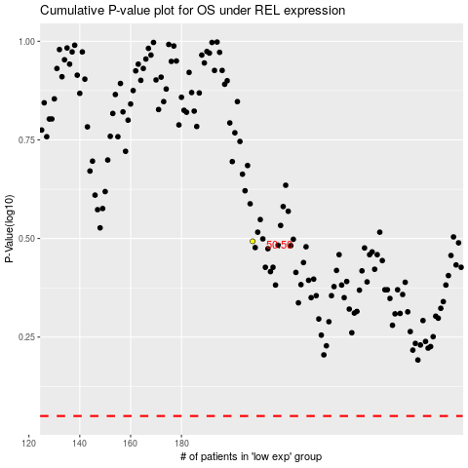

 |  |  |  |  |  | cases_OS | p_OS | rank | exp
 |  |  |  |  |  |  | cases_RFS | p_RFS | rank | exp

