RELL2 _multivariate
Reported by Tex Li-Hsing Chi. tex@gate.sinica.edu.tw 2019-08-16

Table 2. The clinicopathological features of HNSCC cohort and RELL2 expression. (Chi square test)
Cutoff at -0.105 (50.0%)
 |  | RELL2 expression |  | RELL2 expression |  | (Optimised)
 | Features | Low | (%) | High | (%) | Case no | P-value | Remark | Matthews
Gender | Female | 147 | 35.4 | 159 | 38.3 | 415 | 0.2523 | 0 | 0
2 | Male | 60 | 14.5 | 49 | 11.8
Age at diagnosis | <=65y | 141 | 34 | 133 | 32 | 415 | 0.4272 | 0 | 0
4 | >65y | 66 | 15.9 | 75 | 18.1
Clinical T Status | T1+T2 | 83 | 20 | 66 | 15.9 | 415 | 0.0941 | 0 | 0
6 | T3+T4 | 124 | 29.9 | 142 | 34.2
Clinical N Status | N0 | 103 | 24.8 | 113 | 27.2 | 415 | 0.4047 | 0 | 0
8 | N1-3 | 104 | 25.1 | 95 | 22.9
Clinical M Status | M0 | 205 | 49.4 | 207 | 49.9 | 415 | 0.6232 | 0 | 0
10 | M1 | 2 | 0.5 | 1 | 0.2
Clinical Stage | Stage I+II | 57 | 13.7 | 45 | 10.8 | 415 | 0.1998 | 0 | 0
12 | Stage III+IV | 150 | 36.1 | 163 | 39.3
Surgical Margin status | Negative | 154 | 37.1 | 164 | 39.5 | 415 | 0.2984 | 0 | 0
14 | Positive | 53 | 12.8 | 44 | 10.6
Tobacco Exposure | Low | 77 | 18.6 | 84 | 20.2 | 415 | 0.5459 | 0 | 0
16 | High | 130 | 31.3 | 124 | 29.9

Table 3. Univariate/Multivariate Cox's proportional hazards regression analyses on OS time of RELL2 gene expression in HNSCC

 |  | Univariate |  |  |  | Multivariate
 | Features | HR | CI95%(L) | CI95%(H) | P-value | HR | CI95%(L) | CI95%(H) | P-value
1 | Female | 1 |  |  |  | 1
Gender | Male | 1.157 | 0.843 | 1.587 | 0.367 | 1.196 | 0.856 | 1.672 | 0.294
11 | <=65y | 1 |  |  |  | 1
Age at diagnosis | >65y | 1.329 | 0.99 | 1.784 | 0.058 | 1.39 | 1.022 | 1.889 | 0.036
12 | T1+T2 | 1 |  |  |  | 1
Clinical T Status | T3+T4 | 1.409 | 1.028 | 1.931 | 0.033 | 2.221 | 1.173 | 4.204 | 0.014
13 | N0 | 1 |  |  |  | 1
Clinical N Status | N1-3 | 1.185 | 0.89 | 1.577 | 0.246 | 1.235 | 0.865 | 1.763 | 0.246
14 | M0 | 1 |  |  |  | 1
Clinical M Status | M1 | 4.097 | 1.009 | 16.644 | 0.049 | 9.434 | 2.058 | 43.253 | 0.004
15 | Stage I+II | 1 |  |  |  | 1
Clinical Stage | Stage III+IV | 1.245 | 0.882 | 1.759 | 0.213 | 0.502 | 0.234 | 1.078 | 0.077
16 | Negative | 1 |  |  |  | 1
Surgical Margin status | Positive | 1.591 | 1.155 | 2.191 | 0.004 | 1.671 | 1.209 | 2.309 | 0.002
17 | Low | 1 |  |  |  | 1
Tobacco Exposure | High | 1.364 | 1.008 | 1.844 | 0.044 | 1.458 | 1.058 | 2.01 | 0.021
18 | Low | 1 |  |  |  | 1
RNAseq(z-score) | High | 0.952 | 0.714 | 1.268 | 0.735 | 0.94 | 0.703 | 1.255 | 0.673

Table 4. Univariate/Multivariate Cox's proportional hazards regression analyses on RFS time of RELL2 gene expression in HNSCC

 |  | Univariate |  |  |  | Multivariate
 | Features | HR | CI95%(L) | CI95%(H) | P-value | HR | CI95%(L) | CI95%(H) | P-value
1 | Female | 1 |  |  |  | 1
Gender | Male | 1.157 | 0.843 | 1.587 | 0.367 | 1.196 | 0.856 | 1.672 | 0.294
11 | <=65y | 1 |  |  |  | 1
Age at diagnosis | >65y | 1.329 | 0.99 | 1.784 | 0.058 | 1.39 | 1.022 | 1.889 | 0.036
12 | T1+T2 | 1 |  |  |  | 1
Clinical T Status | T3+T4 | 1.409 | 1.028 | 1.931 | 0.033 | 2.221 | 1.173 | 4.204 | 0.014
13 | N0 | 1 |  |  |  | 1
Clinical N Status | N1-3 | 1.185 | 0.89 | 1.577 | 0.246 | 1.235 | 0.865 | 1.763 | 0.246
14 | M0 | 1 |  |  |  | 1
Clinical M Status | M1 | 4.097 | 1.009 | 16.644 | 0.049 | 9.434 | 2.058 | 43.253 | 0.004
15 | Stage I+II | 1 |  |  |  | 1
Clinical Stage | Stage III+IV | 1.245 | 0.882 | 1.759 | 0.213 | 0.502 | 0.234 | 1.078 | 0.077
16 | Negative | 1 |  |  |  | 1
Surgical Margin status | Positive | 1.591 | 1.155 | 2.191 | 0.004 | 1.671 | 1.209 | 2.309 | 0.002
17 | Low | 1 |  |  |  | 1
Tobacco Exposure | High | 1.364 | 1.008 | 1.844 | 0.044 | 1.458 | 1.058 | 2.01 | 0.021
18 | Low | 1 |  |  |  | 1
RNAseq(z-score) | High | 0.952 | 0.714 | 1.268 | 0.735 | 0.94 | 0.703 | 1.255 | 0.673

Kaplan-Meier survival estimate: Cutoff at -0.105 (50.0%)



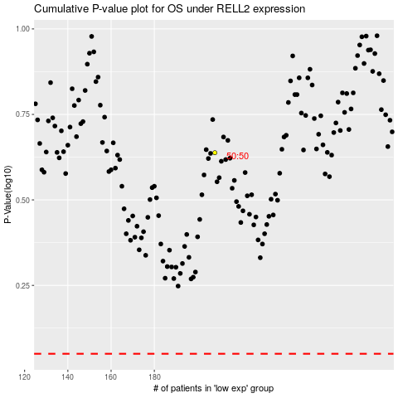

 |  |  |  |  |  | cases_OS | p_OS | rank | exp
 |  |  |  |  |  |  | cases_RFS | p_RFS | rank | exp

