RELN _multivariate
Reported by Tex Li-Hsing Chi. tex@gate.sinica.edu.tw 2019-08-16

Table 2. The clinicopathological features of HNSCC cohort and RELN expression. (Chi square test)
Cutoff at -0.305 (52.4%)
 |  | RELN expression |  | RELN expression |  | (Optimised)
 | Features | Low | (%) | High | (%) | Case no | P-value | Remark | Matthews
Gender | Female | 164 | 39.5 | 142 | 34.2 | 415 | 0.4351 | 0 | 0
2 | Male | 53 | 12.8 | 56 | 13.5
Age at diagnosis | <=65y | 141 | 34 | 133 | 32 | 415 | 0.7131 | 0 | 0
4 | >65y | 76 | 18.3 | 65 | 15.7
Clinical T Status | T1+T2 | 65 | 15.7 | 84 | 20.2 | 415 | 0.011 | 1 | 0
6 | T3+T4 | 152 | 36.6 | 114 | 27.5
Clinical N Status | N0 | 111 | 26.7 | 105 | 25.3 | 415 | 0.7763 | 0 | 0
8 | N1-3 | 106 | 25.5 | 93 | 22.4
Clinical M Status | M0 | 215 | 51.8 | 197 | 47.5 | 415 | 1 | 0 | 0
10 | M1 | 2 | 0.5 | 1 | 0.2
Clinical Stage | Stage I+II | 43 | 10.4 | 59 | 14.2 | 415 | 0.0248 | 1 | 0
12 | Stage III+IV | 174 | 41.9 | 139 | 33.5
Surgical Margin status | Negative | 166 | 40 | 152 | 36.6 | 415 | 1 | 0 | 0
14 | Positive | 51 | 12.3 | 46 | 11.1
Tobacco Exposure | Low | 75 | 18.1 | 86 | 20.7 | 415 | 0.0699 | 0 | 0
16 | High | 142 | 34.2 | 112 | 27

Table 3. Univariate/Multivariate Cox's proportional hazards regression analyses on OS time of RELN gene expression in HNSCC

 |  | Univariate |  |  |  | Multivariate
 | Features | HR | CI95%(L) | CI95%(H) | P-value | HR | CI95%(L) | CI95%(H) | P-value
1 | Female | 1 |  |  |  | 1
Gender | Male | 1.157 | 0.843 | 1.587 | 0.367 | 1.207 | 0.863 | 1.688 | 0.271
11 | <=65y | 1 |  |  |  | 1
Age at diagnosis | >65y | 1.329 | 0.99 | 1.784 | 0.058 | 1.379 | 1.014 | 1.874 | 0.04
12 | T1+T2 | 1 |  |  |  | 1
Clinical T Status | T3+T4 | 1.409 | 1.028 | 1.931 | 0.033 | 2.201 | 1.164 | 4.161 | 0.015
13 | N0 | 1 |  |  |  | 1
Clinical N Status | N1-3 | 1.185 | 0.89 | 1.577 | 0.246 | 1.262 | 0.883 | 1.802 | 0.201
14 | M0 | 1 |  |  |  | 1
Clinical M Status | M1 | 4.097 | 1.009 | 16.644 | 0.049 | 9.323 | 2.033 | 42.755 | 0.004
15 | Stage I+II | 1 |  |  |  | 1
Clinical Stage | Stage III+IV | 1.245 | 0.882 | 1.759 | 0.213 | 0.482 | 0.224 | 1.036 | 0.062
16 | Negative | 1 |  |  |  | 1
Surgical Margin status | Positive | 1.591 | 1.155 | 2.191 | 0.004 | 1.692 | 1.224 | 2.339 | 0.001
17 | Low | 1 |  |  |  | 1
Tobacco Exposure | High | 1.364 | 1.008 | 1.844 | 0.044 | 1.418 | 1.026 | 1.958 | 0.034
18 | Low | 1 |  |  |  | 1
RNAseq(z-score) | High | 0.747 | 0.559 | 1 | 0.05 | 0.773 | 0.575 | 1.04 | 0.089

Table 4. Univariate/Multivariate Cox's proportional hazards regression analyses on RFS time of RELN gene expression in HNSCC

 |  | Univariate |  |  |  | Multivariate
 | Features | HR | CI95%(L) | CI95%(H) | P-value | HR | CI95%(L) | CI95%(H) | P-value
1 | Female | 1 |  |  |  | 1
Gender | Male | 1.157 | 0.843 | 1.587 | 0.367 | 1.207 | 0.863 | 1.688 | 0.271
11 | <=65y | 1 |  |  |  | 1
Age at diagnosis | >65y | 1.329 | 0.99 | 1.784 | 0.058 | 1.379 | 1.014 | 1.874 | 0.04
12 | T1+T2 | 1 |  |  |  | 1
Clinical T Status | T3+T4 | 1.409 | 1.028 | 1.931 | 0.033 | 2.201 | 1.164 | 4.161 | 0.015
13 | N0 | 1 |  |  |  | 1
Clinical N Status | N1-3 | 1.185 | 0.89 | 1.577 | 0.246 | 1.262 | 0.883 | 1.802 | 0.201
14 | M0 | 1 |  |  |  | 1
Clinical M Status | M1 | 4.097 | 1.009 | 16.644 | 0.049 | 9.323 | 2.033 | 42.755 | 0.004
15 | Stage I+II | 1 |  |  |  | 1
Clinical Stage | Stage III+IV | 1.245 | 0.882 | 1.759 | 0.213 | 0.482 | 0.224 | 1.036 | 0.062
16 | Negative | 1 |  |  |  | 1
Surgical Margin status | Positive | 1.591 | 1.155 | 2.191 | 0.004 | 1.692 | 1.224 | 2.339 | 0.001
17 | Low | 1 |  |  |  | 1
Tobacco Exposure | High | 1.364 | 1.008 | 1.844 | 0.044 | 1.418 | 1.026 | 1.958 | 0.034
18 | Low | 1 |  |  |  | 1
RNAseq(z-score) | High | 0.747 | 0.559 | 1 | 0.05 | 0.773 | 0.575 | 1.04 | 0.089

Kaplan-Meier survival estimate: Cutoff at -0.305 (52.4%)



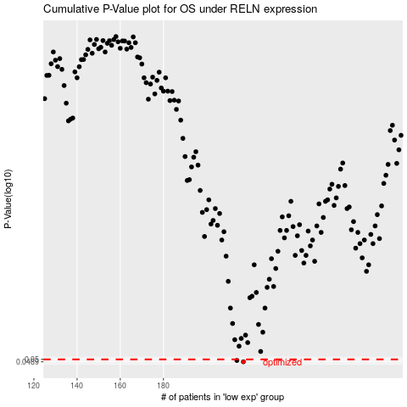

 |  |  |  |  |  | cases_OS | p_OS | rank | exp
 |  |  |  |  |  | 217 | 0.0489 | 282 | -0.30466033692
 |  |  |  |  |  | 214 | 0.0495 | 382 | -0.31166139666
 |  |  |  |  |  |  | cases_RFS | p_RFS | rank | exp
 |  |  |  |  |  |  | 216 | 0.0489 | 180 | -0.30784243886
 |  |  |  |  |  |  | 213 | 0.0495 | 248 | -0.31391924114

